FH _multivariate
Reported by Tex Li-Hsing Chi. tex@gate.sinica.edu.tw 2019-08-19

Table 2. The clinicopathological features of HNSCC cohort and FH expression. (Chi square test)
Cutoff at -0.3 (49.8%)
 |  | FH expression |  | FH expression |  | (Optimised)
 | Features | Low | (%) | High | (%) | Case no | P-value | Remark | Matthews
Gender | Female | 155 | 37.3 | 151 | 36.4 | 415 | 0.6768 | 0 | 0
2 | Male | 52 | 12.5 | 57 | 13.7
Age at diagnosis | <=65y | 148 | 35.7 | 126 | 30.4 | 415 | 0.0248 | 1 | 0
4 | >65y | 59 | 14.2 | 82 | 19.8
Clinical T Status | T1+T2 | 75 | 18.1 | 74 | 17.8 | 415 | 0.9707 | 0 | 0
6 | T3+T4 | 132 | 31.8 | 134 | 32.3
Clinical N Status | N0 | 105 | 25.3 | 111 | 26.7 | 415 | 0.6598 | 0 | 0
8 | N1-3 | 102 | 24.6 | 97 | 23.4
Clinical M Status | M0 | 207 | 49.9 | 205 | 49.4 | 415 | 0.2482 | 0 | 0
10 | M1 | 0 | 0 | 3 | 0.7
Clinical Stage | Stage I+II | 51 | 12.3 | 51 | 12.3 | 415 | 1 | 0 | 0
12 | Stage III+IV | 156 | 37.6 | 157 | 37.8
Surgical Margin status | Negative | 157 | 37.8 | 161 | 38.8 | 415 | 0.729 | 0 | 0
14 | Positive | 50 | 12 | 47 | 11.3
Tobacco Exposure | Low | 86 | 20.7 | 75 | 18.1 | 415 | 0.2687 | 0 | 0
16 | High | 121 | 29.2 | 133 | 32

Table 3. Univariate/Multivariate Cox's proportional hazards regression analyses on OS time of FH gene expression in HNSCC

 |  | Univariate |  |  |  | Multivariate
 | Features | HR | CI95%(L) | CI95%(H) | P-value | HR | CI95%(L) | CI95%(H) | P-value
1 | Female | 1 |  |  |  | 1
Gender | Male | 1.157 | 0.843 | 1.587 | 0.367 | 1.223 | 0.874 | 1.711 | 0.239
11 | <=65y | 1 |  |  |  | 1
Age at diagnosis | >65y | 1.329 | 0.99 | 1.784 | 0.058 | 1.406 | 1.034 | 1.911 | 0.03
12 | T1+T2 | 1 |  |  |  | 1
Clinical T Status | T3+T4 | 1.409 | 1.028 | 1.931 | 0.033 | 2.199 | 1.162 | 4.159 | 0.015
13 | N0 | 1 |  |  |  | 1
Clinical N Status | N1-3 | 1.185 | 0.89 | 1.577 | 0.246 | 1.243 | 0.871 | 1.772 | 0.23
14 | M0 | 1 |  |  |  | 1
Clinical M Status | M1 | 4.097 | 1.009 | 16.644 | 0.049 | 10.339 | 2.236 | 47.811 | 0.003
15 | Stage I+II | 1 |  |  |  | 1
Clinical Stage | Stage III+IV | 1.245 | 0.882 | 1.759 | 0.213 | 0.506 | 0.236 | 1.086 | 0.081
16 | Negative | 1 |  |  |  | 1
Surgical Margin status | Positive | 1.591 | 1.155 | 2.191 | 0.004 | 1.691 | 1.223 | 2.338 | 0.001
17 | Low | 1 |  |  |  | 1
Tobacco Exposure | High | 1.364 | 1.008 | 1.844 | 0.044 | 1.47 | 1.067 | 2.026 | 0.019
18 | Low | 1 |  |  |  | 1
RNAseq(z-score) | High | 0.929 | 0.697 | 1.237 | 0.613 | 0.84 | 0.628 | 1.125 | 0.243

Table 4. Univariate/Multivariate Cox's proportional hazards regression analyses on RFS time of FH gene expression in HNSCC

 |  | Univariate |  |  |  | Multivariate
 | Features | HR | CI95%(L) | CI95%(H) | P-value | HR | CI95%(L) | CI95%(H) | P-value
1 | Female | 1 |  |  |  | 1
Gender | Male | 1.157 | 0.843 | 1.587 | 0.367 | 1.223 | 0.874 | 1.711 | 0.239
11 | <=65y | 1 |  |  |  | 1
Age at diagnosis | >65y | 1.329 | 0.99 | 1.784 | 0.058 | 1.406 | 1.034 | 1.911 | 0.03
12 | T1+T2 | 1 |  |  |  | 1
Clinical T Status | T3+T4 | 1.409 | 1.028 | 1.931 | 0.033 | 2.199 | 1.162 | 4.159 | 0.015
13 | N0 | 1 |  |  |  | 1
Clinical N Status | N1-3 | 1.185 | 0.89 | 1.577 | 0.246 | 1.243 | 0.871 | 1.772 | 0.23
14 | M0 | 1 |  |  |  | 1
Clinical M Status | M1 | 4.097 | 1.009 | 16.644 | 0.049 | 10.339 | 2.236 | 47.811 | 0.003
15 | Stage I+II | 1 |  |  |  | 1
Clinical Stage | Stage III+IV | 1.245 | 0.882 | 1.759 | 0.213 | 0.506 | 0.236 | 1.086 | 0.081
16 | Negative | 1 |  |  |  | 1
Surgical Margin status | Positive | 1.591 | 1.155 | 2.191 | 0.004 | 1.691 | 1.223 | 2.338 | 0.001
17 | Low | 1 |  |  |  | 1
Tobacco Exposure | High | 1.364 | 1.008 | 1.844 | 0.044 | 1.47 | 1.067 | 2.026 | 0.019
18 | Low | 1 |  |  |  | 1
RNAseq(z-score) | High | 0.929 | 0.697 | 1.237 | 0.613 | 0.84 | 0.628 | 1.125 | 0.243

Kaplan-Meier survival estimate: Cutoff at -0.3 (49.8%)

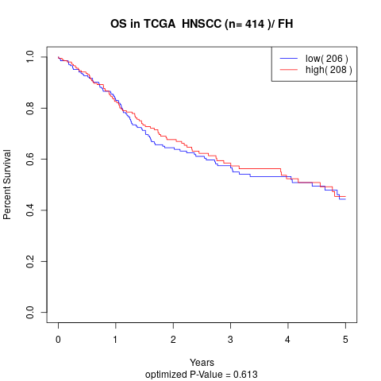

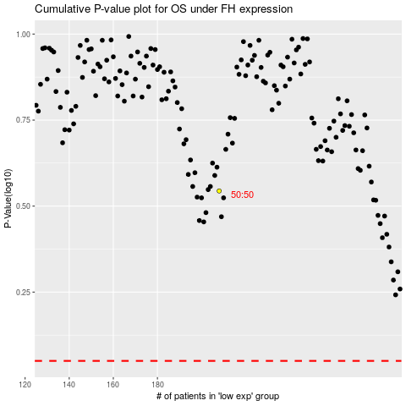

 |  |  |  |  |  | cases_OS | p_OS | rank | exp
 |  |  |  |  |  |  | cases_RFS | p_RFS | rank | exp

