FHDC1 _multivariate
Reported by Tex Li-Hsing Chi. tex@gate.sinica.edu.tw 2019-08-19

Table 2. The clinicopathological features of HNSCC cohort and FHDC1 expression. (Chi square test)
Cutoff at -0.328 (50.0%)
 |  | FHDC1 expression |  | FHDC1 expression |  | (Optimised)
 | Features | Low | (%) | High | (%) | Case no | P-value | Remark | Matthews
Gender | Female | 157 | 37.8 | 149 | 35.9 | 415 | 0.3881 | 0 | 0
2 | Male | 50 | 12 | 59 | 14.2
Age at diagnosis | <=65y | 135 | 32.5 | 139 | 33.5 | 415 | 0.8084 | 0 | 0
4 | >65y | 72 | 17.3 | 69 | 16.6
Clinical T Status | T1+T2 | 76 | 18.3 | 73 | 17.6 | 415 | 0.8092 | 0 | 0
6 | T3+T4 | 131 | 31.6 | 135 | 32.5
Clinical N Status | N0 | 94 | 22.7 | 122 | 29.4 | 415 | 0.0093 | 1 | 0
8 | N1-3 | 113 | 27.2 | 86 | 20.7
Clinical M Status | M0 | 205 | 49.4 | 207 | 49.9 | 415 | 0.6232 | 0 | 0
10 | M1 | 2 | 0.5 | 1 | 0.2
Clinical Stage | Stage I+II | 48 | 11.6 | 54 | 13 | 415 | 0.5878 | 0 | 0
12 | Stage III+IV | 159 | 38.3 | 154 | 37.1
Surgical Margin status | Negative | 160 | 38.6 | 158 | 38.1 | 415 | 0.8167 | 0 | 0
14 | Positive | 47 | 11.3 | 50 | 12
Tobacco Exposure | Low | 68 | 16.4 | 93 | 22.4 | 415 | 0.0156 | 1 | 0
16 | High | 139 | 33.5 | 115 | 27.7

Table 3. Univariate/Multivariate Cox's proportional hazards regression analyses on OS time of FHDC1 gene expression in HNSCC

 |  | Univariate |  |  |  | Multivariate
 | Features | HR | CI95%(L) | CI95%(H) | P-value | HR | CI95%(L) | CI95%(H) | P-value
1 | Female | 1 |  |  |  | 1
Gender | Male | 1.157 | 0.843 | 1.587 | 0.367 | 1.202 | 0.86 | 1.68 | 0.281
11 | <=65y | 1 |  |  |  | 1
Age at diagnosis | >65y | 1.329 | 0.99 | 1.784 | 0.058 | 1.394 | 1.025 | 1.897 | 0.034
12 | T1+T2 | 1 |  |  |  | 1
Clinical T Status | T3+T4 | 1.409 | 1.028 | 1.931 | 0.033 | 2.206 | 1.166 | 4.173 | 0.015
13 | N0 | 1 |  |  |  | 1
Clinical N Status | N1-3 | 1.185 | 0.89 | 1.577 | 0.246 | 1.25 | 0.871 | 1.794 | 0.226
14 | M0 | 1 |  |  |  | 1
Clinical M Status | M1 | 4.097 | 1.009 | 16.644 | 0.049 | 9.44 | 2.058 | 43.291 | 0.004
15 | Stage I+II | 1 |  |  |  | 1
Clinical Stage | Stage III+IV | 1.245 | 0.882 | 1.759 | 0.213 | 0.502 | 0.234 | 1.079 | 0.078
16 | Negative | 1 |  |  |  | 1
Surgical Margin status | Positive | 1.591 | 1.155 | 2.191 | 0.004 | 1.673 | 1.211 | 2.312 | 0.002
17 | Low | 1 |  |  |  | 1
Tobacco Exposure | High | 1.364 | 1.008 | 1.844 | 0.044 | 1.458 | 1.056 | 2.012 | 0.022
18 | Low | 1 |  |  |  | 1
RNAseq(z-score) | High | 0.967 | 0.726 | 1.288 | 0.819 | 1.035 | 0.771 | 1.388 | 0.819

Table 4. Univariate/Multivariate Cox's proportional hazards regression analyses on RFS time of FHDC1 gene expression in HNSCC

 |  | Univariate |  |  |  | Multivariate
 | Features | HR | CI95%(L) | CI95%(H) | P-value | HR | CI95%(L) | CI95%(H) | P-value
1 | Female | 1 |  |  |  | 1
Gender | Male | 1.157 | 0.843 | 1.587 | 0.367 | 1.202 | 0.86 | 1.68 | 0.281
11 | <=65y | 1 |  |  |  | 1
Age at diagnosis | >65y | 1.329 | 0.99 | 1.784 | 0.058 | 1.394 | 1.025 | 1.897 | 0.034
12 | T1+T2 | 1 |  |  |  | 1
Clinical T Status | T3+T4 | 1.409 | 1.028 | 1.931 | 0.033 | 2.206 | 1.166 | 4.173 | 0.015
13 | N0 | 1 |  |  |  | 1
Clinical N Status | N1-3 | 1.185 | 0.89 | 1.577 | 0.246 | 1.25 | 0.871 | 1.794 | 0.226
14 | M0 | 1 |  |  |  | 1
Clinical M Status | M1 | 4.097 | 1.009 | 16.644 | 0.049 | 9.44 | 2.058 | 43.291 | 0.004
15 | Stage I+II | 1 |  |  |  | 1
Clinical Stage | Stage III+IV | 1.245 | 0.882 | 1.759 | 0.213 | 0.502 | 0.234 | 1.079 | 0.078
16 | Negative | 1 |  |  |  | 1
Surgical Margin status | Positive | 1.591 | 1.155 | 2.191 | 0.004 | 1.673 | 1.211 | 2.312 | 0.002
17 | Low | 1 |  |  |  | 1
Tobacco Exposure | High | 1.364 | 1.008 | 1.844 | 0.044 | 1.458 | 1.056 | 2.012 | 0.022
18 | Low | 1 |  |  |  | 1
RNAseq(z-score) | High | 0.967 | 0.726 | 1.288 | 0.819 | 1.035 | 0.771 | 1.388 | 0.819

Kaplan-Meier survival estimate: Cutoff at -0.328 (50.0%)



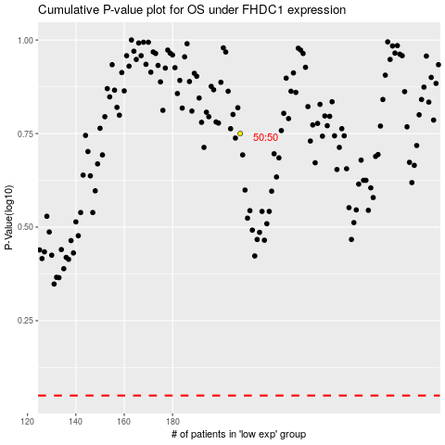

 |  |  |  |  |  | cases_OS | p_OS | rank | exp
 |  |  |  |  |  |  | cases_RFS | p_RFS | rank | exp

