FHL1 _multivariate
Reported by Tex Li-Hsing Chi. tex@gate.sinica.edu.tw 2019-08-19

Table 2. The clinicopathological features of HNSCC cohort and FHL1 expression. (Chi square test)
Cutoff at -0.204 (47.6%)
 |  | FHL1 expression |  | FHL1 expression |  | (Optimised)
 | Features | Low | (%) | High | (%) | Case no | P-value | Remark | Matthews
Gender | Female | 147 | 35.4 | 159 | 38.3 | 415 | 0.7814 | 0 | 0
2 | Male | 50 | 12 | 59 | 14.2
Age at diagnosis | <=65y | 120 | 28.9 | 154 | 37.1 | 415 | 0.0471 | 1 | 0
4 | >65y | 77 | 18.6 | 64 | 15.4
Clinical T Status | T1+T2 | 60 | 14.5 | 89 | 21.4 | 415 | 0.0361 | 1 | 0
6 | T3+T4 | 137 | 33 | 129 | 31.1
Clinical N Status | N0 | 110 | 26.5 | 106 | 25.5 | 415 | 0.1705 | 1 | 0
8 | N1-3 | 87 | 21 | 112 | 27
Clinical M Status | M0 | 195 | 47 | 217 | 52.3 | 415 | 0.606 | 0 | 0
10 | M1 | 2 | 0.5 | 1 | 0.2
Clinical Stage | Stage I+II | 42 | 10.1 | 60 | 14.5 | 415 | 0.1765 | 0 | 0
12 | Stage III+IV | 155 | 37.3 | 158 | 38.1
Surgical Margin status | Negative | 149 | 35.9 | 169 | 40.7 | 415 | 0.7277 | 0 | 0
14 | Positive | 48 | 11.6 | 49 | 11.8
Tobacco Exposure | Low | 71 | 17.1 | 90 | 21.7 | 415 | 0.3132 | 0 | 0
16 | High | 126 | 30.4 | 128 | 30.8

Table 3. Univariate/Multivariate Cox's proportional hazards regression analyses on OS time of FHL1 gene expression in HNSCC

 |  | Univariate |  |  |  | Multivariate
 | Features | HR | CI95%(L) | CI95%(H) | P-value | HR | CI95%(L) | CI95%(H) | P-value
1 | Female | 1 |  |  |  | 1
Gender | Male | 1.157 | 0.843 | 1.587 | 0.367 | 1.211 | 0.867 | 1.691 | 0.261
11 | <=65y | 1 |  |  |  | 1
Age at diagnosis | >65y | 1.329 | 0.99 | 1.784 | 0.058 | 1.477 | 1.084 | 2.014 | 0.014
12 | T1+T2 | 1 |  |  |  | 1
Clinical T Status | T3+T4 | 1.409 | 1.028 | 1.931 | 0.033 | 2.303 | 1.216 | 4.361 | 0.01
13 | N0 | 1 |  |  |  | 1
Clinical N Status | N1-3 | 1.185 | 0.89 | 1.577 | 0.246 | 1.208 | 0.846 | 1.725 | 0.299
14 | M0 | 1 |  |  |  | 1
Clinical M Status | M1 | 4.097 | 1.009 | 16.644 | 0.049 | 10.262 | 2.234 | 47.139 | 0.003
15 | Stage I+II | 1 |  |  |  | 1
Clinical Stage | Stage III+IV | 1.245 | 0.882 | 1.759 | 0.213 | 0.51 | 0.237 | 1.095 | 0.084
16 | Negative | 1 |  |  |  | 1
Surgical Margin status | Positive | 1.591 | 1.155 | 2.191 | 0.004 | 1.687 | 1.221 | 2.33 | 0.002
17 | Low | 1 |  |  |  | 1
Tobacco Exposure | High | 1.364 | 1.008 | 1.844 | 0.044 | 1.466 | 1.065 | 2.018 | 0.019
18 | Low | 1 |  |  |  | 1
RNAseq(z-score) | High | 1.376 | 1.029 | 1.839 | 0.032 | 1.498 | 1.114 | 2.014 | 0.007

Table 4. Univariate/Multivariate Cox's proportional hazards regression analyses on RFS time of FHL1 gene expression in HNSCC

 |  | Univariate |  |  |  | Multivariate
 | Features | HR | CI95%(L) | CI95%(H) | P-value | HR | CI95%(L) | CI95%(H) | P-value
1 | Female | 1 |  |  |  | 1
Gender | Male | 1.157 | 0.843 | 1.587 | 0.367 | 1.211 | 0.867 | 1.691 | 0.261
11 | <=65y | 1 |  |  |  | 1
Age at diagnosis | >65y | 1.329 | 0.99 | 1.784 | 0.058 | 1.477 | 1.084 | 2.014 | 0.014
12 | T1+T2 | 1 |  |  |  | 1
Clinical T Status | T3+T4 | 1.409 | 1.028 | 1.931 | 0.033 | 2.303 | 1.216 | 4.361 | 0.01
13 | N0 | 1 |  |  |  | 1
Clinical N Status | N1-3 | 1.185 | 0.89 | 1.577 | 0.246 | 1.208 | 0.846 | 1.725 | 0.299
14 | M0 | 1 |  |  |  | 1
Clinical M Status | M1 | 4.097 | 1.009 | 16.644 | 0.049 | 10.262 | 2.234 | 47.139 | 0.003
15 | Stage I+II | 1 |  |  |  | 1
Clinical Stage | Stage III+IV | 1.245 | 0.882 | 1.759 | 0.213 | 0.51 | 0.237 | 1.095 | 0.084
16 | Negative | 1 |  |  |  | 1
Surgical Margin status | Positive | 1.591 | 1.155 | 2.191 | 0.004 | 1.687 | 1.221 | 2.33 | 0.002
17 | Low | 1 |  |  |  | 1
Tobacco Exposure | High | 1.364 | 1.008 | 1.844 | 0.044 | 1.466 | 1.065 | 2.018 | 0.019
18 | Low | 1 |  |  |  | 1
RNAseq(z-score) | High | 1.376 | 1.029 | 1.839 | 0.032 | 1.498 | 1.114 | 2.014 | 0.007

Kaplan-Meier survival estimate: Cutoff at -0.204 (47.6%)

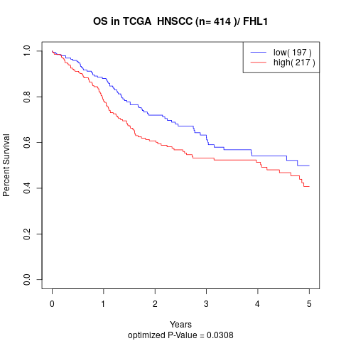

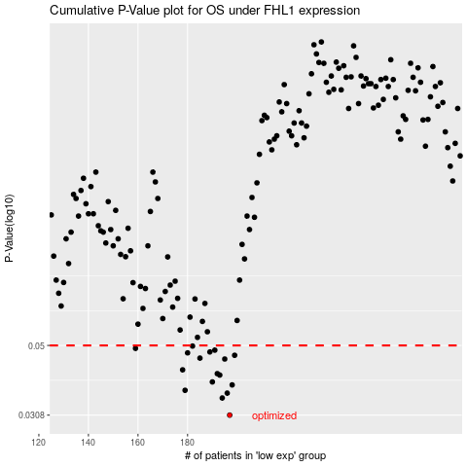

 |  |  |  |  |  | cases_OS | p_OS | rank | exp
 |  |  |  |  |  | 197 | 0.0308 | 74 | -0.20444720241
 |  |  |  |  |  | 194 | 0.0347 | 302 | -0.20674296933
 |  |  |  |  |  | 196 | 0.0359 | 33 | -0.20488790249
 |  |  |  |  |  | 179 | 0.0366 | 253 | -0.21325438663
 |  |  |  |  |  | 198 | 0.038 | 411 | -0.20289758031
 |  |  |  |  |  | 190 | 0.0388 | 260 | -0.20943920451
 |  |  |  |  |  | 193 | 0.0407 | 47 | -0.20764175844
 |  |  |  |  |  | 192 | 0.0411 | 306 | -0.20811240114
 |  |  |  |  |  | 178 | 0.0422 | 96 | -0.21351922713
 |  |  |  |  |  | 195 | 0.0455 | 71 | -0.20586135293
 |  |  |  |  |  | 185 | 0.0458 | 137 | -0.21013145863
 |  |  |  |  |  | 199 | 0.0467 | 117 | -0.20274685812
 |  |  |  |  |  | 180 | 0.0475 | 1 | -0.21257010319
 |  |  |  |  |  | 189 | 0.0478 | 169 | -0.20959003482
 |  |  |  |  |  | 191 | 0.0484 | 334 | -0.20898756051
 |  |  |  |  |  | 159 | 0.049 | 412 | -0.2179613362
 |  |  |  |  |  | 182 | 0.0498 | 370 | -0.21080290007
 |  |  |  |  |  |  | cases_RFS | p_RFS | rank | exp
 |  |  |  |  |  |  | 196 | 0.0308 | 33 | -0.20488790249
 |  |  |  |  |  |  | 193 | 0.0347 | 47 | -0.20764175844
 |  |  |  |  |  |  | 195 | 0.0359 | 71 | -0.20586135293
 |  |  |  |  |  |  | 178 | 0.0366 | 96 | -0.21351922713
 |  |  |  |  |  |  | 197 | 0.038 | 74 | -0.20444720241
 |  |  |  |  |  |  | 189 | 0.0388 | 169 | -0.20959003482
 |  |  |  |  |  |  | 192 | 0.0407 | 306 | -0.20811240114
 |  |  |  |  |  |  | 191 | 0.0411 | 334 | -0.20898756051
 |  |  |  |  |  |  | 177 | 0.0422 | 195 | -0.21388978881
 |  |  |  |  |  |  | 194 | 0.0455 | 302 | -0.20674296933
 |  |  |  |  |  |  | 184 | 0.0458 | 317 | -0.21033854021
 |  |  |  |  |  |  | 198 | 0.0467 | 411 | -0.20289758031
 |  |  |  |  |  |  | 179 | 0.0475 | 253 | -0.21325438663
 |  |  |  |  |  |  | 188 | 0.0478 | 295 | -0.20961303988
 |  |  |  |  |  |  | 190 | 0.0484 | 260 | -0.20943920451
 |  |  |  |  |  |  | 158 | 0.049 | 205 | -0.21811639512
 |  |  |  |  |  |  | 181 | 0.0498 | 192 | -0.21239961347

