FHOD1 _multivariate
Reported by Tex Li-Hsing Chi. tex@gate.sinica.edu.tw 2019-08-19

Table 2. The clinicopathological features of HNSCC cohort and FHOD1 expression. (Chi square test)
Cutoff at -0.058 (50.0%)
 |  | FHOD1 expression |  | FHOD1 expression |  | (Optimised)
 | Features | Low | (%) | High | (%) | Case no | P-value | Remark | Matthews
Gender | Female | 155 | 37.3 | 151 | 36.4 | 415 | 0.6768 | 0 | 0
2 | Male | 52 | 12.5 | 57 | 13.7
Age at diagnosis | <=65y | 134 | 32.3 | 140 | 33.7 | 415 | 0.6529 | 0 | 0
4 | >65y | 73 | 17.6 | 68 | 16.4
Clinical T Status | T1+T2 | 72 | 17.3 | 77 | 18.6 | 415 | 0.7095 | 0 | 0
6 | T3+T4 | 135 | 32.5 | 131 | 31.6
Clinical N Status | N0 | 109 | 26.3 | 107 | 25.8 | 415 | 0.8812 | 0 | 0
8 | N1-3 | 98 | 23.6 | 101 | 24.3
Clinical M Status | M0 | 207 | 49.9 | 205 | 49.4 | 415 | 0.2482 | 0 | 0
10 | M1 | 0 | 0 | 3 | 0.7
Clinical Stage | Stage I+II | 48 | 11.6 | 54 | 13 | 415 | 0.5878 | 0 | 0
12 | Stage III+IV | 159 | 38.3 | 154 | 37.1
Surgical Margin status | Negative | 155 | 37.3 | 163 | 39.3 | 415 | 0.4187 | 0 | 0
14 | Positive | 52 | 12.5 | 45 | 10.8
Tobacco Exposure | Low | 66 | 15.9 | 95 | 22.9 | 415 | 0.0048 | 1 | 0
16 | High | 141 | 34 | 113 | 27.2

Table 3. Univariate/Multivariate Cox's proportional hazards regression analyses on OS time of FHOD1 gene expression in HNSCC

 |  | Univariate |  |  |  | Multivariate
 | Features | HR | CI95%(L) | CI95%(H) | P-value | HR | CI95%(L) | CI95%(H) | P-value
1 | Female | 1 |  |  |  | 1
Gender | Male | 1.157 | 0.843 | 1.587 | 0.367 | 1.201 | 0.859 | 1.678 | 0.284
11 | <=65y | 1 |  |  |  | 1
Age at diagnosis | >65y | 1.329 | 0.99 | 1.784 | 0.058 | 1.394 | 1.025 | 1.898 | 0.035
12 | T1+T2 | 1 |  |  |  | 1
Clinical T Status | T3+T4 | 1.409 | 1.028 | 1.931 | 0.033 | 2.193 | 1.156 | 4.158 | 0.016
13 | N0 | 1 |  |  |  | 1
Clinical N Status | N1-3 | 1.185 | 0.89 | 1.577 | 0.246 | 1.24 | 0.869 | 1.769 | 0.236
14 | M0 | 1 |  |  |  | 1
Clinical M Status | M1 | 4.097 | 1.009 | 16.644 | 0.049 | 9.27 | 1.996 | 43.062 | 0.004
15 | Stage I+II | 1 |  |  |  | 1
Clinical Stage | Stage III+IV | 1.245 | 0.882 | 1.759 | 0.213 | 0.507 | 0.235 | 1.094 | 0.083
16 | Negative | 1 |  |  |  | 1
Surgical Margin status | Positive | 1.591 | 1.155 | 2.191 | 0.004 | 1.671 | 1.21 | 2.309 | 0.002
17 | Low | 1 |  |  |  | 1
Tobacco Exposure | High | 1.364 | 1.008 | 1.844 | 0.044 | 1.457 | 1.055 | 2.012 | 0.022
18 | Low | 1 |  |  |  | 1
RNAseq(z-score) | High | 1.011 | 0.759 | 1.347 | 0.939 | 1.021 | 0.761 | 1.37 | 0.888

Table 4. Univariate/Multivariate Cox's proportional hazards regression analyses on RFS time of FHOD1 gene expression in HNSCC

 |  | Univariate |  |  |  | Multivariate
 | Features | HR | CI95%(L) | CI95%(H) | P-value | HR | CI95%(L) | CI95%(H) | P-value
1 | Female | 1 |  |  |  | 1
Gender | Male | 1.157 | 0.843 | 1.587 | 0.367 | 1.201 | 0.859 | 1.678 | 0.284
11 | <=65y | 1 |  |  |  | 1
Age at diagnosis | >65y | 1.329 | 0.99 | 1.784 | 0.058 | 1.394 | 1.025 | 1.898 | 0.035
12 | T1+T2 | 1 |  |  |  | 1
Clinical T Status | T3+T4 | 1.409 | 1.028 | 1.931 | 0.033 | 2.193 | 1.156 | 4.158 | 0.016
13 | N0 | 1 |  |  |  | 1
Clinical N Status | N1-3 | 1.185 | 0.89 | 1.577 | 0.246 | 1.24 | 0.869 | 1.769 | 0.236
14 | M0 | 1 |  |  |  | 1
Clinical M Status | M1 | 4.097 | 1.009 | 16.644 | 0.049 | 9.27 | 1.996 | 43.062 | 0.004
15 | Stage I+II | 1 |  |  |  | 1
Clinical Stage | Stage III+IV | 1.245 | 0.882 | 1.759 | 0.213 | 0.507 | 0.235 | 1.094 | 0.083
16 | Negative | 1 |  |  |  | 1
Surgical Margin status | Positive | 1.591 | 1.155 | 2.191 | 0.004 | 1.671 | 1.21 | 2.309 | 0.002
17 | Low | 1 |  |  |  | 1
Tobacco Exposure | High | 1.364 | 1.008 | 1.844 | 0.044 | 1.457 | 1.055 | 2.012 | 0.022
18 | Low | 1 |  |  |  | 1
RNAseq(z-score) | High | 1.011 | 0.759 | 1.347 | 0.939 | 1.021 | 0.761 | 1.37 | 0.888

Kaplan-Meier survival estimate: Cutoff at -0.058 (50.0%)



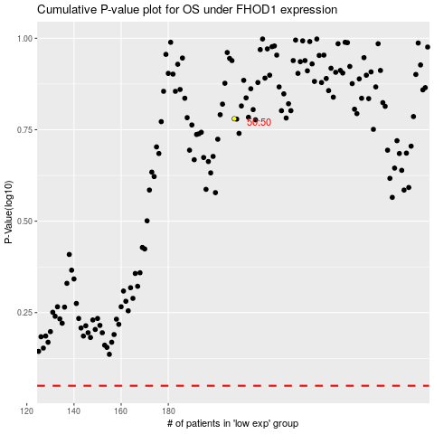

 |  |  |  |  |  | cases_OS | p_OS | rank | exp
 |  |  |  |  |  |  | cases_RFS | p_RFS | rank | exp

