FIBCD1 _multivariate
Reported by Tex Li-Hsing Chi. tex@gate.sinica.edu.tw 2019-08-19

Table 2. The clinicopathological features of HNSCC cohort and FIBCD1 expression. (Chi square test)
Cutoff at -0.213 (49.8%)
 |  | FIBCD1 expression |  | FIBCD1 expression |  | (Optimised)
 | Features | Low | (%) | High | (%) | Case no | P-value | Remark | Matthews
Gender | Female | 148 | 35.7 | 158 | 38.1 | 415 | 0.3567 | 0 | 0
2 | Male | 59 | 14.2 | 50 | 12
Age at diagnosis | <=65y | 131 | 31.6 | 143 | 34.5 | 415 | 0.2839 | 0 | 0
4 | >65y | 76 | 18.3 | 65 | 15.7
Clinical T Status | T1+T2 | 84 | 20.2 | 65 | 15.7 | 415 | 0.0603 | 0 | 0
6 | T3+T4 | 123 | 29.6 | 143 | 34.5
Clinical N Status | N0 | 113 | 27.2 | 103 | 24.8 | 415 | 0.3495 | 1 | 0
8 | N1-3 | 94 | 22.7 | 105 | 25.3
Clinical M Status | M0 | 206 | 49.6 | 206 | 49.6 | 415 | 1 | 0 | 0
10 | M1 | 1 | 0.2 | 2 | 0.5
Clinical Stage | Stage I+II | 60 | 14.5 | 42 | 10.1 | 415 | 0.0493 | 1 | 0
12 | Stage III+IV | 147 | 35.4 | 166 | 40
Surgical Margin status | Negative | 161 | 38.8 | 157 | 37.8 | 415 | 0.6429 | 0 | 0
14 | Positive | 46 | 11.1 | 51 | 12.3
Tobacco Exposure | Low | 94 | 22.7 | 67 | 16.1 | 415 | 0.0065 | 1 | 0
16 | High | 113 | 27.2 | 141 | 34

Table 3. Univariate/Multivariate Cox's proportional hazards regression analyses on OS time of FIBCD1 gene expression in HNSCC

 |  | Univariate |  |  |  | Multivariate
 | Features | HR | CI95%(L) | CI95%(H) | P-value | HR | CI95%(L) | CI95%(H) | P-value
1 | Female | 1 |  |  |  | 1
Gender | Male | 1.157 | 0.843 | 1.587 | 0.367 | 1.199 | 0.858 | 1.675 | 0.287
11 | <=65y | 1 |  |  |  | 1
Age at diagnosis | >65y | 1.329 | 0.99 | 1.784 | 0.058 | 1.394 | 1.025 | 1.895 | 0.034
12 | T1+T2 | 1 |  |  |  | 1
Clinical T Status | T3+T4 | 1.409 | 1.028 | 1.931 | 0.033 | 2.213 | 1.17 | 4.187 | 0.015
13 | N0 | 1 |  |  |  | 1
Clinical N Status | N1-3 | 1.185 | 0.89 | 1.577 | 0.246 | 1.236 | 0.866 | 1.764 | 0.243
14 | M0 | 1 |  |  |  | 1
Clinical M Status | M1 | 4.097 | 1.009 | 16.644 | 0.049 | 9.514 | 2.073 | 43.668 | 0.004
15 | Stage I+II | 1 |  |  |  | 1
Clinical Stage | Stage III+IV | 1.245 | 0.882 | 1.759 | 0.213 | 0.505 | 0.235 | 1.083 | 0.079
16 | Negative | 1 |  |  |  | 1
Surgical Margin status | Positive | 1.591 | 1.155 | 2.191 | 0.004 | 1.674 | 1.211 | 2.313 | 0.002
17 | Low | 1 |  |  |  | 1
Tobacco Exposure | High | 1.364 | 1.008 | 1.844 | 0.044 | 1.471 | 1.061 | 2.039 | 0.021
18 | Low | 1 |  |  |  | 1
RNAseq(z-score) | High | 1.006 | 0.755 | 1.341 | 0.965 | 0.946 | 0.703 | 1.272 | 0.712

Table 4. Univariate/Multivariate Cox's proportional hazards regression analyses on RFS time of FIBCD1 gene expression in HNSCC

 |  | Univariate |  |  |  | Multivariate
 | Features | HR | CI95%(L) | CI95%(H) | P-value | HR | CI95%(L) | CI95%(H) | P-value
1 | Female | 1 |  |  |  | 1
Gender | Male | 1.157 | 0.843 | 1.587 | 0.367 | 1.199 | 0.858 | 1.675 | 0.287
11 | <=65y | 1 |  |  |  | 1
Age at diagnosis | >65y | 1.329 | 0.99 | 1.784 | 0.058 | 1.394 | 1.025 | 1.895 | 0.034
12 | T1+T2 | 1 |  |  |  | 1
Clinical T Status | T3+T4 | 1.409 | 1.028 | 1.931 | 0.033 | 2.213 | 1.17 | 4.187 | 0.015
13 | N0 | 1 |  |  |  | 1
Clinical N Status | N1-3 | 1.185 | 0.89 | 1.577 | 0.246 | 1.236 | 0.866 | 1.764 | 0.243
14 | M0 | 1 |  |  |  | 1
Clinical M Status | M1 | 4.097 | 1.009 | 16.644 | 0.049 | 9.514 | 2.073 | 43.668 | 0.004
15 | Stage I+II | 1 |  |  |  | 1
Clinical Stage | Stage III+IV | 1.245 | 0.882 | 1.759 | 0.213 | 0.505 | 0.235 | 1.083 | 0.079
16 | Negative | 1 |  |  |  | 1
Surgical Margin status | Positive | 1.591 | 1.155 | 2.191 | 0.004 | 1.674 | 1.211 | 2.313 | 0.002
17 | Low | 1 |  |  |  | 1
Tobacco Exposure | High | 1.364 | 1.008 | 1.844 | 0.044 | 1.471 | 1.061 | 2.039 | 0.021
18 | Low | 1 |  |  |  | 1
RNAseq(z-score) | High | 1.006 | 0.755 | 1.341 | 0.965 | 0.946 | 0.703 | 1.272 | 0.712

Kaplan-Meier survival estimate: Cutoff at -0.213 (49.8%)



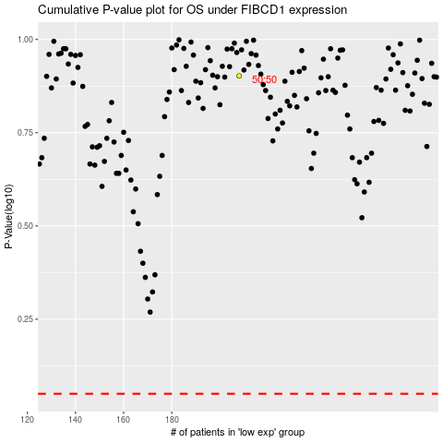

 |  |  |  |  |  | cases_OS | p_OS | rank | exp
 |  |  |  |  |  |  | cases_RFS | p_RFS | rank | exp

