FIBIN _multivariate
Reported by Tex Li-Hsing Chi. tex@gate.sinica.edu.tw 2019-08-19

Table 2. The clinicopathological features of HNSCC cohort and FIBIN expression. (Chi square test)
Cutoff at -0.281 (49.8%)
 |  | FIBIN expression |  | FIBIN expression |  | (Optimised)
 | Features | Low | (%) | High | (%) | Case no | P-value | Remark | Matthews
Gender | Female | 157 | 37.8 | 149 | 35.9 | 415 | 0.3881 | 0 | 0
2 | Male | 50 | 12 | 59 | 14.2
Age at diagnosis | <=65y | 141 | 34 | 133 | 32 | 415 | 0.4272 | 0 | 0
4 | >65y | 66 | 15.9 | 75 | 18.1
Clinical T Status | T1+T2 | 79 | 19 | 70 | 16.9 | 415 | 0.3924 | 0 | 0
6 | T3+T4 | 128 | 30.8 | 138 | 33.3
Clinical N Status | N0 | 108 | 26 | 108 | 26 | 415 | 1 | 0 | 0
8 | N1-3 | 99 | 23.9 | 100 | 24.1
Clinical M Status | M0 | 204 | 49.2 | 208 | 50.1 | 415 | 0.1232 | 0 | 0
10 | M1 | 3 | 0.7 | 0 | 0
Clinical Stage | Stage I+II | 52 | 12.5 | 50 | 12 | 415 | 0.8871 | 0 | 0
12 | Stage III+IV | 155 | 37.3 | 158 | 38.1
Surgical Margin status | Negative | 161 | 38.8 | 157 | 37.8 | 415 | 0.6429 | 0 | 0
14 | Positive | 46 | 11.1 | 51 | 12.3
Tobacco Exposure | Low | 84 | 20.2 | 77 | 18.6 | 415 | 0.4816 | 0 | 0
16 | High | 123 | 29.6 | 131 | 31.6

Table 3. Univariate/Multivariate Cox's proportional hazards regression analyses on OS time of FIBIN gene expression in HNSCC

 |  | Univariate |  |  |  | Multivariate
 | Features | HR | CI95%(L) | CI95%(H) | P-value | HR | CI95%(L) | CI95%(H) | P-value
1 | Female | 1 |  |  |  | 1
Gender | Male | 1.157 | 0.843 | 1.587 | 0.367 | 1.201 | 0.86 | 1.676 | 0.283
11 | <=65y | 1 |  |  |  | 1
Age at diagnosis | >65y | 1.329 | 0.99 | 1.784 | 0.058 | 1.393 | 1.024 | 1.894 | 0.035
12 | T1+T2 | 1 |  |  |  | 1
Clinical T Status | T3+T4 | 1.409 | 1.028 | 1.931 | 0.033 | 2.175 | 1.148 | 4.119 | 0.017
13 | N0 | 1 |  |  |  | 1
Clinical N Status | N1-3 | 1.185 | 0.89 | 1.577 | 0.246 | 1.238 | 0.868 | 1.767 | 0.239
14 | M0 | 1 |  |  |  | 1
Clinical M Status | M1 | 4.097 | 1.009 | 16.644 | 0.049 | 9.724 | 2.111 | 44.782 | 0.004
15 | Stage I+II | 1 |  |  |  | 1
Clinical Stage | Stage III+IV | 1.245 | 0.882 | 1.759 | 0.213 | 0.509 | 0.237 | 1.092 | 0.083
16 | Negative | 1 |  |  |  | 1
Surgical Margin status | Positive | 1.591 | 1.155 | 2.191 | 0.004 | 1.673 | 1.211 | 2.311 | 0.002
17 | Low | 1 |  |  |  | 1
Tobacco Exposure | High | 1.364 | 1.008 | 1.844 | 0.044 | 1.445 | 1.049 | 1.992 | 0.024
18 | Low | 1 |  |  |  | 1
RNAseq(z-score) | High | 1.113 | 0.836 | 1.482 | 0.464 | 1.086 | 0.812 | 1.452 | 0.579

Table 4. Univariate/Multivariate Cox's proportional hazards regression analyses on RFS time of FIBIN gene expression in HNSCC

 |  | Univariate |  |  |  | Multivariate
 | Features | HR | CI95%(L) | CI95%(H) | P-value | HR | CI95%(L) | CI95%(H) | P-value
1 | Female | 1 |  |  |  | 1
Gender | Male | 1.157 | 0.843 | 1.587 | 0.367 | 1.201 | 0.86 | 1.676 | 0.283
11 | <=65y | 1 |  |  |  | 1
Age at diagnosis | >65y | 1.329 | 0.99 | 1.784 | 0.058 | 1.393 | 1.024 | 1.894 | 0.035
12 | T1+T2 | 1 |  |  |  | 1
Clinical T Status | T3+T4 | 1.409 | 1.028 | 1.931 | 0.033 | 2.175 | 1.148 | 4.119 | 0.017
13 | N0 | 1 |  |  |  | 1
Clinical N Status | N1-3 | 1.185 | 0.89 | 1.577 | 0.246 | 1.238 | 0.868 | 1.767 | 0.239
14 | M0 | 1 |  |  |  | 1
Clinical M Status | M1 | 4.097 | 1.009 | 16.644 | 0.049 | 9.724 | 2.111 | 44.782 | 0.004
15 | Stage I+II | 1 |  |  |  | 1
Clinical Stage | Stage III+IV | 1.245 | 0.882 | 1.759 | 0.213 | 0.509 | 0.237 | 1.092 | 0.083
16 | Negative | 1 |  |  |  | 1
Surgical Margin status | Positive | 1.591 | 1.155 | 2.191 | 0.004 | 1.673 | 1.211 | 2.311 | 0.002
17 | Low | 1 |  |  |  | 1
Tobacco Exposure | High | 1.364 | 1.008 | 1.844 | 0.044 | 1.445 | 1.049 | 1.992 | 0.024
18 | Low | 1 |  |  |  | 1
RNAseq(z-score) | High | 1.113 | 0.836 | 1.482 | 0.464 | 1.086 | 0.812 | 1.452 | 0.579

Kaplan-Meier survival estimate: Cutoff at -0.281 (49.8%)



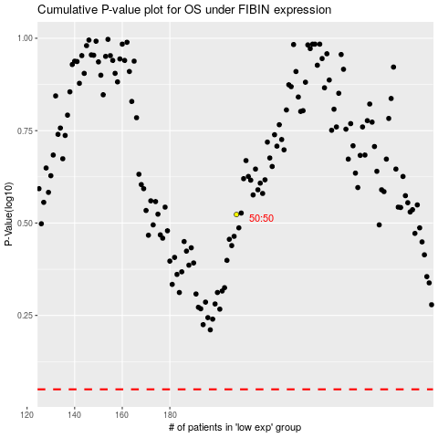

 |  |  |  |  |  | cases_OS | p_OS | rank | exp
 |  |  |  |  |  |  | cases_RFS | p_RFS | rank | exp

