FIBP _multivariate
Reported by Tex Li-Hsing Chi. tex@gate.sinica.edu.tw 2019-08-19

Table 2. The clinicopathological features of HNSCC cohort and FIBP expression. (Chi square test)
Cutoff at -0.219 (49.8%)
 |  | FIBP expression |  | FIBP expression |  | (Optimised)
 | Features | Low | (%) | High | (%) | Case no | P-value | Remark | Matthews
Gender | Female | 149 | 35.9 | 157 | 37.8 | 415 | 0.4848 | 0 | 0
2 | Male | 58 | 14 | 51 | 12.3
Age at diagnosis | <=65y | 134 | 32.3 | 140 | 33.7 | 415 | 0.6529 | 0 | 0
4 | >65y | 73 | 17.6 | 68 | 16.4
Clinical T Status | T1+T2 | 78 | 18.8 | 71 | 17.1 | 415 | 0.5152 | 0 | 0
6 | T3+T4 | 129 | 31.1 | 137 | 33
Clinical N Status | N0 | 110 | 26.5 | 106 | 25.5 | 415 | 0.7294 | 0 | 0
8 | N1-3 | 97 | 23.4 | 102 | 24.6
Clinical M Status | M0 | 206 | 49.6 | 206 | 49.6 | 415 | 1 | 0 | 0
10 | M1 | 1 | 0.2 | 2 | 0.5
Clinical Stage | Stage I+II | 54 | 13 | 48 | 11.6 | 415 | 0.5498 | 0 | 0
12 | Stage III+IV | 153 | 36.9 | 160 | 38.6
Surgical Margin status | Negative | 154 | 37.1 | 164 | 39.5 | 415 | 0.2984 | 0 | 0
14 | Positive | 53 | 12.8 | 44 | 10.6
Tobacco Exposure | Low | 91 | 21.9 | 70 | 16.9 | 415 | 0.0346 | 1 | 0
16 | High | 116 | 28 | 138 | 33.3

Table 3. Univariate/Multivariate Cox's proportional hazards regression analyses on OS time of FIBP gene expression in HNSCC

 |  | Univariate |  |  |  | Multivariate
 | Features | HR | CI95%(L) | CI95%(H) | P-value | HR | CI95%(L) | CI95%(H) | P-value
1 | Female | 1 |  |  |  | 1
Gender | Male | 1.157 | 0.843 | 1.587 | 0.367 | 1.198 | 0.857 | 1.675 | 0.289
11 | <=65y | 1 |  |  |  | 1
Age at diagnosis | >65y | 1.329 | 0.99 | 1.784 | 0.058 | 1.395 | 1.026 | 1.897 | 0.034
12 | T1+T2 | 1 |  |  |  | 1
Clinical T Status | T3+T4 | 1.409 | 1.028 | 1.931 | 0.033 | 2.199 | 1.163 | 4.158 | 0.015
13 | N0 | 1 |  |  |  | 1
Clinical N Status | N1-3 | 1.185 | 0.89 | 1.577 | 0.246 | 1.242 | 0.87 | 1.771 | 0.232
14 | M0 | 1 |  |  |  | 1
Clinical M Status | M1 | 4.097 | 1.009 | 16.644 | 0.049 | 9.218 | 2.004 | 42.402 | 0.004
15 | Stage I+II | 1 |  |  |  | 1
Clinical Stage | Stage III+IV | 1.245 | 0.882 | 1.759 | 0.213 | 0.507 | 0.236 | 1.089 | 0.082
16 | Negative | 1 |  |  |  | 1
Surgical Margin status | Positive | 1.591 | 1.155 | 2.191 | 0.004 | 1.673 | 1.211 | 2.312 | 0.002
17 | Low | 1 |  |  |  | 1
Tobacco Exposure | High | 1.364 | 1.008 | 1.844 | 0.044 | 1.44 | 1.042 | 1.991 | 0.027
18 | Low | 1 |  |  |  | 1
RNAseq(z-score) | High | 1.093 | 0.821 | 1.455 | 0.544 | 1.059 | 0.792 | 1.417 | 0.699

Table 4. Univariate/Multivariate Cox's proportional hazards regression analyses on RFS time of FIBP gene expression in HNSCC

 |  | Univariate |  |  |  | Multivariate
 | Features | HR | CI95%(L) | CI95%(H) | P-value | HR | CI95%(L) | CI95%(H) | P-value
1 | Female | 1 |  |  |  | 1
Gender | Male | 1.157 | 0.843 | 1.587 | 0.367 | 1.198 | 0.857 | 1.675 | 0.289
11 | <=65y | 1 |  |  |  | 1
Age at diagnosis | >65y | 1.329 | 0.99 | 1.784 | 0.058 | 1.395 | 1.026 | 1.897 | 0.034
12 | T1+T2 | 1 |  |  |  | 1
Clinical T Status | T3+T4 | 1.409 | 1.028 | 1.931 | 0.033 | 2.199 | 1.163 | 4.158 | 0.015
13 | N0 | 1 |  |  |  | 1
Clinical N Status | N1-3 | 1.185 | 0.89 | 1.577 | 0.246 | 1.242 | 0.87 | 1.771 | 0.232
14 | M0 | 1 |  |  |  | 1
Clinical M Status | M1 | 4.097 | 1.009 | 16.644 | 0.049 | 9.218 | 2.004 | 42.402 | 0.004
15 | Stage I+II | 1 |  |  |  | 1
Clinical Stage | Stage III+IV | 1.245 | 0.882 | 1.759 | 0.213 | 0.507 | 0.236 | 1.089 | 0.082
16 | Negative | 1 |  |  |  | 1
Surgical Margin status | Positive | 1.591 | 1.155 | 2.191 | 0.004 | 1.673 | 1.211 | 2.312 | 0.002
17 | Low | 1 |  |  |  | 1
Tobacco Exposure | High | 1.364 | 1.008 | 1.844 | 0.044 | 1.44 | 1.042 | 1.991 | 0.027
18 | Low | 1 |  |  |  | 1
RNAseq(z-score) | High | 1.093 | 0.821 | 1.455 | 0.544 | 1.059 | 0.792 | 1.417 | 0.699

Kaplan-Meier survival estimate: Cutoff at -0.219 (49.8%)



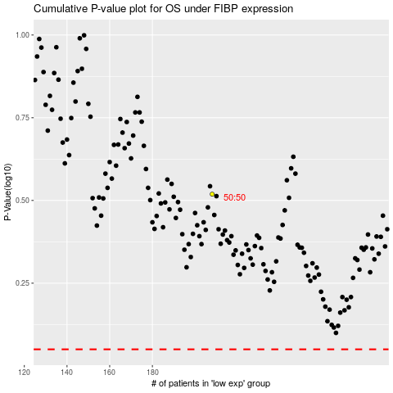

 |  |  |  |  |  | cases_OS | p_OS | rank | exp
 |  |  |  |  |  |  | cases_RFS | p_RFS | rank | exp

