FICD _multivariate
Reported by Tex Li-Hsing Chi. tex@gate.sinica.edu.tw 2019-08-19

Table 2. The clinicopathological features of HNSCC cohort and FICD expression. (Chi square test)
Cutoff at -0.455 (38.6%)
 |  | FICD expression |  | FICD expression |  | (Optimised)
 | Features | Low | (%) | High | (%) | Case no | P-value | Remark | Matthews
Gender | Female | 117 | 28.2 | 189 | 45.5 | 415 | 0.7812 | 0 | 0
2 | Male | 44 | 10.6 | 65 | 15.7
Age at diagnosis | <=65y | 103 | 24.8 | 171 | 41.2 | 415 | 0.5516 | 0 | 0
4 | >65y | 58 | 14 | 83 | 20
Clinical T Status | T1+T2 | 48 | 11.6 | 101 | 24.3 | 415 | 0.0507 | 0 | 0
6 | T3+T4 | 113 | 27.2 | 153 | 36.9
Clinical N Status | N0 | 82 | 19.8 | 134 | 32.3 | 415 | 0.7936 | 0 | 0
8 | N1-3 | 79 | 19 | 120 | 28.9
Clinical M Status | M0 | 160 | 38.6 | 252 | 60.7 | 415 | 1 | 0 | 0
10 | M1 | 1 | 0.2 | 2 | 0.5
Clinical Stage | Stage I+II | 33 | 8 | 69 | 16.6 | 415 | 0.1555 | 0 | 0
12 | Stage III+IV | 128 | 30.8 | 185 | 44.6
Surgical Margin status | Negative | 117 | 28.2 | 201 | 48.4 | 415 | 0.1531 | 0 | 0
14 | Positive | 44 | 10.6 | 53 | 12.8
Tobacco Exposure | Low | 72 | 17.3 | 89 | 21.4 | 415 | 0.0504 | 0 | 0
16 | High | 89 | 21.4 | 165 | 39.8

Table 3. Univariate/Multivariate Cox's proportional hazards regression analyses on OS time of FICD gene expression in HNSCC

 |  | Univariate |  |  |  | Multivariate
 | Features | HR | CI95%(L) | CI95%(H) | P-value | HR | CI95%(L) | CI95%(H) | P-value
1 | Female | 1 |  |  |  | 1
Gender | Male | 1.157 | 0.843 | 1.587 | 0.367 | 1.183 | 0.846 | 1.654 | 0.325
11 | <=65y | 1 |  |  |  | 1
Age at diagnosis | >65y | 1.329 | 0.99 | 1.784 | 0.058 | 1.374 | 1.012 | 1.866 | 0.042
12 | T1+T2 | 1 |  |  |  | 1
Clinical T Status | T3+T4 | 1.409 | 1.028 | 1.931 | 0.033 | 2.121 | 1.121 | 4.015 | 0.021
13 | N0 | 1 |  |  |  | 1
Clinical N Status | N1-3 | 1.185 | 0.89 | 1.577 | 0.246 | 1.24 | 0.869 | 1.768 | 0.235
14 | M0 | 1 |  |  |  | 1
Clinical M Status | M1 | 4.097 | 1.009 | 16.644 | 0.049 | 9.464 | 2.065 | 43.362 | 0.004
15 | Stage I+II | 1 |  |  |  | 1
Clinical Stage | Stage III+IV | 1.245 | 0.882 | 1.759 | 0.213 | 0.511 | 0.238 | 1.096 | 0.084
16 | Negative | 1 |  |  |  | 1
Surgical Margin status | Positive | 1.591 | 1.155 | 2.191 | 0.004 | 1.592 | 1.146 | 2.212 | 0.006
17 | Low | 1 |  |  |  | 1
Tobacco Exposure | High | 1.364 | 1.008 | 1.844 | 0.044 | 1.465 | 1.065 | 2.016 | 0.019
18 | Low | 1 |  |  |  | 1
RNAseq(z-score) | High | 0.721 | 0.54 | 0.964 | 0.027 | 0.796 | 0.59 | 1.073 | 0.134

Table 4. Univariate/Multivariate Cox's proportional hazards regression analyses on RFS time of FICD gene expression in HNSCC

 |  | Univariate |  |  |  | Multivariate
 | Features | HR | CI95%(L) | CI95%(H) | P-value | HR | CI95%(L) | CI95%(H) | P-value
1 | Female | 1 |  |  |  | 1
Gender | Male | 1.157 | 0.843 | 1.587 | 0.367 | 1.183 | 0.846 | 1.654 | 0.325
11 | <=65y | 1 |  |  |  | 1
Age at diagnosis | >65y | 1.329 | 0.99 | 1.784 | 0.058 | 1.374 | 1.012 | 1.866 | 0.042
12 | T1+T2 | 1 |  |  |  | 1
Clinical T Status | T3+T4 | 1.409 | 1.028 | 1.931 | 0.033 | 2.121 | 1.121 | 4.015 | 0.021
13 | N0 | 1 |  |  |  | 1
Clinical N Status | N1-3 | 1.185 | 0.89 | 1.577 | 0.246 | 1.24 | 0.869 | 1.768 | 0.235
14 | M0 | 1 |  |  |  | 1
Clinical M Status | M1 | 4.097 | 1.009 | 16.644 | 0.049 | 9.464 | 2.065 | 43.362 | 0.004
15 | Stage I+II | 1 |  |  |  | 1
Clinical Stage | Stage III+IV | 1.245 | 0.882 | 1.759 | 0.213 | 0.511 | 0.238 | 1.096 | 0.084
16 | Negative | 1 |  |  |  | 1
Surgical Margin status | Positive | 1.591 | 1.155 | 2.191 | 0.004 | 1.592 | 1.146 | 2.212 | 0.006
17 | Low | 1 |  |  |  | 1
Tobacco Exposure | High | 1.364 | 1.008 | 1.844 | 0.044 | 1.465 | 1.065 | 2.016 | 0.019
18 | Low | 1 |  |  |  | 1
RNAseq(z-score) | High | 0.721 | 0.54 | 0.964 | 0.027 | 0.796 | 0.59 | 1.073 | 0.134

Kaplan-Meier survival estimate: Cutoff at -0.455 (38.6%)



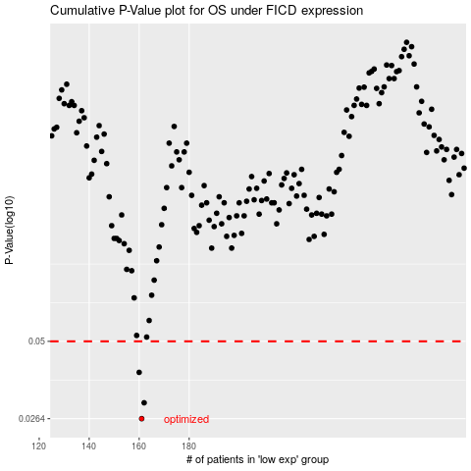

 |  |  |  |  |  | cases_OS | p_OS | rank | exp
 |  |  |  |  |  | 161 | 0.0264 | 312 | -0.45513043904
 |  |  |  |  |  | 162 | 0.0301 | 230 | -0.45169009078
 |  |  |  |  |  | 160 | 0.0387 | 250 | -0.46990872033
 |  |  |  |  |  |  | cases_RFS | p_RFS | rank | exp
 |  |  |  |  |  |  | 160 | 0.0264 | 250 | -0.46990872033
 |  |  |  |  |  |  | 161 | 0.0301 | 312 | -0.45513043904
 |  |  |  |  |  |  | 159 | 0.0387 | 355 | -0.47447729498

