FIGF _multivariate
Reported by Tex Li-Hsing Chi. tex@gate.sinica.edu.tw 2019-08-19

Table 2. The clinicopathological features of HNSCC cohort and FIGF expression. (Chi square test)
Cutoff at -0.229 (35.3%)
 |  | FIGF expression |  | FIGF expression |  | (Optimised)
 | Features | Low | (%) | High | (%) | Case no | P-value | Remark | Matthews
Gender | Female | 111 | 26.7 | 195 | 47 | 415 | 0.506 | 0 | 0
2 | Male | 35 | 8.4 | 74 | 17.8
Age at diagnosis | <=65y | 93 | 22.4 | 181 | 43.6 | 415 | 0.5298 | 0 | 0
4 | >65y | 53 | 12.8 | 88 | 21.2
Clinical T Status | T1+T2 | 44 | 10.6 | 105 | 25.3 | 415 | 0.0897 | 0 | 0
6 | T3+T4 | 102 | 24.6 | 164 | 39.5
Clinical N Status | N0 | 74 | 17.8 | 142 | 34.2 | 415 | 0.7591 | 0 | 0
8 | N1-3 | 72 | 17.3 | 127 | 30.6
Clinical M Status | M0 | 145 | 34.9 | 267 | 64.3 | 415 | 1 | 0 | 0
10 | M1 | 1 | 0.2 | 2 | 0.5
Clinical Stage | Stage I+II | 34 | 8.2 | 68 | 16.4 | 415 | 0.741 | 0 | 0
12 | Stage III+IV | 112 | 27 | 201 | 48.4
Surgical Margin status | Negative | 107 | 25.8 | 211 | 50.8 | 415 | 0.2743 | 0 | 0
14 | Positive | 39 | 9.4 | 58 | 14
Tobacco Exposure | Low | 62 | 14.9 | 99 | 23.9 | 415 | 0.2917 | 0 | 0
16 | High | 84 | 20.2 | 170 | 41

Table 3. Univariate/Multivariate Cox's proportional hazards regression analyses on OS time of FIGF gene expression in HNSCC

 |  | Univariate |  |  |  | Multivariate
 | Features | HR | CI95%(L) | CI95%(H) | P-value | HR | CI95%(L) | CI95%(H) | P-value
1 | Female | 1 |  |  |  | 1
Gender | Male | 1.157 | 0.843 | 1.587 | 0.367 | 1.217 | 0.869 | 1.703 | 0.253
11 | <=65y | 1 |  |  |  | 1
Age at diagnosis | >65y | 1.329 | 0.99 | 1.784 | 0.058 | 1.368 | 1.007 | 1.86 | 0.045
12 | T1+T2 | 1 |  |  |  | 1
Clinical T Status | T3+T4 | 1.409 | 1.028 | 1.931 | 0.033 | 2.091 | 1.104 | 3.96 | 0.024
13 | N0 | 1 |  |  |  | 1
Clinical N Status | N1-3 | 1.185 | 0.89 | 1.577 | 0.246 | 1.221 | 0.856 | 1.743 | 0.27
14 | M0 | 1 |  |  |  | 1
Clinical M Status | M1 | 4.097 | 1.009 | 16.644 | 0.049 | 9.458 | 2.063 | 43.352 | 0.004
15 | Stage I+II | 1 |  |  |  | 1
Clinical Stage | Stage III+IV | 1.245 | 0.882 | 1.759 | 0.213 | 0.537 | 0.25 | 1.155 | 0.112
16 | Negative | 1 |  |  |  | 1
Surgical Margin status | Positive | 1.591 | 1.155 | 2.191 | 0.004 | 1.648 | 1.192 | 2.277 | 0.002
17 | Low | 1 |  |  |  | 1
Tobacco Exposure | High | 1.364 | 1.008 | 1.844 | 0.044 | 1.513 | 1.093 | 2.095 | 0.012
18 | Low | 1 |  |  |  | 1
RNAseq(z-score) | High | 0.735 | 0.549 | 0.984 | 0.038 | 0.749 | 0.557 | 1.008 | 0.057

Table 4. Univariate/Multivariate Cox's proportional hazards regression analyses on RFS time of FIGF gene expression in HNSCC

 |  | Univariate |  |  |  | Multivariate
 | Features | HR | CI95%(L) | CI95%(H) | P-value | HR | CI95%(L) | CI95%(H) | P-value
1 | Female | 1 |  |  |  | 1
Gender | Male | 1.157 | 0.843 | 1.587 | 0.367 | 1.217 | 0.869 | 1.703 | 0.253
11 | <=65y | 1 |  |  |  | 1
Age at diagnosis | >65y | 1.329 | 0.99 | 1.784 | 0.058 | 1.368 | 1.007 | 1.86 | 0.045
12 | T1+T2 | 1 |  |  |  | 1
Clinical T Status | T3+T4 | 1.409 | 1.028 | 1.931 | 0.033 | 2.091 | 1.104 | 3.96 | 0.024
13 | N0 | 1 |  |  |  | 1
Clinical N Status | N1-3 | 1.185 | 0.89 | 1.577 | 0.246 | 1.221 | 0.856 | 1.743 | 0.27
14 | M0 | 1 |  |  |  | 1
Clinical M Status | M1 | 4.097 | 1.009 | 16.644 | 0.049 | 9.458 | 2.063 | 43.352 | 0.004
15 | Stage I+II | 1 |  |  |  | 1
Clinical Stage | Stage III+IV | 1.245 | 0.882 | 1.759 | 0.213 | 0.537 | 0.25 | 1.155 | 0.112
16 | Negative | 1 |  |  |  | 1
Surgical Margin status | Positive | 1.591 | 1.155 | 2.191 | 0.004 | 1.648 | 1.192 | 2.277 | 0.002
17 | Low | 1 |  |  |  | 1
Tobacco Exposure | High | 1.364 | 1.008 | 1.844 | 0.044 | 1.513 | 1.093 | 2.095 | 0.012
18 | Low | 1 |  |  |  | 1
RNAseq(z-score) | High | 0.735 | 0.549 | 0.984 | 0.038 | 0.749 | 0.557 | 1.008 | 0.057

Kaplan-Meier survival estimate: Cutoff at -0.229 (35.3%)



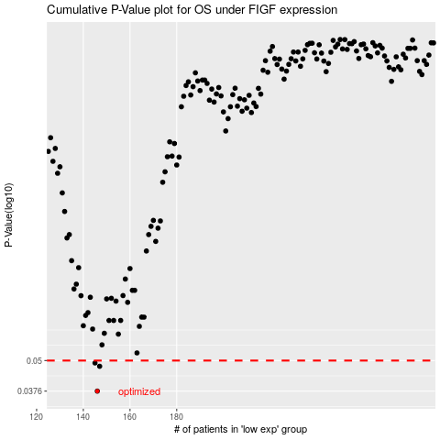

 |  |  |  |  |  | cases_OS | p_OS | rank | exp
 |  |  |  |  |  | 146 | 0.0376 | 42 | -0.22888028145
 |  |  |  |  |  | 147 | 0.0474 | 119 | -0.22819698808
 |  |  |  |  |  | 145 | 0.0489 | 1 | -0.2291973653
 |  |  |  |  |  |  | cases_RFS | p_RFS | rank | exp
 |  |  |  |  |  |  | 145 | 0.0376 | 1 | -0.2291973653
 |  |  |  |  |  |  | 146 | 0.0474 | 42 | -0.22888028145
 |  |  |  |  |  |  | 144 | 0.0489 | 261 | -0.22921969514

