FIP1L1 _multivariate
Reported by Tex Li-Hsing Chi. tex@gate.sinica.edu.tw 2019-08-19

Table 2. The clinicopathological features of HNSCC cohort and FIP1L1 expression. (Chi square test)
Cutoff at -0.485 (30.2%)
 |  | FIP1L1 expression |  | FIP1L1 expression |  | (Optimised)
 | Features | Low | (%) | High | (%) | Case no | P-value | Remark | Matthews
Gender | Female | 89 | 21.4 | 217 | 52.3 | 415 | 0.5164 | 0 | 0
2 | Male | 36 | 8.7 | 73 | 17.6
Age at diagnosis | <=65y | 83 | 20 | 191 | 46 | 415 | 1 | 0 | 0
4 | >65y | 42 | 10.1 | 99 | 23.9
Clinical T Status | T1+T2 | 44 | 10.6 | 105 | 25.3 | 415 | 0.9325 | 0 | 0
6 | T3+T4 | 81 | 19.5 | 185 | 44.6
Clinical N Status | N0 | 67 | 16.1 | 149 | 35.9 | 415 | 0.7578 | 0 | 0
8 | N1-3 | 58 | 14 | 141 | 34
Clinical M Status | M0 | 124 | 29.9 | 288 | 69.4 | 415 | 1 | 0 | 0
10 | M1 | 1 | 0.2 | 2 | 0.5
Clinical Stage | Stage I+II | 32 | 7.7 | 70 | 16.9 | 415 | 0.8469 | 0 | 0
12 | Stage III+IV | 93 | 22.4 | 220 | 53
Surgical Margin status | Negative | 102 | 24.6 | 216 | 52 | 415 | 0.13 | 0 | 0
14 | Positive | 23 | 5.5 | 74 | 17.8
Tobacco Exposure | Low | 57 | 13.7 | 104 | 25.1 | 415 | 0.0787 | 0 | 0
16 | High | 68 | 16.4 | 186 | 44.8

Table 3. Univariate/Multivariate Cox's proportional hazards regression analyses on OS time of FIP1L1 gene expression in HNSCC

 |  | Univariate |  |  |  | Multivariate
 | Features | HR | CI95%(L) | CI95%(H) | P-value | HR | CI95%(L) | CI95%(H) | P-value
1 | Female | 1 |  |  |  | 1
Gender | Male | 1.157 | 0.843 | 1.587 | 0.367 | 1.245 | 0.888 | 1.744 | 0.203
11 | <=65y | 1 |  |  |  | 1
Age at diagnosis | >65y | 1.329 | 0.99 | 1.784 | 0.058 | 1.38 | 1.014 | 1.878 | 0.04
12 | T1+T2 | 1 |  |  |  | 1
Clinical T Status | T3+T4 | 1.409 | 1.028 | 1.931 | 0.033 | 2.269 | 1.199 | 4.294 | 0.012
13 | N0 | 1 |  |  |  | 1
Clinical N Status | N1-3 | 1.185 | 0.89 | 1.577 | 0.246 | 1.255 | 0.879 | 1.793 | 0.211
14 | M0 | 1 |  |  |  | 1
Clinical M Status | M1 | 4.097 | 1.009 | 16.644 | 0.049 | 10.044 | 2.186 | 46.145 | 0.003
15 | Stage I+II | 1 |  |  |  | 1
Clinical Stage | Stage III+IV | 1.245 | 0.882 | 1.759 | 0.213 | 0.483 | 0.225 | 1.039 | 0.063
16 | Negative | 1 |  |  |  | 1
Surgical Margin status | Positive | 1.591 | 1.155 | 2.191 | 0.004 | 1.646 | 1.191 | 2.277 | 0.003
17 | Low | 1 |  |  |  | 1
Tobacco Exposure | High | 1.364 | 1.008 | 1.844 | 0.044 | 1.424 | 1.032 | 1.966 | 0.032
18 | Low | 1 |  |  |  | 1
RNAseq(z-score) | High | 1.39 | 1.001 | 1.929 | 0.049 | 1.349 | 0.967 | 1.883 | 0.078

Table 4. Univariate/Multivariate Cox's proportional hazards regression analyses on RFS time of FIP1L1 gene expression in HNSCC

 |  | Univariate |  |  |  | Multivariate
 | Features | HR | CI95%(L) | CI95%(H) | P-value | HR | CI95%(L) | CI95%(H) | P-value
1 | Female | 1 |  |  |  | 1
Gender | Male | 1.157 | 0.843 | 1.587 | 0.367 | 1.245 | 0.888 | 1.744 | 0.203
11 | <=65y | 1 |  |  |  | 1
Age at diagnosis | >65y | 1.329 | 0.99 | 1.784 | 0.058 | 1.38 | 1.014 | 1.878 | 0.04
12 | T1+T2 | 1 |  |  |  | 1
Clinical T Status | T3+T4 | 1.409 | 1.028 | 1.931 | 0.033 | 2.269 | 1.199 | 4.294 | 0.012
13 | N0 | 1 |  |  |  | 1
Clinical N Status | N1-3 | 1.185 | 0.89 | 1.577 | 0.246 | 1.255 | 0.879 | 1.793 | 0.211
14 | M0 | 1 |  |  |  | 1
Clinical M Status | M1 | 4.097 | 1.009 | 16.644 | 0.049 | 10.044 | 2.186 | 46.145 | 0.003
15 | Stage I+II | 1 |  |  |  | 1
Clinical Stage | Stage III+IV | 1.245 | 0.882 | 1.759 | 0.213 | 0.483 | 0.225 | 1.039 | 0.063
16 | Negative | 1 |  |  |  | 1
Surgical Margin status | Positive | 1.591 | 1.155 | 2.191 | 0.004 | 1.646 | 1.191 | 2.277 | 0.003
17 | Low | 1 |  |  |  | 1
Tobacco Exposure | High | 1.364 | 1.008 | 1.844 | 0.044 | 1.424 | 1.032 | 1.966 | 0.032
18 | Low | 1 |  |  |  | 1
RNAseq(z-score) | High | 1.39 | 1.001 | 1.929 | 0.049 | 1.349 | 0.967 | 1.883 | 0.078

Kaplan-Meier survival estimate: Cutoff at -0.485 (30.2%)

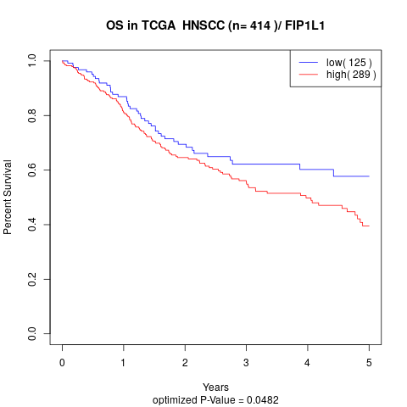

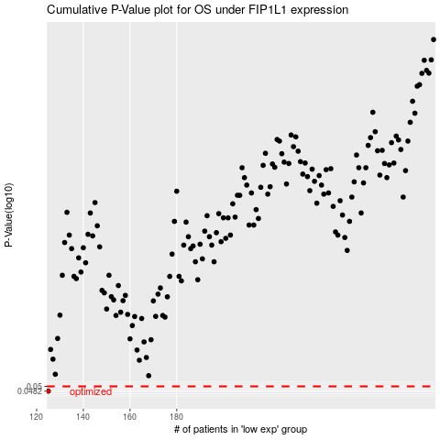

 |  |  |  |  |  | cases_OS | p_OS | rank | exp
 |  |  |  |  |  | 125 | 0.0482 | 377 | -0.48493218788
 |  |  |  |  |  |  | cases_RFS | p_RFS | rank | exp
 |  |  |  |  |  |  |  | 0.0482 | 62 | -0.48762592951

