FITM1 _multivariate
Reported by Tex Li-Hsing Chi. tex@gate.sinica.edu.tw 2019-08-19

Table 2. The clinicopathological features of HNSCC cohort and FITM1 expression. (Chi square test)
Cutoff at -0.191 (50.0%)
 |  | FITM1 expression |  | FITM1 expression |  | (Optimised)
 | Features | Low | (%) | High | (%) | Case no | P-value | Remark | Matthews
Gender | Female | 155 | 37.3 | 151 | 36.4 | 415 | 0.6768 | 0 | 0
2 | Male | 52 | 12.5 | 57 | 13.7
Age at diagnosis | <=65y | 127 | 30.6 | 147 | 35.4 | 415 | 0.0573 | 0 | 0
4 | >65y | 80 | 19.3 | 61 | 14.7
Clinical T Status | T1+T2 | 61 | 14.7 | 88 | 21.2 | 415 | 0.0087 | 1 | 0
6 | T3+T4 | 146 | 35.2 | 120 | 28.9
Clinical N Status | N0 | 113 | 27.2 | 103 | 24.8 | 415 | 0.3495 | 1 | 0
8 | N1-3 | 94 | 22.7 | 105 | 25.3
Clinical M Status | M0 | 204 | 49.2 | 208 | 50.1 | 415 | 0.1232 | 0 | 0
10 | M1 | 3 | 0.7 | 0 | 0
Clinical Stage | Stage I+II | 44 | 10.6 | 58 | 14 | 415 | 0.1459 | 0 | 0
12 | Stage III+IV | 163 | 39.3 | 150 | 36.1
Surgical Margin status | Negative | 154 | 37.1 | 164 | 39.5 | 415 | 0.2984 | 0 | 0
14 | Positive | 53 | 12.8 | 44 | 10.6
Tobacco Exposure | Low | 74 | 17.8 | 87 | 21 | 415 | 0.227 | 0 | 0
16 | High | 133 | 32 | 121 | 29.2

Table 3. Univariate/Multivariate Cox's proportional hazards regression analyses on OS time of FITM1 gene expression in HNSCC

 |  | Univariate |  |  |  | Multivariate
 | Features | HR | CI95%(L) | CI95%(H) | P-value | HR | CI95%(L) | CI95%(H) | P-value
1 | Female | 1 |  |  |  | 1
Gender | Male | 1.157 | 0.843 | 1.587 | 0.367 | 1.186 | 0.847 | 1.659 | 0.32
11 | <=65y | 1 |  |  |  | 1
Age at diagnosis | >65y | 1.329 | 0.99 | 1.784 | 0.058 | 1.412 | 1.037 | 1.923 | 0.029
12 | T1+T2 | 1 |  |  |  | 1
Clinical T Status | T3+T4 | 1.409 | 1.028 | 1.931 | 0.033 | 2.254 | 1.189 | 4.272 | 0.013
13 | N0 | 1 |  |  |  | 1
Clinical N Status | N1-3 | 1.185 | 0.89 | 1.577 | 0.246 | 1.232 | 0.863 | 1.759 | 0.251
14 | M0 | 1 |  |  |  | 1
Clinical M Status | M1 | 4.097 | 1.009 | 16.644 | 0.049 | 10.289 | 2.216 | 47.763 | 0.003
15 | Stage I+II | 1 |  |  |  | 1
Clinical Stage | Stage III+IV | 1.245 | 0.882 | 1.759 | 0.213 | 0.498 | 0.232 | 1.069 | 0.074
16 | Negative | 1 |  |  |  | 1
Surgical Margin status | Positive | 1.591 | 1.155 | 2.191 | 0.004 | 1.69 | 1.222 | 2.337 | 0.002
17 | Low | 1 |  |  |  | 1
Tobacco Exposure | High | 1.364 | 1.008 | 1.844 | 0.044 | 1.453 | 1.055 | 2.002 | 0.022
18 | Low | 1 |  |  |  | 1
RNAseq(z-score) | High | 1.033 | 0.775 | 1.377 | 0.823 | 1.147 | 0.853 | 1.542 | 0.364

Table 4. Univariate/Multivariate Cox's proportional hazards regression analyses on RFS time of FITM1 gene expression in HNSCC

 |  | Univariate |  |  |  | Multivariate
 | Features | HR | CI95%(L) | CI95%(H) | P-value | HR | CI95%(L) | CI95%(H) | P-value
1 | Female | 1 |  |  |  | 1
Gender | Male | 1.157 | 0.843 | 1.587 | 0.367 | 1.186 | 0.847 | 1.659 | 0.32
11 | <=65y | 1 |  |  |  | 1
Age at diagnosis | >65y | 1.329 | 0.99 | 1.784 | 0.058 | 1.412 | 1.037 | 1.923 | 0.029
12 | T1+T2 | 1 |  |  |  | 1
Clinical T Status | T3+T4 | 1.409 | 1.028 | 1.931 | 0.033 | 2.254 | 1.189 | 4.272 | 0.013
13 | N0 | 1 |  |  |  | 1
Clinical N Status | N1-3 | 1.185 | 0.89 | 1.577 | 0.246 | 1.232 | 0.863 | 1.759 | 0.251
14 | M0 | 1 |  |  |  | 1
Clinical M Status | M1 | 4.097 | 1.009 | 16.644 | 0.049 | 10.289 | 2.216 | 47.763 | 0.003
15 | Stage I+II | 1 |  |  |  | 1
Clinical Stage | Stage III+IV | 1.245 | 0.882 | 1.759 | 0.213 | 0.498 | 0.232 | 1.069 | 0.074
16 | Negative | 1 |  |  |  | 1
Surgical Margin status | Positive | 1.591 | 1.155 | 2.191 | 0.004 | 1.69 | 1.222 | 2.337 | 0.002
17 | Low | 1 |  |  |  | 1
Tobacco Exposure | High | 1.364 | 1.008 | 1.844 | 0.044 | 1.453 | 1.055 | 2.002 | 0.022
18 | Low | 1 |  |  |  | 1
RNAseq(z-score) | High | 1.033 | 0.775 | 1.377 | 0.823 | 1.147 | 0.853 | 1.542 | 0.364

Kaplan-Meier survival estimate: Cutoff at -0.191 (50.0%)



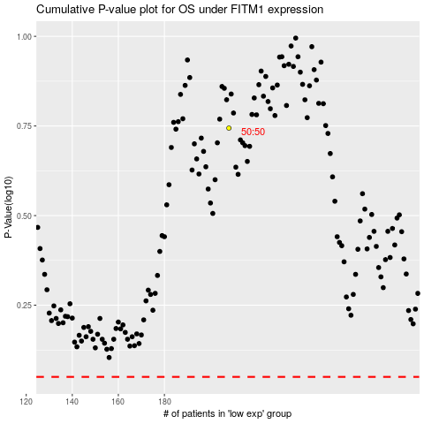

 |  |  |  |  |  | cases_OS | p_OS | rank | exp
 |  |  |  |  |  |  | cases_RFS | p_RFS | rank | exp

