FITM2 _multivariate
Reported by Tex Li-Hsing Chi. tex@gate.sinica.edu.tw 2019-08-19

Table 2. The clinicopathological features of HNSCC cohort and FITM2 expression. (Chi square test)
Cutoff at -0.233 (49.8%)
 |  | FITM2 expression |  | FITM2 expression |  | (Optimised)
 | Features | Low | (%) | High | (%) | Case no | P-value | Remark | Matthews
Gender | Female | 147 | 35.4 | 159 | 38.3 | 415 | 0.2523 | 0 | 0
2 | Male | 60 | 14.5 | 49 | 11.8
Age at diagnosis | <=65y | 135 | 32.5 | 139 | 33.5 | 415 | 0.8084 | 0 | 0
4 | >65y | 72 | 17.3 | 69 | 16.6
Clinical T Status | T1+T2 | 70 | 16.9 | 79 | 19 | 415 | 0.4343 | 0 | 0
6 | T3+T4 | 137 | 33 | 129 | 31.1
Clinical N Status | N0 | 107 | 25.8 | 109 | 26.3 | 415 | 0.9624 | 0 | 0
8 | N1-3 | 100 | 24.1 | 99 | 23.9
Clinical M Status | M0 | 204 | 49.2 | 208 | 50.1 | 415 | 0.1232 | 0 | 0
10 | M1 | 3 | 0.7 | 0 | 0
Clinical Stage | Stage I+II | 46 | 11.1 | 56 | 13.5 | 415 | 0.3182 | 0 | 0
12 | Stage III+IV | 161 | 38.8 | 152 | 36.6
Surgical Margin status | Negative | 161 | 38.8 | 157 | 37.8 | 415 | 0.6429 | 0 | 0
14 | Positive | 46 | 11.1 | 51 | 12.3
Tobacco Exposure | Low | 92 | 22.2 | 69 | 16.6 | 415 | 0.0206 | 1 | 0
16 | High | 115 | 27.7 | 139 | 33.5

Table 3. Univariate/Multivariate Cox's proportional hazards regression analyses on OS time of FITM2 gene expression in HNSCC

 |  | Univariate |  |  |  | Multivariate
 | Features | HR | CI95%(L) | CI95%(H) | P-value | HR | CI95%(L) | CI95%(H) | P-value
1 | Female | 1 |  |  |  | 1
Gender | Male | 1.157 | 0.843 | 1.587 | 0.367 | 1.218 | 0.872 | 1.701 | 0.247
11 | <=65y | 1 |  |  |  | 1
Age at diagnosis | >65y | 1.329 | 0.99 | 1.784 | 0.058 | 1.374 | 1.011 | 1.867 | 0.043
12 | T1+T2 | 1 |  |  |  | 1
Clinical T Status | T3+T4 | 1.409 | 1.028 | 1.931 | 0.033 | 2.216 | 1.173 | 4.187 | 0.014
13 | N0 | 1 |  |  |  | 1
Clinical N Status | N1-3 | 1.185 | 0.89 | 1.577 | 0.246 | 1.233 | 0.864 | 1.76 | 0.249
14 | M0 | 1 |  |  |  | 1
Clinical M Status | M1 | 4.097 | 1.009 | 16.644 | 0.049 | 10.471 | 2.263 | 48.458 | 0.003
15 | Stage I+II | 1 |  |  |  | 1
Clinical Stage | Stage III+IV | 1.245 | 0.882 | 1.759 | 0.213 | 0.514 | 0.24 | 1.103 | 0.088
16 | Negative | 1 |  |  |  | 1
Surgical Margin status | Positive | 1.591 | 1.155 | 2.191 | 0.004 | 1.672 | 1.21 | 2.31 | 0.002
17 | Low | 1 |  |  |  | 1
Tobacco Exposure | High | 1.364 | 1.008 | 1.844 | 0.044 | 1.438 | 1.044 | 1.981 | 0.026
18 | Low | 1 |  |  |  | 1
RNAseq(z-score) | High | 1.179 | 0.884 | 1.573 | 0.262 | 1.213 | 0.905 | 1.628 | 0.197

Table 4. Univariate/Multivariate Cox's proportional hazards regression analyses on RFS time of FITM2 gene expression in HNSCC

 |  | Univariate |  |  |  | Multivariate
 | Features | HR | CI95%(L) | CI95%(H) | P-value | HR | CI95%(L) | CI95%(H) | P-value
1 | Female | 1 |  |  |  | 1
Gender | Male | 1.157 | 0.843 | 1.587 | 0.367 | 1.218 | 0.872 | 1.701 | 0.247
11 | <=65y | 1 |  |  |  | 1
Age at diagnosis | >65y | 1.329 | 0.99 | 1.784 | 0.058 | 1.374 | 1.011 | 1.867 | 0.043
12 | T1+T2 | 1 |  |  |  | 1
Clinical T Status | T3+T4 | 1.409 | 1.028 | 1.931 | 0.033 | 2.216 | 1.173 | 4.187 | 0.014
13 | N0 | 1 |  |  |  | 1
Clinical N Status | N1-3 | 1.185 | 0.89 | 1.577 | 0.246 | 1.233 | 0.864 | 1.76 | 0.249
14 | M0 | 1 |  |  |  | 1
Clinical M Status | M1 | 4.097 | 1.009 | 16.644 | 0.049 | 10.471 | 2.263 | 48.458 | 0.003
15 | Stage I+II | 1 |  |  |  | 1
Clinical Stage | Stage III+IV | 1.245 | 0.882 | 1.759 | 0.213 | 0.514 | 0.24 | 1.103 | 0.088
16 | Negative | 1 |  |  |  | 1
Surgical Margin status | Positive | 1.591 | 1.155 | 2.191 | 0.004 | 1.672 | 1.21 | 2.31 | 0.002
17 | Low | 1 |  |  |  | 1
Tobacco Exposure | High | 1.364 | 1.008 | 1.844 | 0.044 | 1.438 | 1.044 | 1.981 | 0.026
18 | Low | 1 |  |  |  | 1
RNAseq(z-score) | High | 1.179 | 0.884 | 1.573 | 0.262 | 1.213 | 0.905 | 1.628 | 0.197

Kaplan-Meier survival estimate: Cutoff at -0.233 (49.8%)



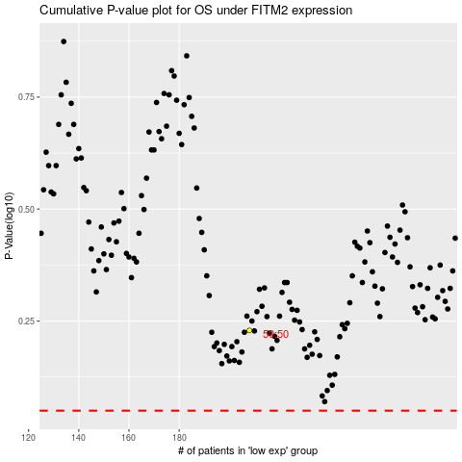

 |  |  |  |  |  | cases_OS | p_OS | rank | exp
 |  |  |  |  |  |  | cases_RFS | p_RFS | rank | exp

