FKBP10 _multivariate
Reported by Tex Li-Hsing Chi. tex@gate.sinica.edu.tw 2019-08-19

Table 2. The clinicopathological features of HNSCC cohort and FKBP10 expression. (Chi square test)
Cutoff at -0.238 (49.8%)
 |  | FKBP10 expression |  | FKBP10 expression |  | (Optimised)
 | Features | Low | (%) | High | (%) | Case no | P-value | Remark | Matthews
Gender | Female | 144 | 34.7 | 162 | 39 | 415 | 0.0697 | 0 | 0
2 | Male | 63 | 15.2 | 46 | 11.1
Age at diagnosis | <=65y | 133 | 32 | 141 | 34 | 415 | 0.5111 | 0 | 0
4 | >65y | 74 | 17.8 | 67 | 16.1
Clinical T Status | T1+T2 | 86 | 20.7 | 63 | 15.2 | 415 | 0.0221 | 1 | 0
6 | T3+T4 | 121 | 29.2 | 145 | 34.9
Clinical N Status | N0 | 114 | 27.5 | 102 | 24.6 | 415 | 0.2576 | 1 | 0
8 | N1-3 | 93 | 22.4 | 106 | 25.5
Clinical M Status | M0 | 205 | 49.4 | 207 | 49.9 | 415 | 0.6232 | 0 | 0
10 | M1 | 2 | 0.5 | 1 | 0.2
Clinical Stage | Stage I+II | 57 | 13.7 | 45 | 10.8 | 415 | 0.1998 | 0 | 0
12 | Stage III+IV | 150 | 36.1 | 163 | 39.3
Surgical Margin status | Negative | 157 | 37.8 | 161 | 38.8 | 415 | 0.729 | 0 | 0
14 | Positive | 50 | 12 | 47 | 11.3
Tobacco Exposure | Low | 103 | 24.8 | 58 | 14 | 415 | 0 | 1 | 0
16 | High | 104 | 25.1 | 150 | 36.1

Table 3. Univariate/Multivariate Cox's proportional hazards regression analyses on OS time of FKBP10 gene expression in HNSCC

 |  | Univariate |  |  |  | Multivariate
 | Features | HR | CI95%(L) | CI95%(H) | P-value | HR | CI95%(L) | CI95%(H) | P-value
1 | Female | 1 |  |  |  | 1
Gender | Male | 1.157 | 0.843 | 1.587 | 0.367 | 1.21 | 0.866 | 1.691 | 0.264
11 | <=65y | 1 |  |  |  | 1
Age at diagnosis | >65y | 1.329 | 0.99 | 1.784 | 0.058 | 1.407 | 1.034 | 1.915 | 0.03
12 | T1+T2 | 1 |  |  |  | 1
Clinical T Status | T3+T4 | 1.409 | 1.028 | 1.931 | 0.033 | 2.142 | 1.13 | 4.06 | 0.02
13 | N0 | 1 |  |  |  | 1
Clinical N Status | N1-3 | 1.185 | 0.89 | 1.577 | 0.246 | 1.236 | 0.866 | 1.764 | 0.244
14 | M0 | 1 |  |  |  | 1
Clinical M Status | M1 | 4.097 | 1.009 | 16.644 | 0.049 | 9.348 | 2.039 | 42.857 | 0.004
15 | Stage I+II | 1 |  |  |  | 1
Clinical Stage | Stage III+IV | 1.245 | 0.882 | 1.759 | 0.213 | 0.51 | 0.238 | 1.095 | 0.084
16 | Negative | 1 |  |  |  | 1
Surgical Margin status | Positive | 1.591 | 1.155 | 2.191 | 0.004 | 1.671 | 1.21 | 2.31 | 0.002
17 | Low | 1 |  |  |  | 1
Tobacco Exposure | High | 1.364 | 1.008 | 1.844 | 0.044 | 1.41 | 1.017 | 1.955 | 0.039
18 | Low | 1 |  |  |  | 1
RNAseq(z-score) | High | 1.242 | 0.929 | 1.659 | 0.143 | 1.156 | 0.853 | 1.566 | 0.349

Table 4. Univariate/Multivariate Cox's proportional hazards regression analyses on RFS time of FKBP10 gene expression in HNSCC

 |  | Univariate |  |  |  | Multivariate
 | Features | HR | CI95%(L) | CI95%(H) | P-value | HR | CI95%(L) | CI95%(H) | P-value
1 | Female | 1 |  |  |  | 1
Gender | Male | 1.157 | 0.843 | 1.587 | 0.367 | 1.21 | 0.866 | 1.691 | 0.264
11 | <=65y | 1 |  |  |  | 1
Age at diagnosis | >65y | 1.329 | 0.99 | 1.784 | 0.058 | 1.407 | 1.034 | 1.915 | 0.03
12 | T1+T2 | 1 |  |  |  | 1
Clinical T Status | T3+T4 | 1.409 | 1.028 | 1.931 | 0.033 | 2.142 | 1.13 | 4.06 | 0.02
13 | N0 | 1 |  |  |  | 1
Clinical N Status | N1-3 | 1.185 | 0.89 | 1.577 | 0.246 | 1.236 | 0.866 | 1.764 | 0.244
14 | M0 | 1 |  |  |  | 1
Clinical M Status | M1 | 4.097 | 1.009 | 16.644 | 0.049 | 9.348 | 2.039 | 42.857 | 0.004
15 | Stage I+II | 1 |  |  |  | 1
Clinical Stage | Stage III+IV | 1.245 | 0.882 | 1.759 | 0.213 | 0.51 | 0.238 | 1.095 | 0.084
16 | Negative | 1 |  |  |  | 1
Surgical Margin status | Positive | 1.591 | 1.155 | 2.191 | 0.004 | 1.671 | 1.21 | 2.31 | 0.002
17 | Low | 1 |  |  |  | 1
Tobacco Exposure | High | 1.364 | 1.008 | 1.844 | 0.044 | 1.41 | 1.017 | 1.955 | 0.039
18 | Low | 1 |  |  |  | 1
RNAseq(z-score) | High | 1.242 | 0.929 | 1.659 | 0.143 | 1.156 | 0.853 | 1.566 | 0.349

Kaplan-Meier survival estimate: Cutoff at -0.238 (49.8%)



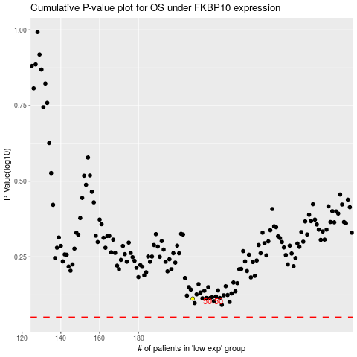

 |  |  |  |  |  | cases_OS | p_OS | rank | exp
 |  |  |  |  |  |  | cases_RFS | p_RFS | rank | exp

