FKBP11 _multivariate
Reported by Tex Li-Hsing Chi. tex@gate.sinica.edu.tw 2019-08-19

Table 2. The clinicopathological features of HNSCC cohort and FKBP11 expression. (Chi square test)
Cutoff at -0.268 (49.8%)
 |  | FKBP11 expression |  | FKBP11 expression |  | (Optimised)
 | Features | Low | (%) | High | (%) | Case no | P-value | Remark | Matthews
Gender | Female | 151 | 36.4 | 155 | 37.3 | 415 | 0.8007 | 0 | 0
2 | Male | 56 | 13.5 | 53 | 12.8
Age at diagnosis | <=65y | 146 | 35.2 | 128 | 30.8 | 415 | 0.0672 | 0 | 0
4 | >65y | 61 | 14.7 | 80 | 19.3
Clinical T Status | T1+T2 | 78 | 18.8 | 71 | 17.1 | 415 | 0.5152 | 0 | 0
6 | T3+T4 | 129 | 31.1 | 137 | 33
Clinical N Status | N0 | 113 | 27.2 | 103 | 24.8 | 415 | 0.3495 | 1 | 0
8 | N1-3 | 94 | 22.7 | 105 | 25.3
Clinical M Status | M0 | 206 | 49.6 | 206 | 49.6 | 415 | 1 | 0 | 0
10 | M1 | 1 | 0.2 | 2 | 0.5
Clinical Stage | Stage I+II | 54 | 13 | 48 | 11.6 | 415 | 0.5498 | 0 | 0
12 | Stage III+IV | 153 | 36.9 | 160 | 38.6
Surgical Margin status | Negative | 164 | 39.5 | 154 | 37.1 | 415 | 0.2462 | 0 | 0
14 | Positive | 43 | 10.4 | 54 | 13
Tobacco Exposure | Low | 87 | 21 | 74 | 17.8 | 415 | 0.1911 | 0 | 0
16 | High | 120 | 28.9 | 134 | 32.3

Table 3. Univariate/Multivariate Cox's proportional hazards regression analyses on OS time of FKBP11 gene expression in HNSCC

 |  | Univariate |  |  |  | Multivariate
 | Features | HR | CI95%(L) | CI95%(H) | P-value | HR | CI95%(L) | CI95%(H) | P-value
1 | Female | 1 |  |  |  | 1
Gender | Male | 1.157 | 0.843 | 1.587 | 0.367 | 1.23 | 0.88 | 1.719 | 0.226
11 | <=65y | 1 |  |  |  | 1
Age at diagnosis | >65y | 1.329 | 0.99 | 1.784 | 0.058 | 1.428 | 1.048 | 1.944 | 0.024
12 | T1+T2 | 1 |  |  |  | 1
Clinical T Status | T3+T4 | 1.409 | 1.028 | 1.931 | 0.033 | 2.258 | 1.192 | 4.276 | 0.012
13 | N0 | 1 |  |  |  | 1
Clinical N Status | N1-3 | 1.185 | 0.89 | 1.577 | 0.246 | 1.271 | 0.889 | 1.815 | 0.188
14 | M0 | 1 |  |  |  | 1
Clinical M Status | M1 | 4.097 | 1.009 | 16.644 | 0.049 | 9.866 | 2.148 | 45.31 | 0.003
15 | Stage I+II | 1 |  |  |  | 1
Clinical Stage | Stage III+IV | 1.245 | 0.882 | 1.759 | 0.213 | 0.488 | 0.227 | 1.05 | 0.066
16 | Negative | 1 |  |  |  | 1
Surgical Margin status | Positive | 1.591 | 1.155 | 2.191 | 0.004 | 1.699 | 1.228 | 2.35 | 0.001
17 | Low | 1 |  |  |  | 1
Tobacco Exposure | High | 1.364 | 1.008 | 1.844 | 0.044 | 1.475 | 1.07 | 2.033 | 0.018
18 | Low | 1 |  |  |  | 1
RNAseq(z-score) | High | 0.921 | 0.692 | 1.227 | 0.575 | 0.809 | 0.604 | 1.084 | 0.156

Table 4. Univariate/Multivariate Cox's proportional hazards regression analyses on RFS time of FKBP11 gene expression in HNSCC

 |  | Univariate |  |  |  | Multivariate
 | Features | HR | CI95%(L) | CI95%(H) | P-value | HR | CI95%(L) | CI95%(H) | P-value
1 | Female | 1 |  |  |  | 1
Gender | Male | 1.157 | 0.843 | 1.587 | 0.367 | 1.23 | 0.88 | 1.719 | 0.226
11 | <=65y | 1 |  |  |  | 1
Age at diagnosis | >65y | 1.329 | 0.99 | 1.784 | 0.058 | 1.428 | 1.048 | 1.944 | 0.024
12 | T1+T2 | 1 |  |  |  | 1
Clinical T Status | T3+T4 | 1.409 | 1.028 | 1.931 | 0.033 | 2.258 | 1.192 | 4.276 | 0.012
13 | N0 | 1 |  |  |  | 1
Clinical N Status | N1-3 | 1.185 | 0.89 | 1.577 | 0.246 | 1.271 | 0.889 | 1.815 | 0.188
14 | M0 | 1 |  |  |  | 1
Clinical M Status | M1 | 4.097 | 1.009 | 16.644 | 0.049 | 9.866 | 2.148 | 45.31 | 0.003
15 | Stage I+II | 1 |  |  |  | 1
Clinical Stage | Stage III+IV | 1.245 | 0.882 | 1.759 | 0.213 | 0.488 | 0.227 | 1.05 | 0.066
16 | Negative | 1 |  |  |  | 1
Surgical Margin status | Positive | 1.591 | 1.155 | 2.191 | 0.004 | 1.699 | 1.228 | 2.35 | 0.001
17 | Low | 1 |  |  |  | 1
Tobacco Exposure | High | 1.364 | 1.008 | 1.844 | 0.044 | 1.475 | 1.07 | 2.033 | 0.018
18 | Low | 1 |  |  |  | 1
RNAseq(z-score) | High | 0.921 | 0.692 | 1.227 | 0.575 | 0.809 | 0.604 | 1.084 | 0.156

Kaplan-Meier survival estimate: Cutoff at -0.268 (49.8%)



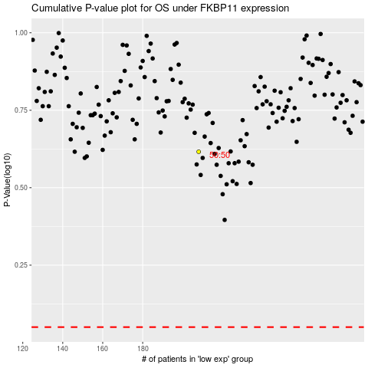

 |  |  |  |  |  | cases_OS | p_OS | rank | exp
 |  |  |  |  |  |  | cases_RFS | p_RFS | rank | exp

