FKBP5 _multivariate
Reported by Tex Li-Hsing Chi. tex@gate.sinica.edu.tw 2019-08-19

Table 2. The clinicopathological features of HNSCC cohort and FKBP5 expression. (Chi square test)
Cutoff at -0.325 (50.0%)
 |  | FKBP5 expression |  | FKBP5 expression |  | (Optimised)
 | Features | Low | (%) | High | (%) | Case no | P-value | Remark | Matthews
Gender | Female | 158 | 38.1 | 148 | 35.7 | 415 | 0.2774 | 0 | 0
2 | Male | 49 | 11.8 | 60 | 14.5
Age at diagnosis | <=65y | 136 | 32.8 | 138 | 33.3 | 415 | 0.9719 | 0 | 0
4 | >65y | 71 | 17.1 | 70 | 16.9
Clinical T Status | T1+T2 | 85 | 20.5 | 64 | 15.4 | 415 | 0.0372 | 1 | 0
6 | T3+T4 | 122 | 29.4 | 144 | 34.7
Clinical N Status | N0 | 112 | 27 | 104 | 25.1 | 415 | 0.4599 | 0 | 0
8 | N1-3 | 95 | 22.9 | 104 | 25.1
Clinical M Status | M0 | 204 | 49.2 | 208 | 50.1 | 415 | 0.1232 | 0 | 0
10 | M1 | 3 | 0.7 | 0 | 0
Clinical Stage | Stage I+II | 61 | 14.7 | 41 | 9.9 | 415 | 0.0282 | 1 | 0
12 | Stage III+IV | 146 | 35.2 | 167 | 40.2
Surgical Margin status | Negative | 157 | 37.8 | 161 | 38.8 | 415 | 0.729 | 0 | 0
14 | Positive | 50 | 12 | 47 | 11.3
Tobacco Exposure | Low | 80 | 19.3 | 81 | 19.5 | 415 | 1 | 0 | 0
16 | High | 127 | 30.6 | 127 | 30.6

Table 3. Univariate/Multivariate Cox's proportional hazards regression analyses on OS time of FKBP5 gene expression in HNSCC

 |  | Univariate |  |  |  | Multivariate
 | Features | HR | CI95%(L) | CI95%(H) | P-value | HR | CI95%(L) | CI95%(H) | P-value
1 | Female | 1 |  |  |  | 1
Gender | Male | 1.157 | 0.843 | 1.587 | 0.367 | 1.209 | 0.865 | 1.689 | 0.266
11 | <=65y | 1 |  |  |  | 1
Age at diagnosis | >65y | 1.329 | 0.99 | 1.784 | 0.058 | 1.41 | 1.036 | 1.919 | 0.029
12 | T1+T2 | 1 |  |  |  | 1
Clinical T Status | T3+T4 | 1.409 | 1.028 | 1.931 | 0.033 | 2.218 | 1.173 | 4.194 | 0.014
13 | N0 | 1 |  |  |  | 1
Clinical N Status | N1-3 | 1.185 | 0.89 | 1.577 | 0.246 | 1.25 | 0.876 | 1.784 | 0.219
14 | M0 | 1 |  |  |  | 1
Clinical M Status | M1 | 4.097 | 1.009 | 16.644 | 0.049 | 10.496 | 2.264 | 48.653 | 0.003
15 | Stage I+II | 1 |  |  |  | 1
Clinical Stage | Stage III+IV | 1.245 | 0.882 | 1.759 | 0.213 | 0.487 | 0.226 | 1.049 | 0.066
16 | Negative | 1 |  |  |  | 1
Surgical Margin status | Positive | 1.591 | 1.155 | 2.191 | 0.004 | 1.68 | 1.216 | 2.322 | 0.002
17 | Low | 1 |  |  |  | 1
Tobacco Exposure | High | 1.364 | 1.008 | 1.844 | 0.044 | 1.49 | 1.078 | 2.06 | 0.016
18 | Low | 1 |  |  |  | 1
RNAseq(z-score) | High | 1.122 | 0.842 | 1.495 | 0.434 | 1.2 | 0.895 | 1.609 | 0.224

Table 4. Univariate/Multivariate Cox's proportional hazards regression analyses on RFS time of FKBP5 gene expression in HNSCC

 |  | Univariate |  |  |  | Multivariate
 | Features | HR | CI95%(L) | CI95%(H) | P-value | HR | CI95%(L) | CI95%(H) | P-value
1 | Female | 1 |  |  |  | 1
Gender | Male | 1.157 | 0.843 | 1.587 | 0.367 | 1.209 | 0.865 | 1.689 | 0.266
11 | <=65y | 1 |  |  |  | 1
Age at diagnosis | >65y | 1.329 | 0.99 | 1.784 | 0.058 | 1.41 | 1.036 | 1.919 | 0.029
12 | T1+T2 | 1 |  |  |  | 1
Clinical T Status | T3+T4 | 1.409 | 1.028 | 1.931 | 0.033 | 2.218 | 1.173 | 4.194 | 0.014
13 | N0 | 1 |  |  |  | 1
Clinical N Status | N1-3 | 1.185 | 0.89 | 1.577 | 0.246 | 1.25 | 0.876 | 1.784 | 0.219
14 | M0 | 1 |  |  |  | 1
Clinical M Status | M1 | 4.097 | 1.009 | 16.644 | 0.049 | 10.496 | 2.264 | 48.653 | 0.003
15 | Stage I+II | 1 |  |  |  | 1
Clinical Stage | Stage III+IV | 1.245 | 0.882 | 1.759 | 0.213 | 0.487 | 0.226 | 1.049 | 0.066
16 | Negative | 1 |  |  |  | 1
Surgical Margin status | Positive | 1.591 | 1.155 | 2.191 | 0.004 | 1.68 | 1.216 | 2.322 | 0.002
17 | Low | 1 |  |  |  | 1
Tobacco Exposure | High | 1.364 | 1.008 | 1.844 | 0.044 | 1.49 | 1.078 | 2.06 | 0.016
18 | Low | 1 |  |  |  | 1
RNAseq(z-score) | High | 1.122 | 0.842 | 1.495 | 0.434 | 1.2 | 0.895 | 1.609 | 0.224

Kaplan-Meier survival estimate: Cutoff at -0.325 (50.0%)



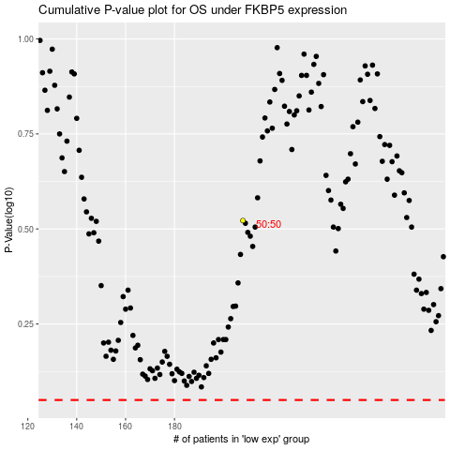

 |  |  |  |  |  | cases_OS | p_OS | rank | exp
 |  |  |  |  |  |  | cases_RFS | p_RFS | rank | exp

