FKBP6 _multivariate
Reported by Tex Li-Hsing Chi. tex@gate.sinica.edu.tw 2019-08-19

Table 2. The clinicopathological features of HNSCC cohort and FKBP6 expression. (Chi square test)
Cutoff at -0.386 (49.8%)
 |  | FKBP6 expression |  | FKBP6 expression |  | (Optimised)
 | Features | Low | (%) | High | (%) | Case no | P-value | Remark | Matthews
Gender | Female | 142 | 34.2 | 164 | 39.5 | 415 | 0.0238 | 1 | 0
2 | Male | 65 | 15.7 | 44 | 10.6
Age at diagnosis | <=65y | 132 | 31.8 | 142 | 34.2 | 415 | 0.3874 | 0 | 0
4 | >65y | 75 | 18.1 | 66 | 15.9
Clinical T Status | T1+T2 | 71 | 17.1 | 78 | 18.8 | 415 | 0.5638 | 0 | 0
6 | T3+T4 | 136 | 32.8 | 130 | 31.3
Clinical N Status | N0 | 105 | 25.3 | 111 | 26.7 | 415 | 0.6598 | 0 | 0
8 | N1-3 | 102 | 24.6 | 97 | 23.4
Clinical M Status | M0 | 205 | 49.4 | 207 | 49.9 | 415 | 0.6232 | 0 | 0
10 | M1 | 2 | 0.5 | 1 | 0.2
Clinical Stage | Stage I+II | 53 | 12.8 | 49 | 11.8 | 415 | 0.7113 | 0 | 0
12 | Stage III+IV | 154 | 37.1 | 159 | 38.3
Surgical Margin status | Negative | 165 | 39.8 | 153 | 36.9 | 415 | 0.1639 | 0 | 0
14 | Positive | 42 | 10.1 | 55 | 13.3
Tobacco Exposure | Low | 94 | 22.7 | 67 | 16.1 | 415 | 0.0065 | 1 | 0
16 | High | 113 | 27.2 | 141 | 34

Table 3. Univariate/Multivariate Cox's proportional hazards regression analyses on OS time of FKBP6 gene expression in HNSCC

 |  | Univariate |  |  |  | Multivariate
 | Features | HR | CI95%(L) | CI95%(H) | P-value | HR | CI95%(L) | CI95%(H) | P-value
1 | Female | 1 |  |  |  | 1
Gender | Male | 1.157 | 0.843 | 1.587 | 0.367 | 1.181 | 0.845 | 1.65 | 0.331
11 | <=65y | 1 |  |  |  | 1
Age at diagnosis | >65y | 1.329 | 0.99 | 1.784 | 0.058 | 1.391 | 1.023 | 1.891 | 0.035
12 | T1+T2 | 1 |  |  |  | 1
Clinical T Status | T3+T4 | 1.409 | 1.028 | 1.931 | 0.033 | 2.118 | 1.116 | 4.02 | 0.022
13 | N0 | 1 |  |  |  | 1
Clinical N Status | N1-3 | 1.185 | 0.89 | 1.577 | 0.246 | 1.22 | 0.855 | 1.742 | 0.273
14 | M0 | 1 |  |  |  | 1
Clinical M Status | M1 | 4.097 | 1.009 | 16.644 | 0.049 | 8.918 | 1.941 | 40.978 | 0.005
15 | Stage I+II | 1 |  |  |  | 1
Clinical Stage | Stage III+IV | 1.245 | 0.882 | 1.759 | 0.213 | 0.535 | 0.248 | 1.154 | 0.111
16 | Negative | 1 |  |  |  | 1
Surgical Margin status | Positive | 1.591 | 1.155 | 2.191 | 0.004 | 1.72 | 1.241 | 2.383 | 0.001
17 | Low | 1 |  |  |  | 1
Tobacco Exposure | High | 1.364 | 1.008 | 1.844 | 0.044 | 1.49 | 1.079 | 2.058 | 0.015
18 | Low | 1 |  |  |  | 1
RNAseq(z-score) | High | 0.862 | 0.644 | 1.152 | 0.315 | 0.822 | 0.609 | 1.111 | 0.202

Table 4. Univariate/Multivariate Cox's proportional hazards regression analyses on RFS time of FKBP6 gene expression in HNSCC

 |  | Univariate |  |  |  | Multivariate
 | Features | HR | CI95%(L) | CI95%(H) | P-value | HR | CI95%(L) | CI95%(H) | P-value
1 | Female | 1 |  |  |  | 1
Gender | Male | 1.157 | 0.843 | 1.587 | 0.367 | 1.181 | 0.845 | 1.65 | 0.331
11 | <=65y | 1 |  |  |  | 1
Age at diagnosis | >65y | 1.329 | 0.99 | 1.784 | 0.058 | 1.391 | 1.023 | 1.891 | 0.035
12 | T1+T2 | 1 |  |  |  | 1
Clinical T Status | T3+T4 | 1.409 | 1.028 | 1.931 | 0.033 | 2.118 | 1.116 | 4.02 | 0.022
13 | N0 | 1 |  |  |  | 1
Clinical N Status | N1-3 | 1.185 | 0.89 | 1.577 | 0.246 | 1.22 | 0.855 | 1.742 | 0.273
14 | M0 | 1 |  |  |  | 1
Clinical M Status | M1 | 4.097 | 1.009 | 16.644 | 0.049 | 8.918 | 1.941 | 40.978 | 0.005
15 | Stage I+II | 1 |  |  |  | 1
Clinical Stage | Stage III+IV | 1.245 | 0.882 | 1.759 | 0.213 | 0.535 | 0.248 | 1.154 | 0.111
16 | Negative | 1 |  |  |  | 1
Surgical Margin status | Positive | 1.591 | 1.155 | 2.191 | 0.004 | 1.72 | 1.241 | 2.383 | 0.001
17 | Low | 1 |  |  |  | 1
Tobacco Exposure | High | 1.364 | 1.008 | 1.844 | 0.044 | 1.49 | 1.079 | 2.058 | 0.015
18 | Low | 1 |  |  |  | 1
RNAseq(z-score) | High | 0.862 | 0.644 | 1.152 | 0.315 | 0.822 | 0.609 | 1.111 | 0.202

Kaplan-Meier survival estimate: Cutoff at -0.386 (49.8%)



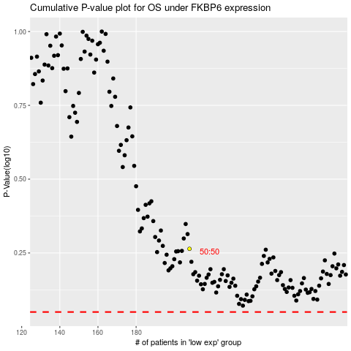

 |  |  |  |  |  | cases_OS | p_OS | rank | exp
 |  |  |  |  |  |  | cases_RFS | p_RFS | rank | exp

