FKBP8 _multivariate
Reported by Tex Li-Hsing Chi. tex@gate.sinica.edu.tw 2019-08-19

Table 2. The clinicopathological features of HNSCC cohort and FKBP8 expression. (Chi square test)
Cutoff at 0.103 (69.3%)
 |  | FKBP8 expression |  | FKBP8 expression |  | (Optimised)
 | Features | Low | (%) | High | (%) | Case no | P-value | Remark | Matthews
Gender | Female | 211 | 50.8 | 95 | 22.9 | 415 | 0.8357 | 0 | 0
2 | Male | 77 | 18.6 | 32 | 7.7
Age at diagnosis | <=65y | 191 | 46 | 83 | 20 | 415 | 0.9372 | 0 | 0
4 | >65y | 97 | 23.4 | 44 | 10.6
Clinical T Status | T1+T2 | 102 | 24.6 | 47 | 11.3 | 415 | 0.8412 | 0 | 0
6 | T3+T4 | 186 | 44.8 | 80 | 19.3
Clinical N Status | N0 | 149 | 35.9 | 67 | 16.1 | 415 | 0.9322 | 0 | 0
8 | N1-3 | 139 | 33.5 | 60 | 14.5
Clinical M Status | M0 | 287 | 69.2 | 125 | 30.1 | 415 | 0.223 | 0 | 0
10 | M1 | 1 | 0.2 | 2 | 0.5
Clinical Stage | Stage I+II | 68 | 16.4 | 34 | 8.2 | 415 | 0.5718 | 0 | 0
12 | Stage III+IV | 220 | 53 | 93 | 22.4
Surgical Margin status | Negative | 216 | 52 | 102 | 24.6 | 415 | 0.2593 | 0 | 0
14 | Positive | 72 | 17.3 | 25 | 6
Tobacco Exposure | Low | 107 | 25.8 | 54 | 13 | 415 | 0.3259 | 0 | 0
16 | High | 181 | 43.6 | 73 | 17.6

Table 3. Univariate/Multivariate Cox's proportional hazards regression analyses on OS time of FKBP8 gene expression in HNSCC

 |  | Univariate |  |  |  | Multivariate
 | Features | HR | CI95%(L) | CI95%(H) | P-value | HR | CI95%(L) | CI95%(H) | P-value
1 | Female | 1 |  |  |  | 1
Gender | Male | 1.157 | 0.843 | 1.587 | 0.367 | 1.185 | 0.849 | 1.654 | 0.319
11 | <=65y | 1 |  |  |  | 1
Age at diagnosis | >65y | 1.329 | 0.99 | 1.784 | 0.058 | 1.392 | 1.023 | 1.894 | 0.035
12 | T1+T2 | 1 |  |  |  | 1
Clinical T Status | T3+T4 | 1.409 | 1.028 | 1.931 | 0.033 | 2.281 | 1.204 | 4.321 | 0.011
13 | N0 | 1 |  |  |  | 1
Clinical N Status | N1-3 | 1.185 | 0.89 | 1.577 | 0.246 | 1.283 | 0.898 | 1.835 | 0.171
14 | M0 | 1 |  |  |  | 1
Clinical M Status | M1 | 4.097 | 1.009 | 16.644 | 0.049 | 11.699 | 2.523 | 54.25 | 0.002
15 | Stage I+II | 1 |  |  |  | 1
Clinical Stage | Stage III+IV | 1.245 | 0.882 | 1.759 | 0.213 | 0.467 | 0.217 | 1.006 | 0.052
16 | Negative | 1 |  |  |  | 1
Surgical Margin status | Positive | 1.591 | 1.155 | 2.191 | 0.004 | 1.648 | 1.192 | 2.279 | 0.002
17 | Low | 1 |  |  |  | 1
Tobacco Exposure | High | 1.364 | 1.008 | 1.844 | 0.044 | 1.477 | 1.072 | 2.033 | 0.017
18 | Low | 1 |  |  |  | 1
RNAseq(z-score) | High | 0.705 | 0.51 | 0.975 | 0.035 | 0.676 | 0.485 | 0.941 | 0.02

Table 4. Univariate/Multivariate Cox's proportional hazards regression analyses on RFS time of FKBP8 gene expression in HNSCC

 |  | Univariate |  |  |  | Multivariate
 | Features | HR | CI95%(L) | CI95%(H) | P-value | HR | CI95%(L) | CI95%(H) | P-value
1 | Female | 1 |  |  |  | 1
Gender | Male | 1.157 | 0.843 | 1.587 | 0.367 | 1.185 | 0.849 | 1.654 | 0.319
11 | <=65y | 1 |  |  |  | 1
Age at diagnosis | >65y | 1.329 | 0.99 | 1.784 | 0.058 | 1.392 | 1.023 | 1.894 | 0.035
12 | T1+T2 | 1 |  |  |  | 1
Clinical T Status | T3+T4 | 1.409 | 1.028 | 1.931 | 0.033 | 2.281 | 1.204 | 4.321 | 0.011
13 | N0 | 1 |  |  |  | 1
Clinical N Status | N1-3 | 1.185 | 0.89 | 1.577 | 0.246 | 1.283 | 0.898 | 1.835 | 0.171
14 | M0 | 1 |  |  |  | 1
Clinical M Status | M1 | 4.097 | 1.009 | 16.644 | 0.049 | 11.699 | 2.523 | 54.25 | 0.002
15 | Stage I+II | 1 |  |  |  | 1
Clinical Stage | Stage III+IV | 1.245 | 0.882 | 1.759 | 0.213 | 0.467 | 0.217 | 1.006 | 0.052
16 | Negative | 1 |  |  |  | 1
Surgical Margin status | Positive | 1.591 | 1.155 | 2.191 | 0.004 | 1.648 | 1.192 | 2.279 | 0.002
17 | Low | 1 |  |  |  | 1
Tobacco Exposure | High | 1.364 | 1.008 | 1.844 | 0.044 | 1.477 | 1.072 | 2.033 | 0.017
18 | Low | 1 |  |  |  | 1
RNAseq(z-score) | High | 0.705 | 0.51 | 0.975 | 0.035 | 0.676 | 0.485 | 0.941 | 0.02

Kaplan-Meier survival estimate: Cutoff at 0.103 (69.3%)



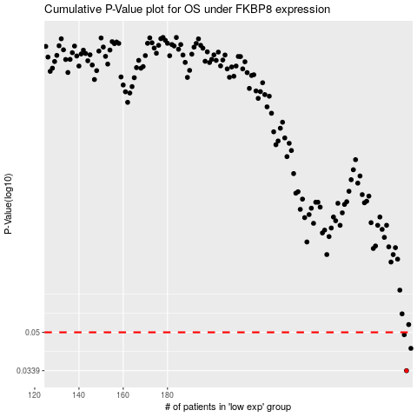

 |  |  |  |  |  | cases_OS | p_OS | rank | exp
 |  |  |  |  |  | 288 | 0.0339 | 182 | 0.10324759928
 |  |  |  |  |  | 290 | 0.0425 | 272 | 0.10682197295
 |  |  |  |  |  | 287 | 0.0488 | 198 | 0.098053948524
 |  |  |  |  |  |  | cases_RFS | p_RFS | rank | exp
 |  |  |  |  |  |  | 287 | 0.0339 | 198 | 0.098053948524
 |  |  |  |  |  |  | 289 | 0.0425 | 180 | 0.10431606375
 |  |  |  |  |  |  | 286 | 0.0488 | 90 | 0.09760306805

