FKBP9 _multivariate
Reported by Tex Li-Hsing Chi. tex@gate.sinica.edu.tw 2019-08-19

Table 2. The clinicopathological features of HNSCC cohort and FKBP9 expression. (Chi square test)
Cutoff at -0.439 (30.2%)
 |  | FKBP9 expression |  | FKBP9 expression |  | (Optimised)
 | Features | Low | (%) | High | (%) | Case no | P-value | Remark | Matthews
Gender | Female | 98 | 23.6 | 208 | 50.1 | 415 | 0.1949 | 0 | 0
2 | Male | 27 | 6.5 | 82 | 19.8
Age at diagnosis | <=65y | 91 | 21.9 | 183 | 44.1 | 415 | 0.0718 | 0 | 0
4 | >65y | 34 | 8.2 | 107 | 25.8
Clinical T Status | T1+T2 | 50 | 12 | 99 | 23.9 | 415 | 0.3027 | 0 | 0
6 | T3+T4 | 75 | 18.1 | 191 | 46
Clinical N Status | N0 | 59 | 14.2 | 157 | 37.8 | 415 | 0.2337 | 0 | 0
8 | N1-3 | 66 | 15.9 | 133 | 32
Clinical M Status | M0 | 124 | 29.9 | 288 | 69.4 | 415 | 1 | 0 | 0
10 | M1 | 1 | 0.2 | 2 | 0.5
Clinical Stage | Stage I+II | 24 | 5.8 | 78 | 18.8 | 415 | 0.122 | 0 | 0
12 | Stage III+IV | 101 | 24.3 | 212 | 51.1
Surgical Margin status | Negative | 93 | 22.4 | 225 | 54.2 | 415 | 0.5276 | 0 | 0
14 | Positive | 32 | 7.7 | 65 | 15.7
Tobacco Exposure | Low | 50 | 12 | 111 | 26.7 | 415 | 0.7432 | 0 | 0
16 | High | 75 | 18.1 | 179 | 43.1

Table 3. Univariate/Multivariate Cox's proportional hazards regression analyses on OS time of FKBP9 gene expression in HNSCC

 |  | Univariate |  |  |  | Multivariate
 | Features | HR | CI95%(L) | CI95%(H) | P-value | HR | CI95%(L) | CI95%(H) | P-value
1 | Female | 1 |  |  |  | 1
Gender | Male | 1.157 | 0.843 | 1.587 | 0.367 | 1.214 | 0.869 | 1.696 | 0.255
11 | <=65y | 1 |  |  |  | 1
Age at diagnosis | >65y | 1.329 | 0.99 | 1.784 | 0.058 | 1.364 | 1.002 | 1.857 | 0.049
12 | T1+T2 | 1 |  |  |  | 1
Clinical T Status | T3+T4 | 1.409 | 1.028 | 1.931 | 0.033 | 1.963 | 1.029 | 3.743 | 0.041
13 | N0 | 1 |  |  |  | 1
Clinical N Status | N1-3 | 1.185 | 0.89 | 1.577 | 0.246 | 1.23 | 0.861 | 1.757 | 0.255
14 | M0 | 1 |  |  |  | 1
Clinical M Status | M1 | 4.097 | 1.009 | 16.644 | 0.049 | 8.209 | 1.782 | 37.82 | 0.007
15 | Stage I+II | 1 |  |  |  | 1
Clinical Stage | Stage III+IV | 1.245 | 0.882 | 1.759 | 0.213 | 0.576 | 0.266 | 1.248 | 0.162
16 | Negative | 1 |  |  |  | 1
Surgical Margin status | Positive | 1.591 | 1.155 | 2.191 | 0.004 | 1.712 | 1.237 | 2.368 | 0.001
17 | Low | 1 |  |  |  | 1
Tobacco Exposure | High | 1.364 | 1.008 | 1.844 | 0.044 | 1.436 | 1.041 | 1.981 | 0.027
18 | Low | 1 |  |  |  | 1
RNAseq(z-score) | High | 1.506 | 1.082 | 2.097 | 0.015 | 1.443 | 1.028 | 2.024 | 0.034

Table 4. Univariate/Multivariate Cox's proportional hazards regression analyses on RFS time of FKBP9 gene expression in HNSCC

 |  | Univariate |  |  |  | Multivariate
 | Features | HR | CI95%(L) | CI95%(H) | P-value | HR | CI95%(L) | CI95%(H) | P-value
1 | Female | 1 |  |  |  | 1
Gender | Male | 1.157 | 0.843 | 1.587 | 0.367 | 1.214 | 0.869 | 1.696 | 0.255
11 | <=65y | 1 |  |  |  | 1
Age at diagnosis | >65y | 1.329 | 0.99 | 1.784 | 0.058 | 1.364 | 1.002 | 1.857 | 0.049
12 | T1+T2 | 1 |  |  |  | 1
Clinical T Status | T3+T4 | 1.409 | 1.028 | 1.931 | 0.033 | 1.963 | 1.029 | 3.743 | 0.041
13 | N0 | 1 |  |  |  | 1
Clinical N Status | N1-3 | 1.185 | 0.89 | 1.577 | 0.246 | 1.23 | 0.861 | 1.757 | 0.255
14 | M0 | 1 |  |  |  | 1
Clinical M Status | M1 | 4.097 | 1.009 | 16.644 | 0.049 | 8.209 | 1.782 | 37.82 | 0.007
15 | Stage I+II | 1 |  |  |  | 1
Clinical Stage | Stage III+IV | 1.245 | 0.882 | 1.759 | 0.213 | 0.576 | 0.266 | 1.248 | 0.162
16 | Negative | 1 |  |  |  | 1
Surgical Margin status | Positive | 1.591 | 1.155 | 2.191 | 0.004 | 1.712 | 1.237 | 2.368 | 0.001
17 | Low | 1 |  |  |  | 1
Tobacco Exposure | High | 1.364 | 1.008 | 1.844 | 0.044 | 1.436 | 1.041 | 1.981 | 0.027
18 | Low | 1 |  |  |  | 1
RNAseq(z-score) | High | 1.506 | 1.082 | 2.097 | 0.015 | 1.443 | 1.028 | 2.024 | 0.034

Kaplan-Meier survival estimate: Cutoff at -0.439 (30.2%)

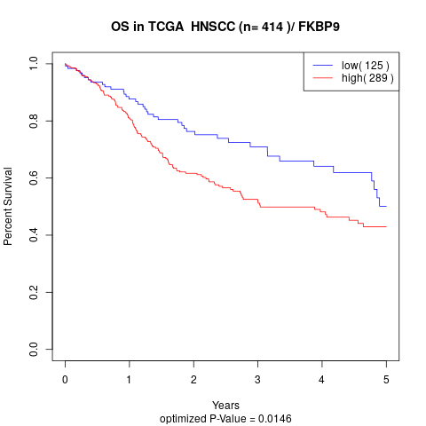

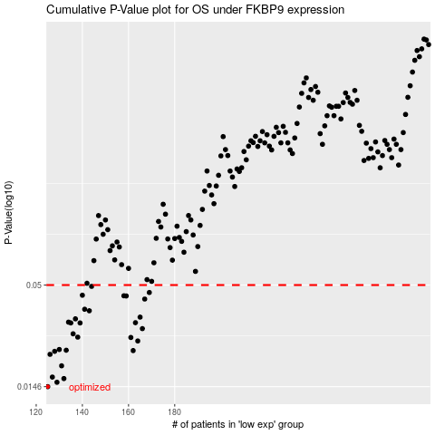

 |  |  |  |  |  | cases_OS | p_OS | rank | exp
 |  |  |  |  |  | 125 | 0.0146 | 21 | -0.43893508723
 |  |  |  |  |  | 129 | 0.0154 | 413 | -0.41960753297
 |  |  |  |  |  | 132 | 0.0161 | 68 | -0.41125154684
 |  |  |  |  |  | 127 | 0.0164 | 1 | -0.42689660887
 |  |  |  |  |  | 131 | 0.0188 | 376 | -0.41557345997
 |  |  |  |  |  | 126 | 0.0216 | 109 | -0.43511459773
 |  |  |  |  |  | 128 | 0.0224 | 63 | -0.42052488237
 |  |  |  |  |  | 162 | 0.0226 | 223 | -0.27850958171
 |  |  |  |  |  | 133 | 0.0227 | 379 | -0.40859426347
 |  |  |  |  |  | 130 | 0.0229 | 392 | -0.41725505232
 |  |  |  |  |  | 164 | 0.0254 | 123 | -0.27593392825
 |  |  |  |  |  | 161 | 0.0265 | 102 | -0.28585985989
 |  |  |  |  |  | 138 | 0.0266 | 266 | -0.38609285274
 |  |  |  |  |  | 136 | 0.0277 | 244 | -0.38947578011
 |  |  |  |  |  | 166 | 0.0295 | 225 | -0.26920566518
 |  |  |  |  |  | 139 | 0.0316 | 222 | -0.38494104901
 |  |  |  |  |  | 135 | 0.0316 | 383 | -0.39199119826
 |  |  |  |  |  | 163 | 0.0317 | 130 | -0.27687126208
 |  |  |  |  |  | 134 | 0.0319 | 306 | -0.39739875701
 |  |  |  |  |  | 137 | 0.0332 | 169 | -0.38790333654
 |  |  |  |  |  | 165 | 0.0339 | 269 | -0.2746667709
 |  |  |  |  |  | 143 | 0.0366 | 97 | -0.36969962394
 |  |  |  |  |  | 141 | 0.0373 | 196 | -0.38147971502
 |  |  |  |  |  | 167 | 0.0422 | 181 | -0.26827534202
 |  |  |  |  |  | 159 | 0.0438 | 398 | -0.28884523427
 |  |  |  |  |  | 158 | 0.0439 | 342 | -0.29143087993
 |  |  |  |  |  | 140 | 0.0442 | 136 | -0.38275323838
 |  |  |  |  |  | 169 | 0.0457 | 275 | -0.26485675696
 |  |  |  |  |  | 144 | 0.0492 | 213 | -0.36614255813
 |  |  |  |  |  |  | cases_RFS | p_RFS | rank | exp
 |  |  |  |  |  |  |  | 0.0146 | 339 | -0.43957172803
 |  |  |  |  |  |  | 128 | 0.0154 | 63 | -0.42052488237
 |  |  |  |  |  |  | 131 | 0.0161 | 376 | -0.41557345997
 |  |  |  |  |  |  | 126 | 0.0164 | 109 | -0.43511459773
 |  |  |  |  |  |  | 130 | 0.0188 | 392 | -0.41725505232
 |  |  |  |  |  |  | 125 | 0.0216 | 21 | -0.43893508723
 |  |  |  |  |  |  | 127 | 0.0224 | 1 | -0.42689660887
 |  |  |  |  |  |  | 161 | 0.0226 | 102 | -0.28585985989
 |  |  |  |  |  |  | 132 | 0.0227 | 68 | -0.41125154684
 |  |  |  |  |  |  | 129 | 0.0229 | 413 | -0.41960753297
 |  |  |  |  |  |  | 163 | 0.0254 | 130 | -0.27687126208
 |  |  |  |  |  |  | 160 | 0.0265 | 245 | -0.28805149818
 |  |  |  |  |  |  | 137 | 0.0266 | 169 | -0.38790333654
 |  |  |  |  |  |  | 135 | 0.0277 | 383 | -0.39199119826
 |  |  |  |  |  |  | 165 | 0.0295 | 269 | -0.2746667709
 |  |  |  |  |  |  | 138 | 0.0316 | 266 | -0.38609285274
 |  |  |  |  |  |  | 134 | 0.0316 | 306 | -0.39739875701
 |  |  |  |  |  |  | 162 | 0.0317 | 223 | -0.27850958171
 |  |  |  |  |  |  | 133 | 0.0319 | 379 | -0.40859426347
 |  |  |  |  |  |  | 136 | 0.0332 | 244 | -0.38947578011
 |  |  |  |  |  |  | 164 | 0.0339 | 123 | -0.27593392825
 |  |  |  |  |  |  | 142 | 0.0366 | 57 | -0.37499005626
 |  |  |  |  |  |  | 140 | 0.0373 | 136 | -0.38275323838
 |  |  |  |  |  |  | 166 | 0.0422 | 225 | -0.26920566518
 |  |  |  |  |  |  | 158 | 0.0438 | 342 | -0.29143087993
 |  |  |  |  |  |  | 157 | 0.0439 | 232 | -0.29538501524
 |  |  |  |  |  |  | 139 | 0.0442 | 222 | -0.38494104901
 |  |  |  |  |  |  | 168 | 0.0457 | 18 | -0.26805869639
 |  |  |  |  |  |  | 143 | 0.0492 | 97 | -0.36969962394

