FKBPL _multivariate
Reported by Tex Li-Hsing Chi. tex@gate.sinica.edu.tw 2019-08-19

Table 2. The clinicopathological features of HNSCC cohort and FKBPL expression. (Chi square test)
Cutoff at -0.273 (50.0%)
 |  | FKBPL expression |  | FKBPL expression |  | (Optimised)
 | Features | Low | (%) | High | (%) | Case no | P-value | Remark | Matthews
Gender | Female | 157 | 37.8 | 149 | 35.9 | 415 | 0.3881 | 0 | 0
2 | Male | 50 | 12 | 59 | 14.2
Age at diagnosis | <=65y | 130 | 31.3 | 144 | 34.7 | 415 | 0.2009 | 0 | 0
4 | >65y | 77 | 18.6 | 64 | 15.4
Clinical T Status | T1+T2 | 76 | 18.3 | 73 | 17.6 | 415 | 0.8092 | 0 | 0
6 | T3+T4 | 131 | 31.6 | 135 | 32.5
Clinical N Status | N0 | 105 | 25.3 | 111 | 26.7 | 415 | 0.6598 | 0 | 0
8 | N1-3 | 102 | 24.6 | 97 | 23.4
Clinical M Status | M0 | 206 | 49.6 | 206 | 49.6 | 415 | 1 | 0 | 0
10 | M1 | 1 | 0.2 | 2 | 0.5
Clinical Stage | Stage I+II | 53 | 12.8 | 49 | 11.8 | 415 | 0.7113 | 0 | 0
12 | Stage III+IV | 154 | 37.1 | 159 | 38.3
Surgical Margin status | Negative | 161 | 38.8 | 157 | 37.8 | 415 | 0.6429 | 0 | 0
14 | Positive | 46 | 11.1 | 51 | 12.3
Tobacco Exposure | Low | 73 | 17.6 | 88 | 21.2 | 415 | 0.1587 | 0 | 0
16 | High | 134 | 32.3 | 120 | 28.9

Table 3. Univariate/Multivariate Cox's proportional hazards regression analyses on OS time of FKBPL gene expression in HNSCC

 |  | Univariate |  |  |  | Multivariate
 | Features | HR | CI95%(L) | CI95%(H) | P-value | HR | CI95%(L) | CI95%(H) | P-value
1 | Female | 1 |  |  |  | 1
Gender | Male | 1.157 | 0.843 | 1.587 | 0.367 | 1.236 | 0.885 | 1.727 | 0.214
11 | <=65y | 1 |  |  |  | 1
Age at diagnosis | >65y | 1.329 | 0.99 | 1.784 | 0.058 | 1.351 | 0.992 | 1.839 | 0.056
12 | T1+T2 | 1 |  |  |  | 1
Clinical T Status | T3+T4 | 1.409 | 1.028 | 1.931 | 0.033 | 2.195 | 1.161 | 4.15 | 0.016
13 | N0 | 1 |  |  |  | 1
Clinical N Status | N1-3 | 1.185 | 0.89 | 1.577 | 0.246 | 1.216 | 0.851 | 1.736 | 0.283
14 | M0 | 1 |  |  |  | 1
Clinical M Status | M1 | 4.097 | 1.009 | 16.644 | 0.049 | 10.353 | 2.251 | 47.602 | 0.003
15 | Stage I+II | 1 |  |  |  | 1
Clinical Stage | Stage III+IV | 1.245 | 0.882 | 1.759 | 0.213 | 0.522 | 0.243 | 1.122 | 0.096
16 | Negative | 1 |  |  |  | 1
Surgical Margin status | Positive | 1.591 | 1.155 | 2.191 | 0.004 | 1.742 | 1.257 | 2.414 | 0.001
17 | Low | 1 |  |  |  | 1
Tobacco Exposure | High | 1.364 | 1.008 | 1.844 | 0.044 | 1.41 | 1.023 | 1.944 | 0.036
18 | Low | 1 |  |  |  | 1
RNAseq(z-score) | High | 0.774 | 0.581 | 1.032 | 0.081 | 0.743 | 0.553 | 0.998 | 0.049

Table 4. Univariate/Multivariate Cox's proportional hazards regression analyses on RFS time of FKBPL gene expression in HNSCC

 |  | Univariate |  |  |  | Multivariate
 | Features | HR | CI95%(L) | CI95%(H) | P-value | HR | CI95%(L) | CI95%(H) | P-value
1 | Female | 1 |  |  |  | 1
Gender | Male | 1.157 | 0.843 | 1.587 | 0.367 | 1.236 | 0.885 | 1.727 | 0.214
11 | <=65y | 1 |  |  |  | 1
Age at diagnosis | >65y | 1.329 | 0.99 | 1.784 | 0.058 | 1.351 | 0.992 | 1.839 | 0.056
12 | T1+T2 | 1 |  |  |  | 1
Clinical T Status | T3+T4 | 1.409 | 1.028 | 1.931 | 0.033 | 2.195 | 1.161 | 4.15 | 0.016
13 | N0 | 1 |  |  |  | 1
Clinical N Status | N1-3 | 1.185 | 0.89 | 1.577 | 0.246 | 1.216 | 0.851 | 1.736 | 0.283
14 | M0 | 1 |  |  |  | 1
Clinical M Status | M1 | 4.097 | 1.009 | 16.644 | 0.049 | 10.353 | 2.251 | 47.602 | 0.003
15 | Stage I+II | 1 |  |  |  | 1
Clinical Stage | Stage III+IV | 1.245 | 0.882 | 1.759 | 0.213 | 0.522 | 0.243 | 1.122 | 0.096
16 | Negative | 1 |  |  |  | 1
Surgical Margin status | Positive | 1.591 | 1.155 | 2.191 | 0.004 | 1.742 | 1.257 | 2.414 | 0.001
17 | Low | 1 |  |  |  | 1
Tobacco Exposure | High | 1.364 | 1.008 | 1.844 | 0.044 | 1.41 | 1.023 | 1.944 | 0.036
18 | Low | 1 |  |  |  | 1
RNAseq(z-score) | High | 0.774 | 0.581 | 1.032 | 0.081 | 0.743 | 0.553 | 0.998 | 0.049

Kaplan-Meier survival estimate: Cutoff at -0.273 (50.0%)



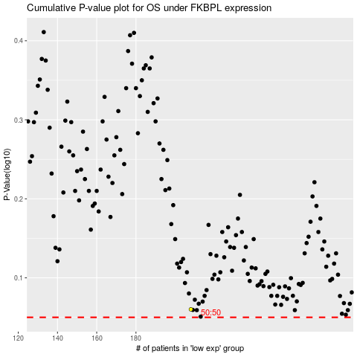

 |  |  |  |  |  | cases_OS | p_OS | rank | exp
 |  |  |  |  |  |  | cases_RFS | p_RFS | rank | exp

