FLCN _multivariate
Reported by Tex Li-Hsing Chi. tex@gate.sinica.edu.tw 2019-08-19

Table 2. The clinicopathological features of HNSCC cohort and FLCN expression. (Chi square test)
Cutoff at -0.084 (50.0%)
 |  | FLCN expression |  | FLCN expression |  | (Optimised)
 | Features | Low | (%) | High | (%) | Case no | P-value | Remark | Matthews
Gender | Female | 145 | 34.9 | 161 | 38.8 | 415 | 0.1116 | 0 | 0
2 | Male | 62 | 14.9 | 47 | 11.3
Age at diagnosis | <=65y | 130 | 31.3 | 144 | 34.7 | 415 | 0.2009 | 0 | 0
4 | >65y | 77 | 18.6 | 64 | 15.4
Clinical T Status | T1+T2 | 84 | 20.2 | 65 | 15.7 | 415 | 0.0603 | 0 | 0
6 | T3+T4 | 123 | 29.6 | 143 | 34.5
Clinical N Status | N0 | 109 | 26.3 | 107 | 25.8 | 415 | 0.8812 | 0 | 0
8 | N1-3 | 98 | 23.6 | 101 | 24.3
Clinical M Status | M0 | 205 | 49.4 | 207 | 49.9 | 415 | 0.6232 | 0 | 0
10 | M1 | 2 | 0.5 | 1 | 0.2
Clinical Stage | Stage I+II | 56 | 13.5 | 46 | 11.1 | 415 | 0.2918 | 0 | 0
12 | Stage III+IV | 151 | 36.4 | 162 | 39
Surgical Margin status | Negative | 150 | 36.1 | 168 | 40.5 | 415 | 0.0492 | 1 | 0
14 | Positive | 57 | 13.7 | 40 | 9.6
Tobacco Exposure | Low | 85 | 20.5 | 76 | 18.3 | 415 | 0.3655 | 0 | 0
16 | High | 122 | 29.4 | 132 | 31.8

Table 3. Univariate/Multivariate Cox's proportional hazards regression analyses on OS time of FLCN gene expression in HNSCC

 |  | Univariate |  |  |  | Multivariate
 | Features | HR | CI95%(L) | CI95%(H) | P-value | HR | CI95%(L) | CI95%(H) | P-value
1 | Female | 1 |  |  |  | 1
Gender | Male | 1.157 | 0.843 | 1.587 | 0.367 | 1.219 | 0.87 | 1.706 | 0.249
11 | <=65y | 1 |  |  |  | 1
Age at diagnosis | >65y | 1.329 | 0.99 | 1.784 | 0.058 | 1.396 | 1.027 | 1.898 | 0.033
12 | T1+T2 | 1 |  |  |  | 1
Clinical T Status | T3+T4 | 1.409 | 1.028 | 1.931 | 0.033 | 2.165 | 1.142 | 4.102 | 0.018
13 | N0 | 1 |  |  |  | 1
Clinical N Status | N1-3 | 1.185 | 0.89 | 1.577 | 0.246 | 1.248 | 0.874 | 1.78 | 0.223
14 | M0 | 1 |  |  |  | 1
Clinical M Status | M1 | 4.097 | 1.009 | 16.644 | 0.049 | 9.46 | 2.064 | 43.363 | 0.004
15 | Stage I+II | 1 |  |  |  | 1
Clinical Stage | Stage III+IV | 1.245 | 0.882 | 1.759 | 0.213 | 0.502 | 0.234 | 1.078 | 0.077
16 | Negative | 1 |  |  |  | 1
Surgical Margin status | Positive | 1.591 | 1.155 | 2.191 | 0.004 | 1.707 | 1.229 | 2.37 | 0.001
17 | Low | 1 |  |  |  | 1
Tobacco Exposure | High | 1.364 | 1.008 | 1.844 | 0.044 | 1.447 | 1.05 | 1.994 | 0.024
18 | Low | 1 |  |  |  | 1
RNAseq(z-score) | High | 1.069 | 0.802 | 1.425 | 0.647 | 1.116 | 0.826 | 1.506 | 0.475

Table 4. Univariate/Multivariate Cox's proportional hazards regression analyses on RFS time of FLCN gene expression in HNSCC

 |  | Univariate |  |  |  | Multivariate
 | Features | HR | CI95%(L) | CI95%(H) | P-value | HR | CI95%(L) | CI95%(H) | P-value
1 | Female | 1 |  |  |  | 1
Gender | Male | 1.157 | 0.843 | 1.587 | 0.367 | 1.219 | 0.87 | 1.706 | 0.249
11 | <=65y | 1 |  |  |  | 1
Age at diagnosis | >65y | 1.329 | 0.99 | 1.784 | 0.058 | 1.396 | 1.027 | 1.898 | 0.033
12 | T1+T2 | 1 |  |  |  | 1
Clinical T Status | T3+T4 | 1.409 | 1.028 | 1.931 | 0.033 | 2.165 | 1.142 | 4.102 | 0.018
13 | N0 | 1 |  |  |  | 1
Clinical N Status | N1-3 | 1.185 | 0.89 | 1.577 | 0.246 | 1.248 | 0.874 | 1.78 | 0.223
14 | M0 | 1 |  |  |  | 1
Clinical M Status | M1 | 4.097 | 1.009 | 16.644 | 0.049 | 9.46 | 2.064 | 43.363 | 0.004
15 | Stage I+II | 1 |  |  |  | 1
Clinical Stage | Stage III+IV | 1.245 | 0.882 | 1.759 | 0.213 | 0.502 | 0.234 | 1.078 | 0.077
16 | Negative | 1 |  |  |  | 1
Surgical Margin status | Positive | 1.591 | 1.155 | 2.191 | 0.004 | 1.707 | 1.229 | 2.37 | 0.001
17 | Low | 1 |  |  |  | 1
Tobacco Exposure | High | 1.364 | 1.008 | 1.844 | 0.044 | 1.447 | 1.05 | 1.994 | 0.024
18 | Low | 1 |  |  |  | 1
RNAseq(z-score) | High | 1.069 | 0.802 | 1.425 | 0.647 | 1.116 | 0.826 | 1.506 | 0.475

Kaplan-Meier survival estimate: Cutoff at -0.084 (50.0%)



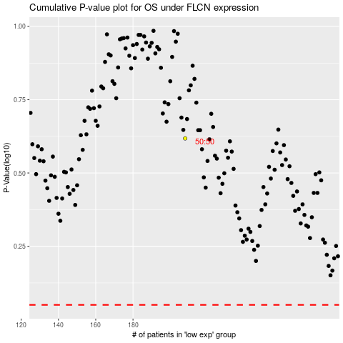

 |  |  |  |  |  | cases_OS | p_OS | rank | exp
 |  |  |  |  |  |  | cases_RFS | p_RFS | rank | exp

