FLG _multivariate
Reported by Tex Li-Hsing Chi. tex@gate.sinica.edu.tw 2019-08-19

Table 2. The clinicopathological features of HNSCC cohort and FLG expression. (Chi square test)
Cutoff at -0.233 (59.4%)
 |  | FLG expression |  | FLG expression |  | (Optimised)
 | Features | Low | (%) | High | (%) | Case no | P-value | Remark | Matthews
Gender | Female | 191 | 46 | 115 | 27.7 | 415 | 0.0386 | 1 | 0
2 | Male | 55 | 13.3 | 54 | 13
Age at diagnosis | <=65y | 160 | 38.6 | 114 | 27.5 | 415 | 0.6856 | 0 | 0
4 | >65y | 86 | 20.7 | 55 | 13.3
Clinical T Status | T1+T2 | 98 | 23.6 | 51 | 12.3 | 415 | 0.056 | 0 | 0
6 | T3+T4 | 148 | 35.7 | 118 | 28.4
Clinical N Status | N0 | 123 | 29.6 | 93 | 22.4 | 415 | 0.3641 | 0 | 0
8 | N1-3 | 123 | 29.6 | 76 | 18.3
Clinical M Status | M0 | 244 | 58.8 | 168 | 40.5 | 415 | 1 | 0 | 0
10 | M1 | 2 | 0.5 | 1 | 0.2
Clinical Stage | Stage I+II | 67 | 16.1 | 35 | 8.4 | 415 | 0.1612 | 0 | 0
12 | Stage III+IV | 179 | 43.1 | 134 | 32.3
Surgical Margin status | Negative | 179 | 43.1 | 139 | 33.5 | 415 | 0.0255 | 1 | 0
14 | Positive | 67 | 16.1 | 30 | 7.2
Tobacco Exposure | Low | 91 | 21.9 | 70 | 16.9 | 415 | 0.4122 | 0 | 0
16 | High | 155 | 37.3 | 99 | 23.9

Table 3. Univariate/Multivariate Cox's proportional hazards regression analyses on OS time of FLG gene expression in HNSCC

 |  | Univariate |  |  |  | Multivariate
 | Features | HR | CI95%(L) | CI95%(H) | P-value | HR | CI95%(L) | CI95%(H) | P-value
1 | Female | 1 |  |  |  | 1
Gender | Male | 1.157 | 0.843 | 1.587 | 0.367 | 1.272 | 0.908 | 1.783 | 0.162
11 | <=65y | 1 |  |  |  | 1
Age at diagnosis | >65y | 1.329 | 0.99 | 1.784 | 0.058 | 1.372 | 1.01 | 1.864 | 0.043
12 | T1+T2 | 1 |  |  |  | 1
Clinical T Status | T3+T4 | 1.409 | 1.028 | 1.931 | 0.033 | 2.212 | 1.17 | 4.183 | 0.015
13 | N0 | 1 |  |  |  | 1
Clinical N Status | N1-3 | 1.185 | 0.89 | 1.577 | 0.246 | 1.185 | 0.828 | 1.696 | 0.353
14 | M0 | 1 |  |  |  | 1
Clinical M Status | M1 | 4.097 | 1.009 | 16.644 | 0.049 | 9.518 | 2.076 | 43.64 | 0.004
15 | Stage I+II | 1 |  |  |  | 1
Clinical Stage | Stage III+IV | 1.245 | 0.882 | 1.759 | 0.213 | 0.54 | 0.251 | 1.162 | 0.115
16 | Negative | 1 |  |  |  | 1
Surgical Margin status | Positive | 1.591 | 1.155 | 2.191 | 0.004 | 1.609 | 1.163 | 2.226 | 0.004
17 | Low | 1 |  |  |  | 1
Tobacco Exposure | High | 1.364 | 1.008 | 1.844 | 0.044 | 1.439 | 1.045 | 1.981 | 0.026
18 | Low | 1 |  |  |  | 1
RNAseq(z-score) | High | 0.671 | 0.494 | 0.912 | 0.011 | 0.679 | 0.497 | 0.929 | 0.016

Table 4. Univariate/Multivariate Cox's proportional hazards regression analyses on RFS time of FLG gene expression in HNSCC

 |  | Univariate |  |  |  | Multivariate
 | Features | HR | CI95%(L) | CI95%(H) | P-value | HR | CI95%(L) | CI95%(H) | P-value
1 | Female | 1 |  |  |  | 1
Gender | Male | 1.157 | 0.843 | 1.587 | 0.367 | 1.272 | 0.908 | 1.783 | 0.162
11 | <=65y | 1 |  |  |  | 1
Age at diagnosis | >65y | 1.329 | 0.99 | 1.784 | 0.058 | 1.372 | 1.01 | 1.864 | 0.043
12 | T1+T2 | 1 |  |  |  | 1
Clinical T Status | T3+T4 | 1.409 | 1.028 | 1.931 | 0.033 | 2.212 | 1.17 | 4.183 | 0.015
13 | N0 | 1 |  |  |  | 1
Clinical N Status | N1-3 | 1.185 | 0.89 | 1.577 | 0.246 | 1.185 | 0.828 | 1.696 | 0.353
14 | M0 | 1 |  |  |  | 1
Clinical M Status | M1 | 4.097 | 1.009 | 16.644 | 0.049 | 9.518 | 2.076 | 43.64 | 0.004
15 | Stage I+II | 1 |  |  |  | 1
Clinical Stage | Stage III+IV | 1.245 | 0.882 | 1.759 | 0.213 | 0.54 | 0.251 | 1.162 | 0.115
16 | Negative | 1 |  |  |  | 1
Surgical Margin status | Positive | 1.591 | 1.155 | 2.191 | 0.004 | 1.609 | 1.163 | 2.226 | 0.004
17 | Low | 1 |  |  |  | 1
Tobacco Exposure | High | 1.364 | 1.008 | 1.844 | 0.044 | 1.439 | 1.045 | 1.981 | 0.026
18 | Low | 1 |  |  |  | 1
RNAseq(z-score) | High | 0.671 | 0.494 | 0.912 | 0.011 | 0.679 | 0.497 | 0.929 | 0.016

Kaplan-Meier survival estimate: Cutoff at -0.233 (59.4%)

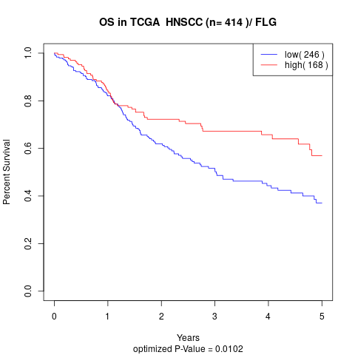

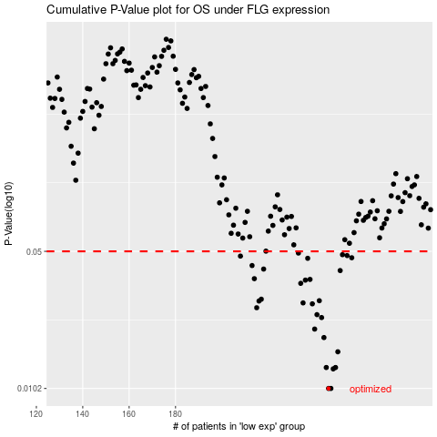

 |  |  |  |  |  | cases_OS | p_OS | rank | exp
 |  |  |  |  |  | 246 | 0.0102 | 342 | -0.23331834382
 |  |  |  |  |  | 247 | 0.0102 | 350 | -0.23326323139
 |  |  |  |  |  | 248 | 0.0128 | 154 | -0.23217739746
 |  |  |  |  |  | 245 | 0.013 | 249 | -0.23472161286
 |  |  |  |  |  | 249 | 0.013 | 290 | -0.23207644306
 |  |  |  |  |  | 250 | 0.0156 | 271 | -0.2311211326
 |  |  |  |  |  | 244 | 0.0184 | 355 | -0.23512852062
 |  |  |  |  |  | 240 | 0.0203 | 162 | -0.23775081196
 |  |  |  |  |  | 243 | 0.0232 | 248 | -0.23632633711
 |  |  |  |  |  | 241 | 0.024 | 335 | -0.23769215578
 |  |  |  |  |  | 215 | 0.026 | 146 | -0.248793483
 |  |  |  |  |  | 239 | 0.0272 | 137 | -0.23776042261
 |  |  |  |  |  | 235 | 0.0275 | 50 | -0.24118683378
 |  |  |  |  |  | 216 | 0.0281 | 28 | -0.24823212435
 |  |  |  |  |  | 242 | 0.0282 | 323 | -0.23652708356
 |  |  |  |  |  | 217 | 0.0287 | 403 | -0.24805890576
 |  |  |  |  |  | 234 | 0.0345 | 107 | -0.24152998236
 |  |  |  |  |  | 236 | 0.0358 | 41 | -0.24117764837
 |  |  |  |  |  | 238 | 0.0361 | 326 | -0.23988837474
 |  |  |  |  |  | 214 | 0.0364 | 283 | -0.24903803023
 |  |  |  |  |  | 251 | 0.04 | 31 | -0.22843513878
 |  |  |  |  |  | 218 | 0.0407 | 347 | -0.2478574789
 |  |  |  |  |  | 213 | 0.0424 | 266 | -0.24982151124
 |  |  |  |  |  | 237 | 0.0461 | 86 | -0.24108332787
 |  |  |  |  |  | 256 | 0.0464 | 32 | -0.21909789125
 |  |  |  |  |  | 208 | 0.0473 | 152 | -0.25313463575
 |  |  |  |  |  | 254 | 0.0476 | 156 | -0.22171839653
 |  |  |  |  |  | 252 | 0.0481 | 392 | -0.22819935171
 |  |  |  |  |  | 233 | 0.049 | 274 | -0.24254199284
 |  |  |  |  |  |  | cases_RFS | p_RFS | rank | exp
 |  |  |  |  |  |  | 245 | 0.0102 | 249 | -0.23472161286
 |  |  |  |  |  |  | 246 | 0.0102 | 342 | -0.23331834382
 |  |  |  |  |  |  | 247 | 0.0128 | 350 | -0.23326323139
 |  |  |  |  |  |  | 248 | 0.013 | 154 | -0.23217739746
 |  |  |  |  |  |  | 244 | 0.013 | 355 | -0.23512852062
 |  |  |  |  |  |  | 249 | 0.0156 | 290 | -0.23207644306
 |  |  |  |  |  |  | 243 | 0.0184 | 248 | -0.23632633711
 |  |  |  |  |  |  | 239 | 0.0203 | 137 | -0.23776042261
 |  |  |  |  |  |  | 242 | 0.0232 | 323 | -0.23652708356
 |  |  |  |  |  |  | 240 | 0.024 | 162 | -0.23775081196
 |  |  |  |  |  |  | 214 | 0.026 | 283 | -0.24903803023
 |  |  |  |  |  |  | 238 | 0.0272 | 326 | -0.23988837474
 |  |  |  |  |  |  | 234 | 0.0275 | 107 | -0.24152998236
 |  |  |  |  |  |  | 215 | 0.0281 | 146 | -0.248793483
 |  |  |  |  |  |  | 241 | 0.0282 | 335 | -0.23769215578
 |  |  |  |  |  |  | 216 | 0.0287 | 28 | -0.24823212435
 |  |  |  |  |  |  | 233 | 0.0345 | 274 | -0.24254199284
 |  |  |  |  |  |  | 235 | 0.0358 | 50 | -0.24118683378
 |  |  |  |  |  |  | 237 | 0.0361 | 86 | -0.24108332787
 |  |  |  |  |  |  | 213 | 0.0364 | 266 | -0.24982151124
 |  |  |  |  |  |  | 250 | 0.04 | 271 | -0.2311211326
 |  |  |  |  |  |  | 217 | 0.0407 | 403 | -0.24805890576
 |  |  |  |  |  |  | 212 | 0.0424 | 398 | -0.2503061264
 |  |  |  |  |  |  | 236 | 0.0461 | 41 | -0.24117764837
 |  |  |  |  |  |  | 255 | 0.0464 | 48 | -0.21999423367
 |  |  |  |  |  |  | 207 | 0.0473 | 54 | -0.2531385197
 |  |  |  |  |  |  | 253 | 0.0476 | 371 | -0.22688660426
 |  |  |  |  |  |  | 251 | 0.0481 | 31 | -0.22843513878
 |  |  |  |  |  |  | 232 | 0.049 | 199 | -0.24306490887

