FLG2 _multivariate
Reported by Tex Li-Hsing Chi. tex@gate.sinica.edu.tw 2019-08-19

Table 2. The clinicopathological features of HNSCC cohort and FLG2 expression. (Chi square test)
Cutoff at -0.218 (50.0%)
 |  | FLG2 expression |  | FLG2 expression |  | (Optimised)
 | Features | Low | (%) | High | (%) | Case no | P-value | Remark | Matthews
Gender | Female | 160 | 38.6 | 146 | 35.2 | 415 | 0.1254 | 0 | 0
2 | Male | 47 | 11.3 | 62 | 14.9
Age at diagnosis | <=65y | 137 | 33 | 137 | 33 | 415 | 1 | 0 | 0
4 | >65y | 70 | 16.9 | 71 | 17.1
Clinical T Status | T1+T2 | 88 | 21.2 | 61 | 14.7 | 415 | 0.007 | 1 | 0
6 | T3+T4 | 119 | 28.7 | 147 | 35.4
Clinical N Status | N0 | 102 | 24.6 | 114 | 27.5 | 415 | 0.3031 | 0 | 0
8 | N1-3 | 105 | 25.3 | 94 | 22.7
Clinical M Status | M0 | 205 | 49.4 | 207 | 49.9 | 415 | 0.6232 | 0 | 0
10 | M1 | 2 | 0.5 | 1 | 0.2
Clinical Stage | Stage I+II | 59 | 14.2 | 43 | 10.4 | 415 | 0.0822 | 0 | 0
12 | Stage III+IV | 148 | 35.7 | 165 | 39.8
Surgical Margin status | Negative | 155 | 37.3 | 163 | 39.3 | 415 | 0.4187 | 0 | 0
14 | Positive | 52 | 12.5 | 45 | 10.8
Tobacco Exposure | Low | 78 | 18.8 | 83 | 20 | 415 | 0.6873 | 0 | 0
16 | High | 129 | 31.1 | 125 | 30.1

Table 3. Univariate/Multivariate Cox's proportional hazards regression analyses on OS time of FLG2 gene expression in HNSCC

 |  | Univariate |  |  |  | Multivariate
 | Features | HR | CI95%(L) | CI95%(H) | P-value | HR | CI95%(L) | CI95%(H) | P-value
1 | Female | 1 |  |  |  | 1
Gender | Male | 1.157 | 0.843 | 1.587 | 0.367 | 1.246 | 0.888 | 1.748 | 0.203
11 | <=65y | 1 |  |  |  | 1
Age at diagnosis | >65y | 1.329 | 0.99 | 1.784 | 0.058 | 1.389 | 1.022 | 1.887 | 0.036
12 | T1+T2 | 1 |  |  |  | 1
Clinical T Status | T3+T4 | 1.409 | 1.028 | 1.931 | 0.033 | 2.26 | 1.195 | 4.275 | 0.012
13 | N0 | 1 |  |  |  | 1
Clinical N Status | N1-3 | 1.185 | 0.89 | 1.577 | 0.246 | 1.202 | 0.84 | 1.72 | 0.315
14 | M0 | 1 |  |  |  | 1
Clinical M Status | M1 | 4.097 | 1.009 | 16.644 | 0.049 | 9.491 | 2.07 | 43.504 | 0.004
15 | Stage I+II | 1 |  |  |  | 1
Clinical Stage | Stage III+IV | 1.245 | 0.882 | 1.759 | 0.213 | 0.521 | 0.242 | 1.119 | 0.095
16 | Negative | 1 |  |  |  | 1
Surgical Margin status | Positive | 1.591 | 1.155 | 2.191 | 0.004 | 1.66 | 1.202 | 2.294 | 0.002
17 | Low | 1 |  |  |  | 1
Tobacco Exposure | High | 1.364 | 1.008 | 1.844 | 0.044 | 1.467 | 1.065 | 2.022 | 0.019
18 | Low | 1 |  |  |  | 1
RNAseq(z-score) | High | 0.863 | 0.646 | 1.152 | 0.317 | 0.81 | 0.601 | 1.093 | 0.168

Table 4. Univariate/Multivariate Cox's proportional hazards regression analyses on RFS time of FLG2 gene expression in HNSCC

 |  | Univariate |  |  |  | Multivariate
 | Features | HR | CI95%(L) | CI95%(H) | P-value | HR | CI95%(L) | CI95%(H) | P-value
1 | Female | 1 |  |  |  | 1
Gender | Male | 1.157 | 0.843 | 1.587 | 0.367 | 1.246 | 0.888 | 1.748 | 0.203
11 | <=65y | 1 |  |  |  | 1
Age at diagnosis | >65y | 1.329 | 0.99 | 1.784 | 0.058 | 1.389 | 1.022 | 1.887 | 0.036
12 | T1+T2 | 1 |  |  |  | 1
Clinical T Status | T3+T4 | 1.409 | 1.028 | 1.931 | 0.033 | 2.26 | 1.195 | 4.275 | 0.012
13 | N0 | 1 |  |  |  | 1
Clinical N Status | N1-3 | 1.185 | 0.89 | 1.577 | 0.246 | 1.202 | 0.84 | 1.72 | 0.315
14 | M0 | 1 |  |  |  | 1
Clinical M Status | M1 | 4.097 | 1.009 | 16.644 | 0.049 | 9.491 | 2.07 | 43.504 | 0.004
15 | Stage I+II | 1 |  |  |  | 1
Clinical Stage | Stage III+IV | 1.245 | 0.882 | 1.759 | 0.213 | 0.521 | 0.242 | 1.119 | 0.095
16 | Negative | 1 |  |  |  | 1
Surgical Margin status | Positive | 1.591 | 1.155 | 2.191 | 0.004 | 1.66 | 1.202 | 2.294 | 0.002
17 | Low | 1 |  |  |  | 1
Tobacco Exposure | High | 1.364 | 1.008 | 1.844 | 0.044 | 1.467 | 1.065 | 2.022 | 0.019
18 | Low | 1 |  |  |  | 1
RNAseq(z-score) | High | 0.863 | 0.646 | 1.152 | 0.317 | 0.81 | 0.601 | 1.093 | 0.168

Kaplan-Meier survival estimate: Cutoff at -0.218 (50.0%)



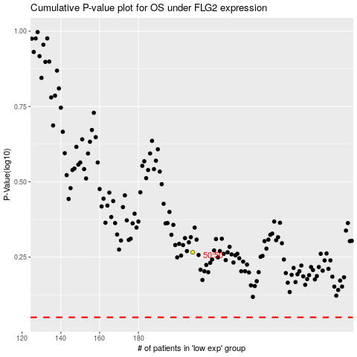

 |  |  |  |  |  | cases_OS | p_OS | rank | exp
 |  |  |  |  |  |  | cases_RFS | p_RFS | rank | exp

