FLII _multivariate
Reported by Tex Li-Hsing Chi. tex@gate.sinica.edu.tw 2019-08-19

Table 2. The clinicopathological features of HNSCC cohort and FLII expression. (Chi square test)
Cutoff at -0.067 (50.0%)
 |  | FLII expression |  | FLII expression |  | (Optimised)
 | Features | Low | (%) | High | (%) | Case no | P-value | Remark | Matthews
Gender | Female | 159 | 38.3 | 147 | 35.4 | 415 | 0.1905 | 0 | 0
2 | Male | 48 | 11.6 | 61 | 14.7
Age at diagnosis | <=65y | 141 | 34 | 133 | 32 | 415 | 0.4272 | 0 | 0
4 | >65y | 66 | 15.9 | 75 | 18.1
Clinical T Status | T1+T2 | 77 | 18.6 | 72 | 17.3 | 415 | 0.6556 | 0 | 0
6 | T3+T4 | 130 | 31.3 | 136 | 32.8
Clinical N Status | N0 | 107 | 25.8 | 109 | 26.3 | 415 | 0.9624 | 0 | 0
8 | N1-3 | 100 | 24.1 | 99 | 23.9
Clinical M Status | M0 | 205 | 49.4 | 207 | 49.9 | 415 | 0.6232 | 0 | 0
10 | M1 | 2 | 0.5 | 1 | 0.2
Clinical Stage | Stage I+II | 48 | 11.6 | 54 | 13 | 415 | 0.5878 | 0 | 0
12 | Stage III+IV | 159 | 38.3 | 154 | 37.1
Surgical Margin status | Negative | 153 | 36.9 | 165 | 39.8 | 415 | 0.2036 | 0 | 0
14 | Positive | 54 | 13 | 43 | 10.4
Tobacco Exposure | Low | 66 | 15.9 | 95 | 22.9 | 415 | 0.0048 | 1 | 0
16 | High | 141 | 34 | 113 | 27.2

Table 3. Univariate/Multivariate Cox's proportional hazards regression analyses on OS time of FLII gene expression in HNSCC

 |  | Univariate |  |  |  | Multivariate
 | Features | HR | CI95%(L) | CI95%(H) | P-value | HR | CI95%(L) | CI95%(H) | P-value
1 | Female | 1 |  |  |  | 1
Gender | Male | 1.157 | 0.843 | 1.587 | 0.367 | 1.199 | 0.858 | 1.675 | 0.288
11 | <=65y | 1 |  |  |  | 1
Age at diagnosis | >65y | 1.329 | 0.99 | 1.784 | 0.058 | 1.398 | 1.028 | 1.901 | 0.033
12 | T1+T2 | 1 |  |  |  | 1
Clinical T Status | T3+T4 | 1.409 | 1.028 | 1.931 | 0.033 | 2.129 | 1.125 | 4.027 | 0.02
13 | N0 | 1 |  |  |  | 1
Clinical N Status | N1-3 | 1.185 | 0.89 | 1.577 | 0.246 | 1.237 | 0.867 | 1.765 | 0.242
14 | M0 | 1 |  |  |  | 1
Clinical M Status | M1 | 4.097 | 1.009 | 16.644 | 0.049 | 9.388 | 2.049 | 43.02 | 0.004
15 | Stage I+II | 1 |  |  |  | 1
Clinical Stage | Stage III+IV | 1.245 | 0.882 | 1.759 | 0.213 | 0.529 | 0.246 | 1.137 | 0.103
16 | Negative | 1 |  |  |  | 1
Surgical Margin status | Positive | 1.591 | 1.155 | 2.191 | 0.004 | 1.686 | 1.221 | 2.328 | 0.002
17 | Low | 1 |  |  |  | 1
Tobacco Exposure | High | 1.364 | 1.008 | 1.844 | 0.044 | 1.503 | 1.089 | 2.076 | 0.013
18 | Low | 1 |  |  |  | 1
RNAseq(z-score) | High | 1.223 | 0.918 | 1.631 | 0.169 | 1.283 | 0.959 | 1.717 | 0.093

Table 4. Univariate/Multivariate Cox's proportional hazards regression analyses on RFS time of FLII gene expression in HNSCC

 |  | Univariate |  |  |  | Multivariate
 | Features | HR | CI95%(L) | CI95%(H) | P-value | HR | CI95%(L) | CI95%(H) | P-value
1 | Female | 1 |  |  |  | 1
Gender | Male | 1.157 | 0.843 | 1.587 | 0.367 | 1.199 | 0.858 | 1.675 | 0.288
11 | <=65y | 1 |  |  |  | 1
Age at diagnosis | >65y | 1.329 | 0.99 | 1.784 | 0.058 | 1.398 | 1.028 | 1.901 | 0.033
12 | T1+T2 | 1 |  |  |  | 1
Clinical T Status | T3+T4 | 1.409 | 1.028 | 1.931 | 0.033 | 2.129 | 1.125 | 4.027 | 0.02
13 | N0 | 1 |  |  |  | 1
Clinical N Status | N1-3 | 1.185 | 0.89 | 1.577 | 0.246 | 1.237 | 0.867 | 1.765 | 0.242
14 | M0 | 1 |  |  |  | 1
Clinical M Status | M1 | 4.097 | 1.009 | 16.644 | 0.049 | 9.388 | 2.049 | 43.02 | 0.004
15 | Stage I+II | 1 |  |  |  | 1
Clinical Stage | Stage III+IV | 1.245 | 0.882 | 1.759 | 0.213 | 0.529 | 0.246 | 1.137 | 0.103
16 | Negative | 1 |  |  |  | 1
Surgical Margin status | Positive | 1.591 | 1.155 | 2.191 | 0.004 | 1.686 | 1.221 | 2.328 | 0.002
17 | Low | 1 |  |  |  | 1
Tobacco Exposure | High | 1.364 | 1.008 | 1.844 | 0.044 | 1.503 | 1.089 | 2.076 | 0.013
18 | Low | 1 |  |  |  | 1
RNAseq(z-score) | High | 1.223 | 0.918 | 1.631 | 0.169 | 1.283 | 0.959 | 1.717 | 0.093

Kaplan-Meier survival estimate: Cutoff at -0.067 (50.0%)



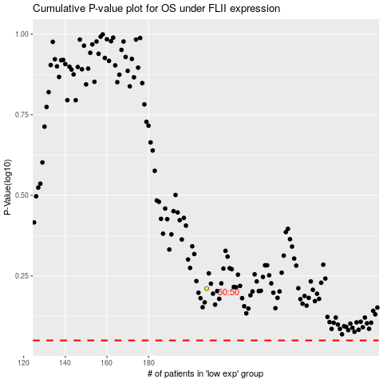

 |  |  |  |  |  | cases_OS | p_OS | rank | exp
 |  |  |  |  |  |  | cases_RFS | p_RFS | rank | exp

