FLJ10357 _multivariate
Reported by Tex Li-Hsing Chi. tex@gate.sinica.edu.tw 2019-08-19

Table 2. The clinicopathological features of HNSCC cohort and FLJ10357 expression. (Chi square test)
Cutoff at -0.355 (40.6%)
 |  | FLJ10357 expression |  | FLJ10357 expression |  | (Optimised)
 | Features | Low | (%) | High | (%) | Case no | P-value | Remark | Matthews
Gender | Female | 123 | 29.6 | 183 | 44.1 | 415 | 0.9321 | 0 | 0
2 | Male | 45 | 10.8 | 64 | 15.4
Age at diagnosis | <=65y | 108 | 26 | 166 | 40 | 415 | 0.6093 | 0 | 0
4 | >65y | 60 | 14.5 | 81 | 19.5
Clinical T Status | T1+T2 | 53 | 12.8 | 96 | 23.1 | 415 | 0.1552 | 0 | 0
6 | T3+T4 | 115 | 27.7 | 151 | 36.4
Clinical N Status | N0 | 88 | 21.2 | 128 | 30.8 | 415 | 0.9906 | 0 | 0
8 | N1-3 | 80 | 19.3 | 119 | 28.7
Clinical M Status | M0 | 166 | 40 | 246 | 59.3 | 415 | 0.5684 | 0 | 0
10 | M1 | 2 | 0.5 | 1 | 0.2
Clinical Stage | Stage I+II | 32 | 7.7 | 70 | 16.9 | 415 | 0.0411 | 1 | 0
12 | Stage III+IV | 136 | 32.8 | 177 | 42.7
Surgical Margin status | Negative | 131 | 31.6 | 187 | 45.1 | 415 | 0.6374 | 0 | 0
14 | Positive | 37 | 8.9 | 60 | 14.5
Tobacco Exposure | Low | 66 | 15.9 | 95 | 22.9 | 415 | 0.9183 | 0 | 0
16 | High | 102 | 24.6 | 152 | 36.6

Table 3. Univariate/Multivariate Cox's proportional hazards regression analyses on OS time of FLJ10357 gene expression in HNSCC

 |  | Univariate |  |  |  | Multivariate
 | Features | HR | CI95%(L) | CI95%(H) | P-value | HR | CI95%(L) | CI95%(H) | P-value
1 | Female | 1 |  |  |  | 1
Gender | Male | 1.157 | 0.843 | 1.587 | 0.367 | 1.198 | 0.859 | 1.669 | 0.288
11 | <=65y | 1 |  |  |  | 1
Age at diagnosis | >65y | 1.329 | 0.99 | 1.784 | 0.058 | 1.423 | 1.047 | 1.935 | 0.024
12 | T1+T2 | 1 |  |  |  | 1
Clinical T Status | T3+T4 | 1.409 | 1.028 | 1.931 | 0.033 | 2.226 | 1.176 | 4.212 | 0.014
13 | N0 | 1 |  |  |  | 1
Clinical N Status | N1-3 | 1.185 | 0.89 | 1.577 | 0.246 | 1.242 | 0.87 | 1.771 | 0.233
14 | M0 | 1 |  |  |  | 1
Clinical M Status | M1 | 4.097 | 1.009 | 16.644 | 0.049 | 10.993 | 2.384 | 50.68 | 0.002
15 | Stage I+II | 1 |  |  |  | 1
Clinical Stage | Stage III+IV | 1.245 | 0.882 | 1.759 | 0.213 | 0.526 | 0.244 | 1.132 | 0.101
16 | Negative | 1 |  |  |  | 1
Surgical Margin status | Positive | 1.591 | 1.155 | 2.191 | 0.004 | 1.643 | 1.189 | 2.271 | 0.003
17 | Low | 1 |  |  |  | 1
Tobacco Exposure | High | 1.364 | 1.008 | 1.844 | 0.044 | 1.455 | 1.06 | 1.999 | 0.02
18 | Low | 1 |  |  |  | 1
RNAseq(z-score) | High | 1.393 | 1.031 | 1.882 | 0.031 | 1.485 | 1.095 | 2.016 | 0.011

Table 4. Univariate/Multivariate Cox's proportional hazards regression analyses on RFS time of FLJ10357 gene expression in HNSCC

 |  | Univariate |  |  |  | Multivariate
 | Features | HR | CI95%(L) | CI95%(H) | P-value | HR | CI95%(L) | CI95%(H) | P-value
1 | Female | 1 |  |  |  | 1
Gender | Male | 1.157 | 0.843 | 1.587 | 0.367 | 1.198 | 0.859 | 1.669 | 0.288
11 | <=65y | 1 |  |  |  | 1
Age at diagnosis | >65y | 1.329 | 0.99 | 1.784 | 0.058 | 1.423 | 1.047 | 1.935 | 0.024
12 | T1+T2 | 1 |  |  |  | 1
Clinical T Status | T3+T4 | 1.409 | 1.028 | 1.931 | 0.033 | 2.226 | 1.176 | 4.212 | 0.014
13 | N0 | 1 |  |  |  | 1
Clinical N Status | N1-3 | 1.185 | 0.89 | 1.577 | 0.246 | 1.242 | 0.87 | 1.771 | 0.233
14 | M0 | 1 |  |  |  | 1
Clinical M Status | M1 | 4.097 | 1.009 | 16.644 | 0.049 | 10.993 | 2.384 | 50.68 | 0.002
15 | Stage I+II | 1 |  |  |  | 1
Clinical Stage | Stage III+IV | 1.245 | 0.882 | 1.759 | 0.213 | 0.526 | 0.244 | 1.132 | 0.101
16 | Negative | 1 |  |  |  | 1
Surgical Margin status | Positive | 1.591 | 1.155 | 2.191 | 0.004 | 1.643 | 1.189 | 2.271 | 0.003
17 | Low | 1 |  |  |  | 1
Tobacco Exposure | High | 1.364 | 1.008 | 1.844 | 0.044 | 1.455 | 1.06 | 1.999 | 0.02
18 | Low | 1 |  |  |  | 1
RNAseq(z-score) | High | 1.393 | 1.031 | 1.882 | 0.031 | 1.485 | 1.095 | 2.016 | 0.011

Kaplan-Meier survival estimate: Cutoff at -0.355 (40.6%)

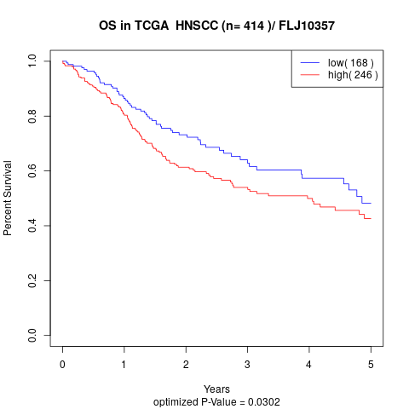

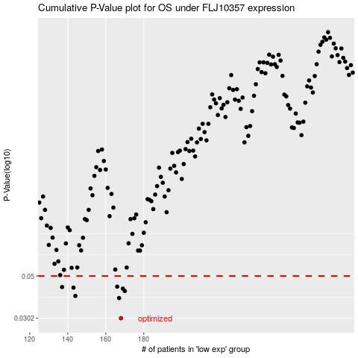

 |  |  |  |  |  | cases_OS | p_OS | rank | exp
 |  |  |  |  |  | 168 | 0.0302 | 99 | -0.35485562991
 |  |  |  |  |  | 167 | 0.0384 | 166 | -0.35499621537
 |  |  |  |  |  | 144 | 0.0394 | 43 | -0.4282362692
 |  |  |  |  |  | 170 | 0.0418 | 138 | -0.349797216
 |  |  |  |  |  | 169 | 0.043 | 25 | -0.35297654195
 |  |  |  |  |  | 143 | 0.0435 | 147 | -0.42914173186
 |  |  |  |  |  | 137 | 0.0438 | 4 | -0.45659619039
 |  |  |  |  |  | 166 | 0.044 | 376 | -0.35951092567
 |  |  |  |  |  |  | cases_RFS | p_RFS | rank | exp
 |  |  |  |  |  |  | 167 | 0.0302 | 166 | -0.35499621537
 |  |  |  |  |  |  | 166 | 0.0384 | 376 | -0.35951092567
 |  |  |  |  |  |  | 143 | 0.0394 | 147 | -0.42914173186
 |  |  |  |  |  |  | 169 | 0.0418 | 25 | -0.35297654195
 |  |  |  |  |  |  | 168 | 0.043 | 99 | -0.35485562991
 |  |  |  |  |  |  | 142 | 0.0435 | 106 | -0.4348473359
 |  |  |  |  |  |  | 136 | 0.0438 | 5 | -0.46894800749
 |  |  |  |  |  |  | 165 | 0.044 | 128 | -0.36173455451

