FLJ13197 _multivariate
Reported by Tex Li-Hsing Chi. tex@gate.sinica.edu.tw 2019-08-19

Table 2. The clinicopathological features of HNSCC cohort and FLJ13197 expression. (Chi square test)
Cutoff at -0.127 (66.2%)
 |  | FLJ13197 expression |  | FLJ13197 expression |  | (Optimised)
 | Features | Low | (%) | High | (%) | Case no | P-value | Remark | Matthews
Gender | Female | 193 | 46.5 | 113 | 27.2 | 415 | 0.0287 | 1 | 0
2 | Male | 82 | 19.8 | 27 | 6.5
Age at diagnosis | <=65y | 175 | 42.2 | 99 | 23.9 | 415 | 0.1836 | 0 | 0
4 | >65y | 100 | 24.1 | 41 | 9.9
Clinical T Status | T1+T2 | 94 | 22.7 | 55 | 13.3 | 415 | 0.3594 | 0 | 0
6 | T3+T4 | 181 | 43.6 | 85 | 20.5
Clinical N Status | N0 | 146 | 35.2 | 70 | 16.9 | 415 | 0.6227 | 0 | 0
8 | N1-3 | 129 | 31.1 | 70 | 16.9
Clinical M Status | M0 | 272 | 65.5 | 140 | 33.7 | 415 | 0.554 | 0 | 0
10 | M1 | 3 | 0.7 | 0 | 0
Clinical Stage | Stage I+II | 69 | 16.6 | 33 | 8 | 415 | 0.8264 | 0 | 0
12 | Stage III+IV | 206 | 49.6 | 107 | 25.8
Surgical Margin status | Negative | 211 | 50.8 | 107 | 25.8 | 415 | 1 | 0 | 0
14 | Positive | 64 | 15.4 | 33 | 8
Tobacco Exposure | Low | 115 | 27.7 | 46 | 11.1 | 415 | 0.0883 | 0 | 0
16 | High | 160 | 38.6 | 94 | 22.7

Table 3. Univariate/Multivariate Cox's proportional hazards regression analyses on OS time of FLJ13197 gene expression in HNSCC

 |  | Univariate |  |  |  | Multivariate
 | Features | HR | CI95%(L) | CI95%(H) | P-value | HR | CI95%(L) | CI95%(H) | P-value
1 | Female | 1 |  |  |  | 1
Gender | Male | 1.157 | 0.843 | 1.587 | 0.367 | 1.114 | 0.795 | 1.561 | 0.53
11 | <=65y | 1 |  |  |  | 1
Age at diagnosis | >65y | 1.329 | 0.99 | 1.784 | 0.058 | 1.404 | 1.032 | 1.911 | 0.031
12 | T1+T2 | 1 |  |  |  | 1
Clinical T Status | T3+T4 | 1.409 | 1.028 | 1.931 | 0.033 | 2.071 | 1.095 | 3.914 | 0.025
13 | N0 | 1 |  |  |  | 1
Clinical N Status | N1-3 | 1.185 | 0.89 | 1.577 | 0.246 | 1.26 | 0.882 | 1.799 | 0.204
14 | M0 | 1 |  |  |  | 1
Clinical M Status | M1 | 4.097 | 1.009 | 16.644 | 0.049 | 7.378 | 1.601 | 33.99 | 0.01
15 | Stage I+II | 1 |  |  |  | 1
Clinical Stage | Stage III+IV | 1.245 | 0.882 | 1.759 | 0.213 | 0.543 | 0.253 | 1.168 | 0.118
16 | Negative | 1 |  |  |  | 1
Surgical Margin status | Positive | 1.591 | 1.155 | 2.191 | 0.004 | 1.65 | 1.195 | 2.277 | 0.002
17 | Low | 1 |  |  |  | 1
Tobacco Exposure | High | 1.364 | 1.008 | 1.844 | 0.044 | 1.519 | 1.099 | 2.098 | 0.011
18 | Low | 1 |  |  |  | 1
RNAseq(z-score) | High | 0.567 | 0.406 | 0.793 | 0.001 | 0.577 | 0.41 | 0.812 | 0.002

Table 4. Univariate/Multivariate Cox's proportional hazards regression analyses on RFS time of FLJ13197 gene expression in HNSCC

 |  | Univariate |  |  |  | Multivariate
 | Features | HR | CI95%(L) | CI95%(H) | P-value | HR | CI95%(L) | CI95%(H) | P-value
1 | Female | 1 |  |  |  | 1
Gender | Male | 1.157 | 0.843 | 1.587 | 0.367 | 1.114 | 0.795 | 1.561 | 0.53
11 | <=65y | 1 |  |  |  | 1
Age at diagnosis | >65y | 1.329 | 0.99 | 1.784 | 0.058 | 1.404 | 1.032 | 1.911 | 0.031
12 | T1+T2 | 1 |  |  |  | 1
Clinical T Status | T3+T4 | 1.409 | 1.028 | 1.931 | 0.033 | 2.071 | 1.095 | 3.914 | 0.025
13 | N0 | 1 |  |  |  | 1
Clinical N Status | N1-3 | 1.185 | 0.89 | 1.577 | 0.246 | 1.26 | 0.882 | 1.799 | 0.204
14 | M0 | 1 |  |  |  | 1
Clinical M Status | M1 | 4.097 | 1.009 | 16.644 | 0.049 | 7.378 | 1.601 | 33.99 | 0.01
15 | Stage I+II | 1 |  |  |  | 1
Clinical Stage | Stage III+IV | 1.245 | 0.882 | 1.759 | 0.213 | 0.543 | 0.253 | 1.168 | 0.118
16 | Negative | 1 |  |  |  | 1
Surgical Margin status | Positive | 1.591 | 1.155 | 2.191 | 0.004 | 1.65 | 1.195 | 2.277 | 0.002
17 | Low | 1 |  |  |  | 1
Tobacco Exposure | High | 1.364 | 1.008 | 1.844 | 0.044 | 1.519 | 1.099 | 2.098 | 0.011
18 | Low | 1 |  |  |  | 1
RNAseq(z-score) | High | 0.567 | 0.406 | 0.793 | 0.001 | 0.577 | 0.41 | 0.812 | 0.002

Kaplan-Meier survival estimate: Cutoff at -0.127 (66.2%)

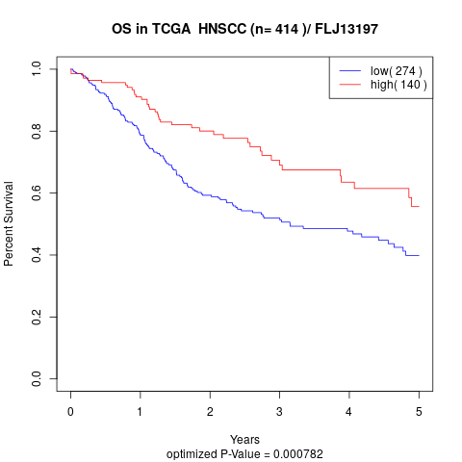

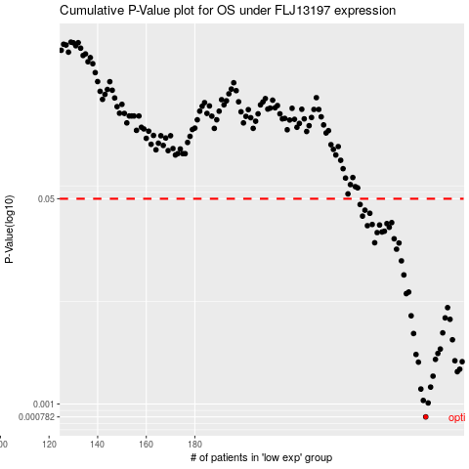

 |  |  |  |  |  | cases_OS | p_OS | rank | exp
 |  |  |  |  |  | 275 | 0.000782 | 329 | -0.12702135953
 |  |  |  |  |  | 276 | 0.00102 | 192 | -0.12186604388
 |  |  |  |  |  | 274 | 0.00107 | 338 | -0.1299352336
 |  |  |  |  |  | 273 | 0.00133 | 366 | -0.13234851904
 |  |  |  |  |  | 277 | 0.00138 | 171 | -0.12109648227
 |  |  |  |  |  | 278 | 0.0017 | 71 | -0.11439457192
 |  |  |  |  |  | 288 | 0.00185 | 20 | -0.069236995403
 |  |  |  |  |  | 289 | 0.00194 | 178 | -0.066001848044
 |  |  |  |  |  | 272 | 0.00222 | 281 | -0.13407442906
 |  |  |  |  |  | 290 | 0.00224 | 139 | -0.063678220265
 |  |  |  |  |  | 287 | 0.00228 | 278 | -0.071314064607
 |  |  |  |  |  | 279 | 0.00234 | 393 | -0.10935879982
 |  |  |  |  |  | 271 | 0.00257 | 72 | -0.13555378051
 |  |  |  |  |  | 280 | 0.00262 | 19 | -0.109044998
 |  |  |  |  |  | 281 | 0.00285 | 73 | -0.10534661938
 |  |  |  |  |  | 286 | 0.0034 | 23 | -0.079547626706
 |  |  |  |  |  | 270 | 0.00383 | 138 | -0.15197607588
 |  |  |  |  |  | 282 | 0.00388 | 151 | -0.10179019873
 |  |  |  |  |  | 285 | 0.00502 | 52 | -0.081549981191
 |  |  |  |  |  | 283 | 0.00516 | 162 | -0.099317141509
 |  |  |  |  |  | 269 | 0.00537 | 263 | -0.16291431082
 |  |  |  |  |  | 284 | 0.00627 | 266 | -0.081729296518
 |  |  |  |  |  | 267 | 0.00819 | 173 | -0.16915298991
 |  |  |  |  |  | 268 | 0.00844 | 247 | -0.16543966835
 |  |  |  |  |  | 266 | 0.0117 | 97 | -0.17410657582
 |  |  |  |  |  | 265 | 0.0153 | 200 | -0.18152574747
 |  |  |  |  |  | 263 | 0.0191 | 388 | -0.20421660781
 |  |  |  |  |  | 264 | 0.0215 | 308 | -0.20167630735
 |  |  |  |  |  | 254 | 0.0216 | 392 | -0.22320908953
 |  |  |  |  |  | 262 | 0.0233 | 48 | -0.20445569492
 |  |  |  |  |  | 255 | 0.0262 | 376 | -0.22274585827
 |  |  |  |  |  | 257 | 0.0265 | 345 | -0.21726926933
 |  |  |  |  |  | 258 | 0.0269 | 292 | -0.21546864458
 |  |  |  |  |  | 260 | 0.029 | 395 | -0.20914777931
 |  |  |  |  |  | 251 | 0.0299 | 40 | -0.22424015266
 |  |  |  |  |  | 256 | 0.0303 | 401 | -0.22215561199
 |  |  |  |  |  | 253 | 0.0306 | 191 | -0.22325391836
 |  |  |  |  |  | 259 | 0.0311 | 218 | -0.21456459648
 |  |  |  |  |  | 261 | 0.0317 | 12 | -0.20628620555
 |  |  |  |  |  | 249 | 0.0359 | 312 | -0.22799830306
 |  |  |  |  |  | 252 | 0.0379 | 90 | -0.22390393643
 |  |  |  |  |  | 250 | 0.0402 | 69 | -0.22708678348
 |  |  |  |  |  | 248 | 0.0448 | 375 | -0.228013246
 |  |  |  |  |  |  | cases_RFS | p_RFS | rank | exp
 |  |  |  |  |  |  | 274 | 0.000782 | 338 | -0.1299352336
 |  |  |  |  |  |  | 275 | 0.00102 | 329 | -0.12702135953
 |  |  |  |  |  |  | 273 | 0.00107 | 366 | -0.13234851904
 |  |  |  |  |  |  | 272 | 0.00133 | 281 | -0.13407442906
 |  |  |  |  |  |  | 276 | 0.00138 | 192 | -0.12186604388
 |  |  |  |  |  |  | 277 | 0.0017 | 171 | -0.12109648227
 |  |  |  |  |  |  | 287 | 0.00185 | 278 | -0.071314064607
 |  |  |  |  |  |  | 288 | 0.00194 | 20 | -0.069236995403
 |  |  |  |  |  |  | 271 | 0.00222 | 72 | -0.13555378051
 |  |  |  |  |  |  | 289 | 0.00224 | 178 | -0.066001848044
 |  |  |  |  |  |  | 286 | 0.00228 | 23 | -0.079547626706
 |  |  |  |  |  |  | 278 | 0.00234 | 71 | -0.11439457192
 |  |  |  |  |  |  | 270 | 0.00257 | 138 | -0.15197607588
 |  |  |  |  |  |  | 279 | 0.00262 | 393 | -0.10935879982
 |  |  |  |  |  |  | 280 | 0.00285 | 19 | -0.109044998
 |  |  |  |  |  |  | 285 | 0.0034 | 52 | -0.081549981191
 |  |  |  |  |  |  | 269 | 0.00383 | 263 | -0.16291431082
 |  |  |  |  |  |  | 281 | 0.00388 | 73 | -0.10534661938
 |  |  |  |  |  |  | 284 | 0.00502 | 266 | -0.081729296518
 |  |  |  |  |  |  | 282 | 0.00516 | 151 | -0.10179019873
 |  |  |  |  |  |  | 268 | 0.00537 | 247 | -0.16543966835
 |  |  |  |  |  |  | 283 | 0.00627 | 162 | -0.099317141509
 |  |  |  |  |  |  | 266 | 0.00819 | 97 | -0.17410657582
 |  |  |  |  |  |  | 267 | 0.00844 | 173 | -0.16915298991
 |  |  |  |  |  |  | 265 | 0.0117 | 200 | -0.18152574747
 |  |  |  |  |  |  | 264 | 0.0153 | 308 | -0.20167630735
 |  |  |  |  |  |  | 262 | 0.0191 | 48 | -0.20445569492
 |  |  |  |  |  |  | 263 | 0.0215 | 388 | -0.20421660781
 |  |  |  |  |  |  | 253 | 0.0216 | 191 | -0.22325391836
 |  |  |  |  |  |  | 261 | 0.0233 | 12 | -0.20628620555
 |  |  |  |  |  |  | 254 | 0.0262 | 392 | -0.22320908953
 |  |  |  |  |  |  | 256 | 0.0265 | 401 | -0.22215561199
 |  |  |  |  |  |  | 257 | 0.0269 | 345 | -0.21726926933
 |  |  |  |  |  |  | 259 | 0.029 | 218 | -0.21456459648
 |  |  |  |  |  |  | 250 | 0.0299 | 69 | -0.22708678348
 |  |  |  |  |  |  | 255 | 0.0303 | 376 | -0.22274585827
 |  |  |  |  |  |  | 252 | 0.0306 | 90 | -0.22390393643
 |  |  |  |  |  |  | 258 | 0.0311 | 292 | -0.21546864458
 |  |  |  |  |  |  | 260 | 0.0317 | 395 | -0.20914777931
 |  |  |  |  |  |  | 248 | 0.0359 | 375 | -0.228013246
 |  |  |  |  |  |  | 251 | 0.0379 | 40 | -0.22424015266
 |  |  |  |  |  |  | 249 | 0.0402 | 312 | -0.22799830306
 |  |  |  |  |  |  | 247 | 0.0448 | 289 | -0.2298512281

