FLJ16779 _multivariate
Reported by Tex Li-Hsing Chi. tex@gate.sinica.edu.tw 2019-08-19

Table 2. The clinicopathological features of HNSCC cohort and FLJ16779 expression. (Chi square test)
Cutoff at -0.149 (49.8%)
 |  | FLJ16779 expression |  | FLJ16779 expression |  | (Optimised)
 | Features | Low | (%) | High | (%) | Case no | P-value | Remark | Matthews
Gender | Female | 154 | 37.1 | 152 | 36.6 | 415 | 0.8463 | 0 | 0
2 | Male | 53 | 12.8 | 56 | 13.5
Age at diagnosis | <=65y | 142 | 34.2 | 132 | 31.8 | 415 | 0.3167 | 0 | 0
4 | >65y | 65 | 15.7 | 76 | 18.3
Clinical T Status | T1+T2 | 72 | 17.3 | 77 | 18.6 | 415 | 0.7095 | 0 | 0
6 | T3+T4 | 135 | 32.5 | 131 | 31.6
Clinical N Status | N0 | 104 | 25.1 | 112 | 27 | 415 | 0.5243 | 0 | 0
8 | N1-3 | 103 | 24.8 | 96 | 23.1
Clinical M Status | M0 | 204 | 49.2 | 208 | 50.1 | 415 | 0.1232 | 0 | 0
10 | M1 | 3 | 0.7 | 0 | 0
Clinical Stage | Stage I+II | 43 | 10.4 | 59 | 14.2 | 415 | 0.0925 | 0 | 0
12 | Stage III+IV | 164 | 39.5 | 149 | 35.9
Surgical Margin status | Negative | 159 | 38.3 | 159 | 38.3 | 415 | 1 | 0 | 0
14 | Positive | 48 | 11.6 | 49 | 11.8
Tobacco Exposure | Low | 78 | 18.8 | 83 | 20 | 415 | 0.6873 | 0 | 0
16 | High | 129 | 31.1 | 125 | 30.1

Table 3. Univariate/Multivariate Cox's proportional hazards regression analyses on OS time of FLJ16779 gene expression in HNSCC

 |  | Univariate |  |  |  | Multivariate
 | Features | HR | CI95%(L) | CI95%(H) | P-value | HR | CI95%(L) | CI95%(H) | P-value
1 | Female | 1 |  |  |  | 1
Gender | Male | 1.157 | 0.843 | 1.587 | 0.367 | 1.194 | 0.854 | 1.67 | 0.299
11 | <=65y | 1 |  |  |  | 1
Age at diagnosis | >65y | 1.329 | 0.99 | 1.784 | 0.058 | 1.435 | 1.053 | 1.956 | 0.022
12 | T1+T2 | 1 |  |  |  | 1
Clinical T Status | T3+T4 | 1.409 | 1.028 | 1.931 | 0.033 | 2.269 | 1.198 | 4.295 | 0.012
13 | N0 | 1 |  |  |  | 1
Clinical N Status | N1-3 | 1.185 | 0.89 | 1.577 | 0.246 | 1.273 | 0.89 | 1.819 | 0.186
14 | M0 | 1 |  |  |  | 1
Clinical M Status | M1 | 4.097 | 1.009 | 16.644 | 0.049 | 8.683 | 1.888 | 39.942 | 0.006
15 | Stage I+II | 1 |  |  |  | 1
Clinical Stage | Stage III+IV | 1.245 | 0.882 | 1.759 | 0.213 | 0.485 | 0.225 | 1.044 | 0.064
16 | Negative | 1 |  |  |  | 1
Surgical Margin status | Positive | 1.591 | 1.155 | 2.191 | 0.004 | 1.671 | 1.21 | 2.308 | 0.002
17 | Low | 1 |  |  |  | 1
Tobacco Exposure | High | 1.364 | 1.008 | 1.844 | 0.044 | 1.46 | 1.059 | 2.013 | 0.021
18 | Low | 1 |  |  |  | 1
RNAseq(z-score) | High | 0.866 | 0.649 | 1.154 | 0.326 | 0.817 | 0.609 | 1.096 | 0.177

Table 4. Univariate/Multivariate Cox's proportional hazards regression analyses on RFS time of FLJ16779 gene expression in HNSCC

 |  | Univariate |  |  |  | Multivariate
 | Features | HR | CI95%(L) | CI95%(H) | P-value | HR | CI95%(L) | CI95%(H) | P-value
1 | Female | 1 |  |  |  | 1
Gender | Male | 1.157 | 0.843 | 1.587 | 0.367 | 1.194 | 0.854 | 1.67 | 0.299
11 | <=65y | 1 |  |  |  | 1
Age at diagnosis | >65y | 1.329 | 0.99 | 1.784 | 0.058 | 1.435 | 1.053 | 1.956 | 0.022
12 | T1+T2 | 1 |  |  |  | 1
Clinical T Status | T3+T4 | 1.409 | 1.028 | 1.931 | 0.033 | 2.269 | 1.198 | 4.295 | 0.012
13 | N0 | 1 |  |  |  | 1
Clinical N Status | N1-3 | 1.185 | 0.89 | 1.577 | 0.246 | 1.273 | 0.89 | 1.819 | 0.186
14 | M0 | 1 |  |  |  | 1
Clinical M Status | M1 | 4.097 | 1.009 | 16.644 | 0.049 | 8.683 | 1.888 | 39.942 | 0.006
15 | Stage I+II | 1 |  |  |  | 1
Clinical Stage | Stage III+IV | 1.245 | 0.882 | 1.759 | 0.213 | 0.485 | 0.225 | 1.044 | 0.064
16 | Negative | 1 |  |  |  | 1
Surgical Margin status | Positive | 1.591 | 1.155 | 2.191 | 0.004 | 1.671 | 1.21 | 2.308 | 0.002
17 | Low | 1 |  |  |  | 1
Tobacco Exposure | High | 1.364 | 1.008 | 1.844 | 0.044 | 1.46 | 1.059 | 2.013 | 0.021
18 | Low | 1 |  |  |  | 1
RNAseq(z-score) | High | 0.866 | 0.649 | 1.154 | 0.326 | 0.817 | 0.609 | 1.096 | 0.177

Kaplan-Meier survival estimate: Cutoff at -0.149 (49.8%)



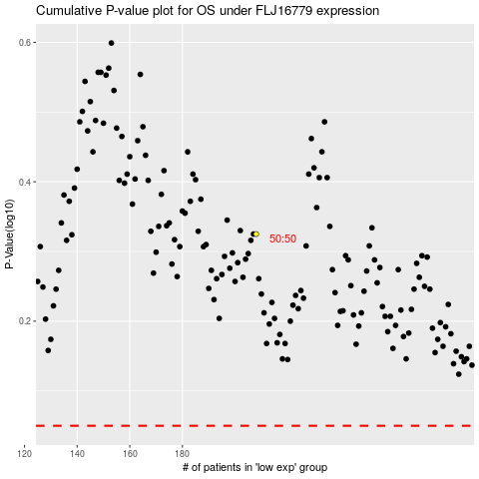

 |  |  |  |  |  | cases_OS | p_OS | rank | exp
 |  |  |  |  |  |  | cases_RFS | p_RFS | rank | exp

