FLJ22536 _multivariate
Reported by Tex Li-Hsing Chi. tex@gate.sinica.edu.tw 2019-08-19

Table 2. The clinicopathological features of HNSCC cohort and FLJ22536 expression. (Chi square test)
Cutoff at 0.05 (68.4%)
 |  | FLJ22536 expression |  | FLJ22536 expression |  | (Optimised)
 | Features | Low | (%) | High | (%) | Case no | P-value | Remark | Matthews
Gender | Female | 206 | 49.6 | 100 | 24.1 | 415 | 0.4854 | 0 | 0
2 | Male | 78 | 18.8 | 31 | 7.5
Age at diagnosis | <=65y | 183 | 44.1 | 91 | 21.9 | 415 | 0.3714 | 0 | 0
4 | >65y | 101 | 24.3 | 40 | 9.6
Clinical T Status | T1+T2 | 105 | 25.3 | 44 | 10.6 | 415 | 0.577 | 0 | 0
6 | T3+T4 | 179 | 43.1 | 87 | 21
Clinical N Status | N0 | 146 | 35.2 | 70 | 16.9 | 415 | 0.7807 | 0 | 0
8 | N1-3 | 138 | 33.3 | 61 | 14.7
Clinical M Status | M0 | 281 | 67.7 | 131 | 31.6 | 415 | 0.5549 | 0 | 0
10 | M1 | 3 | 0.7 | 0 | 0
Clinical Stage | Stage I+II | 72 | 17.3 | 30 | 7.2 | 415 | 0.6771 | 0 | 0
12 | Stage III+IV | 212 | 51.1 | 101 | 24.3
Surgical Margin status | Negative | 218 | 52.5 | 100 | 24.1 | 415 | 1 | 0 | 0
14 | Positive | 66 | 15.9 | 31 | 7.5
Tobacco Exposure | Low | 114 | 27.5 | 47 | 11.3 | 415 | 0.4486 | 0 | 0
16 | High | 170 | 41 | 84 | 20.2

Table 3. Univariate/Multivariate Cox's proportional hazards regression analyses on OS time of FLJ22536 gene expression in HNSCC

 |  | Univariate |  |  |  | Multivariate
 | Features | HR | CI95%(L) | CI95%(H) | P-value | HR | CI95%(L) | CI95%(H) | P-value
1 | Female | 1 |  |  |  | 1
Gender | Male | 1.157 | 0.843 | 1.587 | 0.367 | 1.202 | 0.859 | 1.682 | 0.283
11 | <=65y | 1 |  |  |  | 1
Age at diagnosis | >65y | 1.329 | 0.99 | 1.784 | 0.058 | 1.349 | 0.992 | 1.836 | 0.057
12 | T1+T2 | 1 |  |  |  | 1
Clinical T Status | T3+T4 | 1.409 | 1.028 | 1.931 | 0.033 | 2.186 | 1.156 | 4.133 | 0.016
13 | N0 | 1 |  |  |  | 1
Clinical N Status | N1-3 | 1.185 | 0.89 | 1.577 | 0.246 | 1.209 | 0.847 | 1.727 | 0.296
14 | M0 | 1 |  |  |  | 1
Clinical M Status | M1 | 4.097 | 1.009 | 16.644 | 0.049 | 8.493 | 1.847 | 39.046 | 0.006
15 | Stage I+II | 1 |  |  |  | 1
Clinical Stage | Stage III+IV | 1.245 | 0.882 | 1.759 | 0.213 | 0.526 | 0.245 | 1.13 | 0.1
16 | Negative | 1 |  |  |  | 1
Surgical Margin status | Positive | 1.591 | 1.155 | 2.191 | 0.004 | 1.665 | 1.205 | 2.3 | 0.002
17 | Low | 1 |  |  |  | 1
Tobacco Exposure | High | 1.364 | 1.008 | 1.844 | 0.044 | 1.473 | 1.068 | 2.032 | 0.018
18 | Low | 1 |  |  |  | 1
RNAseq(z-score) | High | 0.71 | 0.514 | 0.981 | 0.038 | 0.725 | 0.523 | 1.005 | 0.054

Table 4. Univariate/Multivariate Cox's proportional hazards regression analyses on RFS time of FLJ22536 gene expression in HNSCC

 |  | Univariate |  |  |  | Multivariate
 | Features | HR | CI95%(L) | CI95%(H) | P-value | HR | CI95%(L) | CI95%(H) | P-value
1 | Female | 1 |  |  |  | 1
Gender | Male | 1.157 | 0.843 | 1.587 | 0.367 | 1.202 | 0.859 | 1.682 | 0.283
11 | <=65y | 1 |  |  |  | 1
Age at diagnosis | >65y | 1.329 | 0.99 | 1.784 | 0.058 | 1.349 | 0.992 | 1.836 | 0.057
12 | T1+T2 | 1 |  |  |  | 1
Clinical T Status | T3+T4 | 1.409 | 1.028 | 1.931 | 0.033 | 2.186 | 1.156 | 4.133 | 0.016
13 | N0 | 1 |  |  |  | 1
Clinical N Status | N1-3 | 1.185 | 0.89 | 1.577 | 0.246 | 1.209 | 0.847 | 1.727 | 0.296
14 | M0 | 1 |  |  |  | 1
Clinical M Status | M1 | 4.097 | 1.009 | 16.644 | 0.049 | 8.493 | 1.847 | 39.046 | 0.006
15 | Stage I+II | 1 |  |  |  | 1
Clinical Stage | Stage III+IV | 1.245 | 0.882 | 1.759 | 0.213 | 0.526 | 0.245 | 1.13 | 0.1
16 | Negative | 1 |  |  |  | 1
Surgical Margin status | Positive | 1.591 | 1.155 | 2.191 | 0.004 | 1.665 | 1.205 | 2.3 | 0.002
17 | Low | 1 |  |  |  | 1
Tobacco Exposure | High | 1.364 | 1.008 | 1.844 | 0.044 | 1.473 | 1.068 | 2.032 | 0.018
18 | Low | 1 |  |  |  | 1
RNAseq(z-score) | High | 0.71 | 0.514 | 0.981 | 0.038 | 0.725 | 0.523 | 1.005 | 0.054

Kaplan-Meier survival estimate: Cutoff at 0.05 (68.4%)

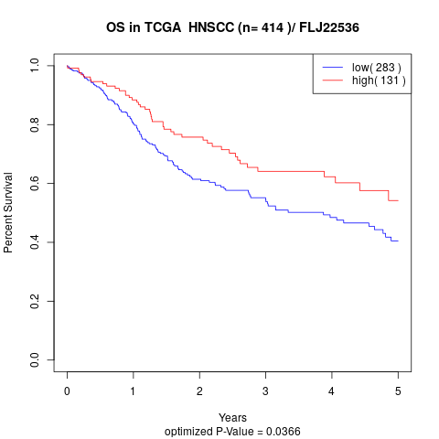

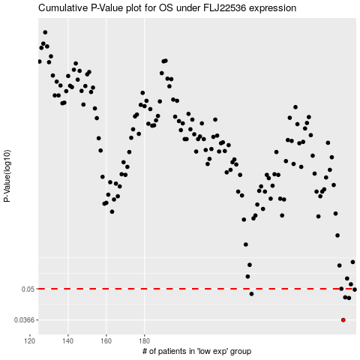

 |  |  |  |  |  | cases_OS | p_OS | rank | exp
 |  |  |  |  |  | 284 | 0.0366 | 149 | 0.050183259744
 |  |  |  |  |  | 287 | 0.0456 | 382 | 0.074769851626
 |  |  |  |  |  | 285 | 0.0459 | 83 | 0.051322745286
 |  |  |  |  |  | 236 | 0.0475 | 271 | -0.14840994595
 |  |  |  |  |  | 290 | 0.0496 | 14 | 0.099125359027
 |  |  |  |  |  | 283 | 0.05 | 204 | 0.04338220443
 |  |  |  |  |  |  | cases_RFS | p_RFS | rank | exp
 |  |  |  |  |  |  | 283 | 0.0366 | 204 | 0.04338220443
 |  |  |  |  |  |  | 286 | 0.0456 | 209 | 0.054243175013
 |  |  |  |  |  |  | 284 | 0.0459 | 149 | 0.050183259744
 |  |  |  |  |  |  | 235 | 0.0475 | 199 | -0.14897172029
 |  |  |  |  |  |  | 289 | 0.0496 | 409 | 0.082594850241
 |  |  |  |  |  |  | 282 | 0.05 | 369 | 0.038127024606

