FLJ33630 _multivariate
Reported by Tex Li-Hsing Chi. tex@gate.sinica.edu.tw 2019-08-19

Table 2. The clinicopathological features of HNSCC cohort and FLJ33630 expression. (Chi square test)
Cutoff at -0.255 (49.8%)
 |  | FLJ33630 expression |  | FLJ33630 expression |  | (Optimised)
 | Features | Low | (%) | High | (%) | Case no | P-value | Remark | Matthews
Gender | Female | 149 | 35.9 | 157 | 37.8 | 415 | 0.4848 | 0 | 0
2 | Male | 58 | 14 | 51 | 12.3
Age at diagnosis | <=65y | 132 | 31.8 | 142 | 34.2 | 415 | 0.3874 | 0 | 0
4 | >65y | 75 | 18.1 | 66 | 15.9
Clinical T Status | T1+T2 | 70 | 16.9 | 79 | 19 | 415 | 0.4343 | 0 | 0
6 | T3+T4 | 137 | 33 | 129 | 31.1
Clinical N Status | N0 | 100 | 24.1 | 116 | 28 | 415 | 0.1548 | 0 | 0
8 | N1-3 | 107 | 25.8 | 92 | 22.2
Clinical M Status | M0 | 207 | 49.9 | 205 | 49.4 | 415 | 0.2482 | 0 | 0
10 | M1 | 0 | 0 | 3 | 0.7
Clinical Stage | Stage I+II | 51 | 12.3 | 51 | 12.3 | 415 | 1 | 0 | 0
12 | Stage III+IV | 156 | 37.6 | 157 | 37.8
Surgical Margin status | Negative | 158 | 38.1 | 160 | 38.6 | 415 | 0.9081 | 0 | 0
14 | Positive | 49 | 11.8 | 48 | 11.6
Tobacco Exposure | Low | 75 | 18.1 | 86 | 20.7 | 415 | 0.3141 | 0 | 0
16 | High | 132 | 31.8 | 122 | 29.4

Table 3. Univariate/Multivariate Cox's proportional hazards regression analyses on OS time of FLJ33630 gene expression in HNSCC

 |  | Univariate |  |  |  | Multivariate
 | Features | HR | CI95%(L) | CI95%(H) | P-value | HR | CI95%(L) | CI95%(H) | P-value
1 | Female | 1 |  |  |  | 1
Gender | Male | 1.157 | 0.843 | 1.587 | 0.367 | 1.2 | 0.859 | 1.676 | 0.285
11 | <=65y | 1 |  |  |  | 1
Age at diagnosis | >65y | 1.329 | 0.99 | 1.784 | 0.058 | 1.378 | 1.012 | 1.877 | 0.042
12 | T1+T2 | 1 |  |  |  | 1
Clinical T Status | T3+T4 | 1.409 | 1.028 | 1.931 | 0.033 | 2.172 | 1.147 | 4.116 | 0.017
13 | N0 | 1 |  |  |  | 1
Clinical N Status | N1-3 | 1.185 | 0.89 | 1.577 | 0.246 | 1.22 | 0.851 | 1.75 | 0.28
14 | M0 | 1 |  |  |  | 1
Clinical M Status | M1 | 4.097 | 1.009 | 16.644 | 0.049 | 9.777 | 2.119 | 45.114 | 0.003
15 | Stage I+II | 1 |  |  |  | 1
Clinical Stage | Stage III+IV | 1.245 | 0.882 | 1.759 | 0.213 | 0.511 | 0.238 | 1.098 | 0.085
16 | Negative | 1 |  |  |  | 1
Surgical Margin status | Positive | 1.591 | 1.155 | 2.191 | 0.004 | 1.688 | 1.219 | 2.336 | 0.002
17 | Low | 1 |  |  |  | 1
Tobacco Exposure | High | 1.364 | 1.008 | 1.844 | 0.044 | 1.446 | 1.048 | 1.993 | 0.025
18 | Low | 1 |  |  |  | 1
RNAseq(z-score) | High | 0.866 | 0.65 | 1.153 | 0.324 | 0.92 | 0.683 | 1.239 | 0.583

Table 4. Univariate/Multivariate Cox's proportional hazards regression analyses on RFS time of FLJ33630 gene expression in HNSCC

 |  | Univariate |  |  |  | Multivariate
 | Features | HR | CI95%(L) | CI95%(H) | P-value | HR | CI95%(L) | CI95%(H) | P-value
1 | Female | 1 |  |  |  | 1
Gender | Male | 1.157 | 0.843 | 1.587 | 0.367 | 1.2 | 0.859 | 1.676 | 0.285
11 | <=65y | 1 |  |  |  | 1
Age at diagnosis | >65y | 1.329 | 0.99 | 1.784 | 0.058 | 1.378 | 1.012 | 1.877 | 0.042
12 | T1+T2 | 1 |  |  |  | 1
Clinical T Status | T3+T4 | 1.409 | 1.028 | 1.931 | 0.033 | 2.172 | 1.147 | 4.116 | 0.017
13 | N0 | 1 |  |  |  | 1
Clinical N Status | N1-3 | 1.185 | 0.89 | 1.577 | 0.246 | 1.22 | 0.851 | 1.75 | 0.28
14 | M0 | 1 |  |  |  | 1
Clinical M Status | M1 | 4.097 | 1.009 | 16.644 | 0.049 | 9.777 | 2.119 | 45.114 | 0.003
15 | Stage I+II | 1 |  |  |  | 1
Clinical Stage | Stage III+IV | 1.245 | 0.882 | 1.759 | 0.213 | 0.511 | 0.238 | 1.098 | 0.085
16 | Negative | 1 |  |  |  | 1
Surgical Margin status | Positive | 1.591 | 1.155 | 2.191 | 0.004 | 1.688 | 1.219 | 2.336 | 0.002
17 | Low | 1 |  |  |  | 1
Tobacco Exposure | High | 1.364 | 1.008 | 1.844 | 0.044 | 1.446 | 1.048 | 1.993 | 0.025
18 | Low | 1 |  |  |  | 1
RNAseq(z-score) | High | 0.866 | 0.65 | 1.153 | 0.324 | 0.92 | 0.683 | 1.239 | 0.583

Kaplan-Meier survival estimate: Cutoff at -0.255 (49.8%)



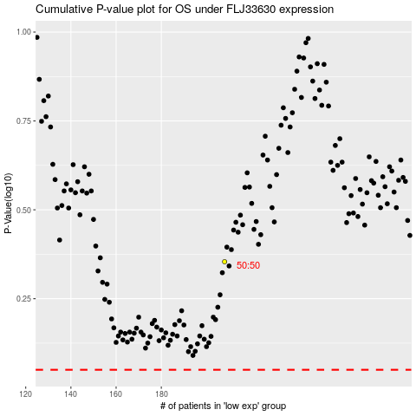

 |  |  |  |  |  | cases_OS | p_OS | rank | exp
 |  |  |  |  |  |  | cases_RFS | p_RFS | rank | exp

