FLJ35024 _multivariate
Reported by Tex Li-Hsing Chi. tex@gate.sinica.edu.tw 2019-08-19

Table 2. The clinicopathological features of HNSCC cohort and FLJ35024 expression. (Chi square test)
Cutoff at -0.367 (50.0%)
 |  | FLJ35024 expression |  | FLJ35024 expression |  | (Optimised)
 | Features | Low | (%) | High | (%) | Case no | P-value | Remark | Matthews
Gender | Female | 157 | 37.8 | 149 | 35.9 | 415 | 0.3881 | 0 | 0
2 | Male | 50 | 12 | 59 | 14.2
Age at diagnosis | <=65y | 139 | 33.5 | 135 | 32.5 | 415 | 0.7044 | 0 | 0
4 | >65y | 68 | 16.4 | 73 | 17.6
Clinical T Status | T1+T2 | 61 | 14.7 | 88 | 21.2 | 415 | 0.0087 | 1 | 0
6 | T3+T4 | 146 | 35.2 | 120 | 28.9
Clinical N Status | N0 | 101 | 24.3 | 115 | 27.7 | 415 | 0.2201 | 0 | 0
8 | N1-3 | 106 | 25.5 | 93 | 22.4
Clinical M Status | M0 | 206 | 49.6 | 206 | 49.6 | 415 | 1 | 0 | 0
10 | M1 | 1 | 0.2 | 2 | 0.5
Clinical Stage | Stage I+II | 43 | 10.4 | 59 | 14.2 | 415 | 0.0925 | 0 | 0
12 | Stage III+IV | 164 | 39.5 | 149 | 35.9
Surgical Margin status | Negative | 155 | 37.3 | 163 | 39.3 | 415 | 0.4187 | 0 | 0
14 | Positive | 52 | 12.5 | 45 | 10.8
Tobacco Exposure | Low | 76 | 18.3 | 85 | 20.5 | 415 | 0.4207 | 0 | 0
16 | High | 131 | 31.6 | 123 | 29.6

Table 3. Univariate/Multivariate Cox's proportional hazards regression analyses on OS time of FLJ35024 gene expression in HNSCC

 |  | Univariate |  |  |  | Multivariate
 | Features | HR | CI95%(L) | CI95%(H) | P-value | HR | CI95%(L) | CI95%(H) | P-value
1 | Female | 1 |  |  |  | 1
Gender | Male | 1.157 | 0.843 | 1.587 | 0.367 | 1.201 | 0.86 | 1.678 | 0.283
11 | <=65y | 1 |  |  |  | 1
Age at diagnosis | >65y | 1.329 | 0.99 | 1.784 | 0.058 | 1.394 | 1.025 | 1.895 | 0.034
12 | T1+T2 | 1 |  |  |  | 1
Clinical T Status | T3+T4 | 1.409 | 1.028 | 1.931 | 0.033 | 2.182 | 1.149 | 4.144 | 0.017
13 | N0 | 1 |  |  |  | 1
Clinical N Status | N1-3 | 1.185 | 0.89 | 1.577 | 0.246 | 1.24 | 0.869 | 1.77 | 0.235
14 | M0 | 1 |  |  |  | 1
Clinical M Status | M1 | 4.097 | 1.009 | 16.644 | 0.049 | 9.377 | 2.045 | 42.99 | 0.004
15 | Stage I+II | 1 |  |  |  | 1
Clinical Stage | Stage III+IV | 1.245 | 0.882 | 1.759 | 0.213 | 0.508 | 0.236 | 1.091 | 0.083
16 | Negative | 1 |  |  |  | 1
Surgical Margin status | Positive | 1.591 | 1.155 | 2.191 | 0.004 | 1.665 | 1.204 | 2.304 | 0.002
17 | Low | 1 |  |  |  | 1
Tobacco Exposure | High | 1.364 | 1.008 | 1.844 | 0.044 | 1.455 | 1.056 | 2.004 | 0.022
18 | Low | 1 |  |  |  | 1
RNAseq(z-score) | High | 0.898 | 0.674 | 1.196 | 0.462 | 0.965 | 0.722 | 1.29 | 0.809

Table 4. Univariate/Multivariate Cox's proportional hazards regression analyses on RFS time of FLJ35024 gene expression in HNSCC

 |  | Univariate |  |  |  | Multivariate
 | Features | HR | CI95%(L) | CI95%(H) | P-value | HR | CI95%(L) | CI95%(H) | P-value
1 | Female | 1 |  |  |  | 1
Gender | Male | 1.157 | 0.843 | 1.587 | 0.367 | 1.201 | 0.86 | 1.678 | 0.283
11 | <=65y | 1 |  |  |  | 1
Age at diagnosis | >65y | 1.329 | 0.99 | 1.784 | 0.058 | 1.394 | 1.025 | 1.895 | 0.034
12 | T1+T2 | 1 |  |  |  | 1
Clinical T Status | T3+T4 | 1.409 | 1.028 | 1.931 | 0.033 | 2.182 | 1.149 | 4.144 | 0.017
13 | N0 | 1 |  |  |  | 1
Clinical N Status | N1-3 | 1.185 | 0.89 | 1.577 | 0.246 | 1.24 | 0.869 | 1.77 | 0.235
14 | M0 | 1 |  |  |  | 1
Clinical M Status | M1 | 4.097 | 1.009 | 16.644 | 0.049 | 9.377 | 2.045 | 42.99 | 0.004
15 | Stage I+II | 1 |  |  |  | 1
Clinical Stage | Stage III+IV | 1.245 | 0.882 | 1.759 | 0.213 | 0.508 | 0.236 | 1.091 | 0.083
16 | Negative | 1 |  |  |  | 1
Surgical Margin status | Positive | 1.591 | 1.155 | 2.191 | 0.004 | 1.665 | 1.204 | 2.304 | 0.002
17 | Low | 1 |  |  |  | 1
Tobacco Exposure | High | 1.364 | 1.008 | 1.844 | 0.044 | 1.455 | 1.056 | 2.004 | 0.022
18 | Low | 1 |  |  |  | 1
RNAseq(z-score) | High | 0.898 | 0.674 | 1.196 | 0.462 | 0.965 | 0.722 | 1.29 | 0.809

Kaplan-Meier survival estimate: Cutoff at -0.367 (50.0%)



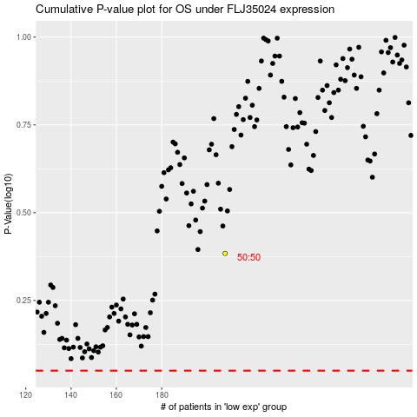

 |  |  |  |  |  | cases_OS | p_OS | rank | exp
 |  |  |  |  |  |  | cases_RFS | p_RFS | rank | exp

