FLJ35220 _multivariate
Reported by Tex Li-Hsing Chi. tex@gate.sinica.edu.tw 2019-08-19

Table 2. The clinicopathological features of HNSCC cohort and FLJ35220 expression. (Chi square test)
Cutoff at -0.287 (50.0%)
 |  | FLJ35220 expression |  | FLJ35220 expression |  | (Optimised)
 | Features | Low | (%) | High | (%) | Case no | P-value | Remark | Matthews
Gender | Female | 139 | 33.5 | 167 | 40.2 | 415 | 0.0034 | 1 | 0
2 | Male | 68 | 16.4 | 41 | 9.9
Age at diagnosis | <=65y | 129 | 31.1 | 145 | 34.9 | 415 | 0.1372 | 0 | 0
4 | >65y | 78 | 18.8 | 63 | 15.2
Clinical T Status | T1+T2 | 83 | 20 | 66 | 15.9 | 415 | 0.0941 | 0 | 0
6 | T3+T4 | 124 | 29.9 | 142 | 34.2
Clinical N Status | N0 | 116 | 28 | 100 | 24.1 | 415 | 0.1273 | 1 | 0
8 | N1-3 | 91 | 21.9 | 108 | 26
Clinical M Status | M0 | 207 | 49.9 | 205 | 49.4 | 415 | 0.2482 | 0 | 0
10 | M1 | 0 | 0 | 3 | 0.7
Clinical Stage | Stage I+II | 58 | 14 | 44 | 10.6 | 415 | 0.131 | 0 | 0
12 | Stage III+IV | 149 | 35.9 | 164 | 39.5
Surgical Margin status | Negative | 160 | 38.6 | 158 | 38.1 | 415 | 0.8167 | 0 | 0
14 | Positive | 47 | 11.3 | 50 | 12
Tobacco Exposure | Low | 94 | 22.7 | 67 | 16.1 | 415 | 0.0065 | 1 | 0
16 | High | 113 | 27.2 | 141 | 34

Table 3. Univariate/Multivariate Cox's proportional hazards regression analyses on OS time of FLJ35220 gene expression in HNSCC

 |  | Univariate |  |  |  | Multivariate
 | Features | HR | CI95%(L) | CI95%(H) | P-value | HR | CI95%(L) | CI95%(H) | P-value
1 | Female | 1 |  |  |  | 1
Gender | Male | 1.157 | 0.843 | 1.587 | 0.367 | 1.194 | 0.854 | 1.67 | 0.301
11 | <=65y | 1 |  |  |  | 1
Age at diagnosis | >65y | 1.329 | 0.99 | 1.784 | 0.058 | 1.399 | 1.028 | 1.903 | 0.033
12 | T1+T2 | 1 |  |  |  | 1
Clinical T Status | T3+T4 | 1.409 | 1.028 | 1.931 | 0.033 | 2.227 | 1.175 | 4.222 | 0.014
13 | N0 | 1 |  |  |  | 1
Clinical N Status | N1-3 | 1.185 | 0.89 | 1.577 | 0.246 | 1.249 | 0.874 | 1.786 | 0.222
14 | M0 | 1 |  |  |  | 1
Clinical M Status | M1 | 4.097 | 1.009 | 16.644 | 0.049 | 9.756 | 2.105 | 45.225 | 0.004
15 | Stage I+II | 1 |  |  |  | 1
Clinical Stage | Stage III+IV | 1.245 | 0.882 | 1.759 | 0.213 | 0.498 | 0.232 | 1.072 | 0.075
16 | Negative | 1 |  |  |  | 1
Surgical Margin status | Positive | 1.591 | 1.155 | 2.191 | 0.004 | 1.674 | 1.211 | 2.313 | 0.002
17 | Low | 1 |  |  |  | 1
Tobacco Exposure | High | 1.364 | 1.008 | 1.844 | 0.044 | 1.465 | 1.06 | 2.024 | 0.021
18 | Low | 1 |  |  |  | 1
RNAseq(z-score) | High | 1.047 | 0.786 | 1.394 | 0.755 | 0.943 | 0.702 | 1.267 | 0.695

Table 4. Univariate/Multivariate Cox's proportional hazards regression analyses on RFS time of FLJ35220 gene expression in HNSCC

 |  | Univariate |  |  |  | Multivariate
 | Features | HR | CI95%(L) | CI95%(H) | P-value | HR | CI95%(L) | CI95%(H) | P-value
1 | Female | 1 |  |  |  | 1
Gender | Male | 1.157 | 0.843 | 1.587 | 0.367 | 1.194 | 0.854 | 1.67 | 0.301
11 | <=65y | 1 |  |  |  | 1
Age at diagnosis | >65y | 1.329 | 0.99 | 1.784 | 0.058 | 1.399 | 1.028 | 1.903 | 0.033
12 | T1+T2 | 1 |  |  |  | 1
Clinical T Status | T3+T4 | 1.409 | 1.028 | 1.931 | 0.033 | 2.227 | 1.175 | 4.222 | 0.014
13 | N0 | 1 |  |  |  | 1
Clinical N Status | N1-3 | 1.185 | 0.89 | 1.577 | 0.246 | 1.249 | 0.874 | 1.786 | 0.222
14 | M0 | 1 |  |  |  | 1
Clinical M Status | M1 | 4.097 | 1.009 | 16.644 | 0.049 | 9.756 | 2.105 | 45.225 | 0.004
15 | Stage I+II | 1 |  |  |  | 1
Clinical Stage | Stage III+IV | 1.245 | 0.882 | 1.759 | 0.213 | 0.498 | 0.232 | 1.072 | 0.075
16 | Negative | 1 |  |  |  | 1
Surgical Margin status | Positive | 1.591 | 1.155 | 2.191 | 0.004 | 1.674 | 1.211 | 2.313 | 0.002
17 | Low | 1 |  |  |  | 1
Tobacco Exposure | High | 1.364 | 1.008 | 1.844 | 0.044 | 1.465 | 1.06 | 2.024 | 0.021
18 | Low | 1 |  |  |  | 1
RNAseq(z-score) | High | 1.047 | 0.786 | 1.394 | 0.755 | 0.943 | 0.702 | 1.267 | 0.695

Kaplan-Meier survival estimate: Cutoff at -0.287 (50.0%)



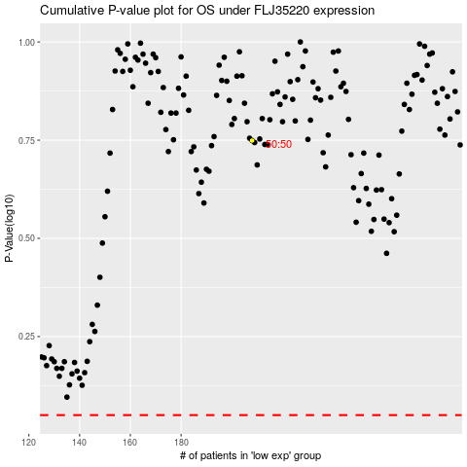

 |  |  |  |  |  | cases_OS | p_OS | rank | exp
 |  |  |  |  |  |  | cases_RFS | p_RFS | rank | exp

