FLJ40292 _multivariate
Reported by Tex Li-Hsing Chi. tex@gate.sinica.edu.tw 2019-08-19

Table 2. The clinicopathological features of HNSCC cohort and FLJ40292 expression. (Chi square test)
Cutoff at -0.282 (50.0%)
 |  | FLJ40292 expression |  | FLJ40292 expression |  | (Optimised)
 | Features | Low | (%) | High | (%) | Case no | P-value | Remark | Matthews
Gender | Female | 147 | 35.4 | 159 | 38.3 | 415 | 0.2523 | 0 | 0
2 | Male | 60 | 14.5 | 49 | 11.8
Age at diagnosis | <=65y | 137 | 33 | 137 | 33 | 415 | 1 | 0 | 0
4 | >65y | 70 | 16.9 | 71 | 17.1
Clinical T Status | T1+T2 | 76 | 18.3 | 73 | 17.6 | 415 | 0.8092 | 0 | 0
6 | T3+T4 | 131 | 31.6 | 135 | 32.5
Clinical N Status | N0 | 114 | 27.5 | 102 | 24.6 | 415 | 0.2576 | 1 | 0
8 | N1-3 | 93 | 22.4 | 106 | 25.5
Clinical M Status | M0 | 205 | 49.4 | 207 | 49.9 | 415 | 0.6232 | 0 | 0
10 | M1 | 2 | 0.5 | 1 | 0.2
Clinical Stage | Stage I+II | 58 | 14 | 44 | 10.6 | 415 | 0.131 | 0 | 0
12 | Stage III+IV | 149 | 35.9 | 164 | 39.5
Surgical Margin status | Negative | 162 | 39 | 156 | 37.6 | 415 | 0.4867 | 0 | 0
14 | Positive | 45 | 10.8 | 52 | 12.5
Tobacco Exposure | Low | 86 | 20.7 | 75 | 18.1 | 415 | 0.2687 | 0 | 0
16 | High | 121 | 29.2 | 133 | 32

Table 3. Univariate/Multivariate Cox's proportional hazards regression analyses on OS time of FLJ40292 gene expression in HNSCC

 |  | Univariate |  |  |  | Multivariate
 | Features | HR | CI95%(L) | CI95%(H) | P-value | HR | CI95%(L) | CI95%(H) | P-value
1 | Female | 1 |  |  |  | 1
Gender | Male | 1.157 | 0.843 | 1.587 | 0.367 | 1.211 | 0.867 | 1.691 | 0.262
11 | <=65y | 1 |  |  |  | 1
Age at diagnosis | >65y | 1.329 | 0.99 | 1.784 | 0.058 | 1.42 | 1.044 | 1.93 | 0.025
12 | T1+T2 | 1 |  |  |  | 1
Clinical T Status | T3+T4 | 1.409 | 1.028 | 1.931 | 0.033 | 2.148 | 1.136 | 4.062 | 0.019
13 | N0 | 1 |  |  |  | 1
Clinical N Status | N1-3 | 1.185 | 0.89 | 1.577 | 0.246 | 1.234 | 0.866 | 1.76 | 0.245
14 | M0 | 1 |  |  |  | 1
Clinical M Status | M1 | 4.097 | 1.009 | 16.644 | 0.049 | 8.716 | 1.894 | 40.112 | 0.005
15 | Stage I+II | 1 |  |  |  | 1
Clinical Stage | Stage III+IV | 1.245 | 0.882 | 1.759 | 0.213 | 0.531 | 0.246 | 1.143 | 0.105
16 | Negative | 1 |  |  |  | 1
Surgical Margin status | Positive | 1.591 | 1.155 | 2.191 | 0.004 | 1.697 | 1.227 | 2.348 | 0.001
17 | Low | 1 |  |  |  | 1
Tobacco Exposure | High | 1.364 | 1.008 | 1.844 | 0.044 | 1.475 | 1.07 | 2.035 | 0.018
18 | Low | 1 |  |  |  | 1
RNAseq(z-score) | High | 0.886 | 0.664 | 1.181 | 0.409 | 0.821 | 0.61 | 1.103 | 0.19

Table 4. Univariate/Multivariate Cox's proportional hazards regression analyses on RFS time of FLJ40292 gene expression in HNSCC

 |  | Univariate |  |  |  | Multivariate
 | Features | HR | CI95%(L) | CI95%(H) | P-value | HR | CI95%(L) | CI95%(H) | P-value
1 | Female | 1 |  |  |  | 1
Gender | Male | 1.157 | 0.843 | 1.587 | 0.367 | 1.211 | 0.867 | 1.691 | 0.262
11 | <=65y | 1 |  |  |  | 1
Age at diagnosis | >65y | 1.329 | 0.99 | 1.784 | 0.058 | 1.42 | 1.044 | 1.93 | 0.025
12 | T1+T2 | 1 |  |  |  | 1
Clinical T Status | T3+T4 | 1.409 | 1.028 | 1.931 | 0.033 | 2.148 | 1.136 | 4.062 | 0.019
13 | N0 | 1 |  |  |  | 1
Clinical N Status | N1-3 | 1.185 | 0.89 | 1.577 | 0.246 | 1.234 | 0.866 | 1.76 | 0.245
14 | M0 | 1 |  |  |  | 1
Clinical M Status | M1 | 4.097 | 1.009 | 16.644 | 0.049 | 8.716 | 1.894 | 40.112 | 0.005
15 | Stage I+II | 1 |  |  |  | 1
Clinical Stage | Stage III+IV | 1.245 | 0.882 | 1.759 | 0.213 | 0.531 | 0.246 | 1.143 | 0.105
16 | Negative | 1 |  |  |  | 1
Surgical Margin status | Positive | 1.591 | 1.155 | 2.191 | 0.004 | 1.697 | 1.227 | 2.348 | 0.001
17 | Low | 1 |  |  |  | 1
Tobacco Exposure | High | 1.364 | 1.008 | 1.844 | 0.044 | 1.475 | 1.07 | 2.035 | 0.018
18 | Low | 1 |  |  |  | 1
RNAseq(z-score) | High | 0.886 | 0.664 | 1.181 | 0.409 | 0.821 | 0.61 | 1.103 | 0.19

Kaplan-Meier survival estimate: Cutoff at -0.282 (50.0%)



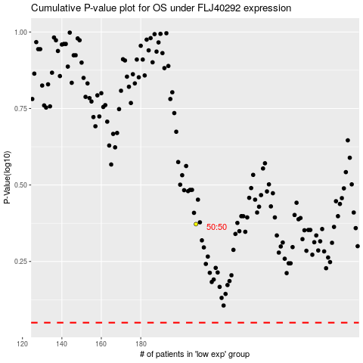

 |  |  |  |  |  | cases_OS | p_OS | rank | exp
 |  |  |  |  |  |  | cases_RFS | p_RFS | rank | exp

