FLJ41941 _multivariate
Reported by Tex Li-Hsing Chi. tex@gate.sinica.edu.tw 2019-08-19

Table 2. The clinicopathological features of HNSCC cohort and FLJ41941 expression. (Chi square test)
Cutoff at -0.222 (50.0%)
 |  | FLJ41941 expression |  | FLJ41941 expression |  | (Optimised)
 | Features | Low | (%) | High | (%) | Case no | P-value | Remark | Matthews
Gender | Female | 157 | 37.8 | 149 | 35.9 | 415 | 0.3881 | 0 | 0
2 | Male | 50 | 12 | 59 | 14.2
Age at diagnosis | <=65y | 140 | 33.7 | 134 | 32.3 | 415 | 0.5574 | 0 | 0
4 | >65y | 67 | 16.1 | 74 | 17.8
Clinical T Status | T1+T2 | 81 | 19.5 | 68 | 16.4 | 415 | 0.206 | 0 | 0
6 | T3+T4 | 126 | 30.4 | 140 | 33.7
Clinical N Status | N0 | 112 | 27 | 104 | 25.1 | 415 | 0.4599 | 0 | 0
8 | N1-3 | 95 | 22.9 | 104 | 25.1
Clinical M Status | M0 | 206 | 49.6 | 206 | 49.6 | 415 | 1 | 0 | 0
10 | M1 | 1 | 0.2 | 2 | 0.5
Clinical Stage | Stage I+II | 54 | 13 | 48 | 11.6 | 415 | 0.5498 | 0 | 0
12 | Stage III+IV | 153 | 36.9 | 160 | 38.6
Surgical Margin status | Negative | 153 | 36.9 | 165 | 39.8 | 415 | 0.2036 | 0 | 0
14 | Positive | 54 | 13 | 43 | 10.4
Tobacco Exposure | Low | 79 | 19 | 82 | 19.8 | 415 | 0.8405 | 0 | 0
16 | High | 128 | 30.8 | 126 | 30.4

Table 3. Univariate/Multivariate Cox's proportional hazards regression analyses on OS time of FLJ41941 gene expression in HNSCC

 |  | Univariate |  |  |  | Multivariate
 | Features | HR | CI95%(L) | CI95%(H) | P-value | HR | CI95%(L) | CI95%(H) | P-value
1 | Female | 1 |  |  |  | 1
Gender | Male | 1.157 | 0.843 | 1.587 | 0.367 | 1.205 | 0.862 | 1.685 | 0.275
11 | <=65y | 1 |  |  |  | 1
Age at diagnosis | >65y | 1.329 | 0.99 | 1.784 | 0.058 | 1.405 | 1.034 | 1.91 | 0.03
12 | T1+T2 | 1 |  |  |  | 1
Clinical T Status | T3+T4 | 1.409 | 1.028 | 1.931 | 0.033 | 2.29 | 1.207 | 4.345 | 0.011
13 | N0 | 1 |  |  |  | 1
Clinical N Status | N1-3 | 1.185 | 0.89 | 1.577 | 0.246 | 1.263 | 0.884 | 1.804 | 0.199
14 | M0 | 1 |  |  |  | 1
Clinical M Status | M1 | 4.097 | 1.009 | 16.644 | 0.049 | 10.172 | 2.206 | 46.899 | 0.003
15 | Stage I+II | 1 |  |  |  | 1
Clinical Stage | Stage III+IV | 1.245 | 0.882 | 1.759 | 0.213 | 0.485 | 0.225 | 1.043 | 0.064
16 | Negative | 1 |  |  |  | 1
Surgical Margin status | Positive | 1.591 | 1.155 | 2.191 | 0.004 | 1.637 | 1.182 | 2.265 | 0.003
17 | Low | 1 |  |  |  | 1
Tobacco Exposure | High | 1.364 | 1.008 | 1.844 | 0.044 | 1.443 | 1.047 | 1.989 | 0.025
18 | Low | 1 |  |  |  | 1
RNAseq(z-score) | High | 0.867 | 0.65 | 1.156 | 0.331 | 0.842 | 0.628 | 1.128 | 0.249

Table 4. Univariate/Multivariate Cox's proportional hazards regression analyses on RFS time of FLJ41941 gene expression in HNSCC

 |  | Univariate |  |  |  | Multivariate
 | Features | HR | CI95%(L) | CI95%(H) | P-value | HR | CI95%(L) | CI95%(H) | P-value
1 | Female | 1 |  |  |  | 1
Gender | Male | 1.157 | 0.843 | 1.587 | 0.367 | 1.205 | 0.862 | 1.685 | 0.275
11 | <=65y | 1 |  |  |  | 1
Age at diagnosis | >65y | 1.329 | 0.99 | 1.784 | 0.058 | 1.405 | 1.034 | 1.91 | 0.03
12 | T1+T2 | 1 |  |  |  | 1
Clinical T Status | T3+T4 | 1.409 | 1.028 | 1.931 | 0.033 | 2.29 | 1.207 | 4.345 | 0.011
13 | N0 | 1 |  |  |  | 1
Clinical N Status | N1-3 | 1.185 | 0.89 | 1.577 | 0.246 | 1.263 | 0.884 | 1.804 | 0.199
14 | M0 | 1 |  |  |  | 1
Clinical M Status | M1 | 4.097 | 1.009 | 16.644 | 0.049 | 10.172 | 2.206 | 46.899 | 0.003
15 | Stage I+II | 1 |  |  |  | 1
Clinical Stage | Stage III+IV | 1.245 | 0.882 | 1.759 | 0.213 | 0.485 | 0.225 | 1.043 | 0.064
16 | Negative | 1 |  |  |  | 1
Surgical Margin status | Positive | 1.591 | 1.155 | 2.191 | 0.004 | 1.637 | 1.182 | 2.265 | 0.003
17 | Low | 1 |  |  |  | 1
Tobacco Exposure | High | 1.364 | 1.008 | 1.844 | 0.044 | 1.443 | 1.047 | 1.989 | 0.025
18 | Low | 1 |  |  |  | 1
RNAseq(z-score) | High | 0.867 | 0.65 | 1.156 | 0.331 | 0.842 | 0.628 | 1.128 | 0.249

Kaplan-Meier survival estimate: Cutoff at -0.222 (50.0%)



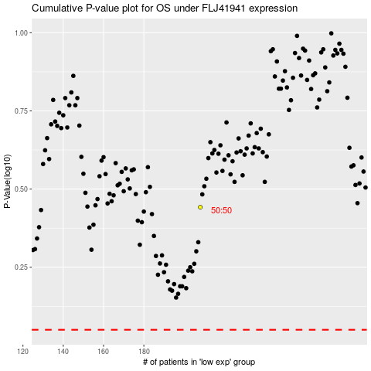

 |  |  |  |  |  | cases_OS | p_OS | rank | exp
 |  |  |  |  |  |  | cases_RFS | p_RFS | rank | exp

