FLJ42289 _multivariate
Reported by Tex Li-Hsing Chi. tex@gate.sinica.edu.tw 2019-08-19

Table 2. The clinicopathological features of HNSCC cohort and FLJ42289 expression. (Chi square test)
Cutoff at -0.048 (65.7%)
 |  | FLJ42289 expression |  | FLJ42289 expression |  | (Optimised)
 | Features | Low | (%) | High | (%) | Case no | P-value | Remark | Matthews
Gender | Female | 194 | 46.7 | 112 | 27 | 415 | 0.1101 | 0 | 0
2 | Male | 79 | 19 | 30 | 7.2
Age at diagnosis | <=65y | 169 | 40.7 | 105 | 25.3 | 415 | 0.0189 | 1 | 0
4 | >65y | 104 | 25.1 | 37 | 8.9
Clinical T Status | T1+T2 | 93 | 22.4 | 56 | 13.5 | 415 | 0.33 | 0 | 0
6 | T3+T4 | 180 | 43.4 | 86 | 20.7
Clinical N Status | N0 | 136 | 32.8 | 80 | 19.3 | 415 | 0.2468 | 0 | 0
8 | N1-3 | 137 | 33 | 62 | 14.9
Clinical M Status | M0 | 271 | 65.3 | 141 | 34 | 415 | 1 | 0 | 0
10 | M1 | 2 | 0.5 | 1 | 0.2
Clinical Stage | Stage I+II | 67 | 16.1 | 35 | 8.4 | 415 | 1 | 0 | 0
12 | Stage III+IV | 206 | 49.6 | 107 | 25.8
Surgical Margin status | Negative | 214 | 51.6 | 104 | 25.1 | 415 | 0.2714 | 0 | 0
14 | Positive | 59 | 14.2 | 38 | 9.2
Tobacco Exposure | Low | 110 | 26.5 | 51 | 12.3 | 415 | 0.3978 | 0 | 0
16 | High | 163 | 39.3 | 91 | 21.9

Table 3. Univariate/Multivariate Cox's proportional hazards regression analyses on OS time of FLJ42289 gene expression in HNSCC

 |  | Univariate |  |  |  | Multivariate
 | Features | HR | CI95%(L) | CI95%(H) | P-value | HR | CI95%(L) | CI95%(H) | P-value
1 | Female | 1 |  |  |  | 1
Gender | Male | 1.157 | 0.843 | 1.587 | 0.367 | 1.154 | 0.824 | 1.614 | 0.405
11 | <=65y | 1 |  |  |  | 1
Age at diagnosis | >65y | 1.329 | 0.99 | 1.784 | 0.058 | 1.36 | 0.998 | 1.852 | 0.051
12 | T1+T2 | 1 |  |  |  | 1
Clinical T Status | T3+T4 | 1.409 | 1.028 | 1.931 | 0.033 | 2.175 | 1.148 | 4.121 | 0.017
13 | N0 | 1 |  |  |  | 1
Clinical N Status | N1-3 | 1.185 | 0.89 | 1.577 | 0.246 | 1.208 | 0.847 | 1.722 | 0.298
14 | M0 | 1 |  |  |  | 1
Clinical M Status | M1 | 4.097 | 1.009 | 16.644 | 0.049 | 9.49 | 2.069 | 43.539 | 0.004
15 | Stage I+II | 1 |  |  |  | 1
Clinical Stage | Stage III+IV | 1.245 | 0.882 | 1.759 | 0.213 | 0.53 | 0.246 | 1.141 | 0.105
16 | Negative | 1 |  |  |  | 1
Surgical Margin status | Positive | 1.591 | 1.155 | 2.191 | 0.004 | 1.764 | 1.272 | 2.447 | 0.001
17 | Low | 1 |  |  |  | 1
Tobacco Exposure | High | 1.364 | 1.008 | 1.844 | 0.044 | 1.476 | 1.07 | 2.035 | 0.018
18 | Low | 1 |  |  |  | 1
RNAseq(z-score) | High | 0.716 | 0.517 | 0.992 | 0.045 | 0.69 | 0.494 | 0.963 | 0.029

Table 4. Univariate/Multivariate Cox's proportional hazards regression analyses on RFS time of FLJ42289 gene expression in HNSCC

 |  | Univariate |  |  |  | Multivariate
 | Features | HR | CI95%(L) | CI95%(H) | P-value | HR | CI95%(L) | CI95%(H) | P-value
1 | Female | 1 |  |  |  | 1
Gender | Male | 1.157 | 0.843 | 1.587 | 0.367 | 1.154 | 0.824 | 1.614 | 0.405
11 | <=65y | 1 |  |  |  | 1
Age at diagnosis | >65y | 1.329 | 0.99 | 1.784 | 0.058 | 1.36 | 0.998 | 1.852 | 0.051
12 | T1+T2 | 1 |  |  |  | 1
Clinical T Status | T3+T4 | 1.409 | 1.028 | 1.931 | 0.033 | 2.175 | 1.148 | 4.121 | 0.017
13 | N0 | 1 |  |  |  | 1
Clinical N Status | N1-3 | 1.185 | 0.89 | 1.577 | 0.246 | 1.208 | 0.847 | 1.722 | 0.298
14 | M0 | 1 |  |  |  | 1
Clinical M Status | M1 | 4.097 | 1.009 | 16.644 | 0.049 | 9.49 | 2.069 | 43.539 | 0.004
15 | Stage I+II | 1 |  |  |  | 1
Clinical Stage | Stage III+IV | 1.245 | 0.882 | 1.759 | 0.213 | 0.53 | 0.246 | 1.141 | 0.105
16 | Negative | 1 |  |  |  | 1
Surgical Margin status | Positive | 1.591 | 1.155 | 2.191 | 0.004 | 1.764 | 1.272 | 2.447 | 0.001
17 | Low | 1 |  |  |  | 1
Tobacco Exposure | High | 1.364 | 1.008 | 1.844 | 0.044 | 1.476 | 1.07 | 2.035 | 0.018
18 | Low | 1 |  |  |  | 1
RNAseq(z-score) | High | 0.716 | 0.517 | 0.992 | 0.045 | 0.69 | 0.494 | 0.963 | 0.029

Kaplan-Meier survival estimate: Cutoff at -0.048 (65.7%)

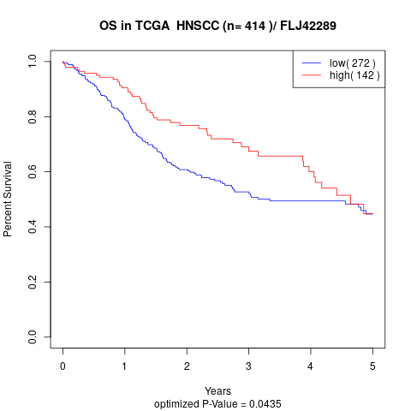

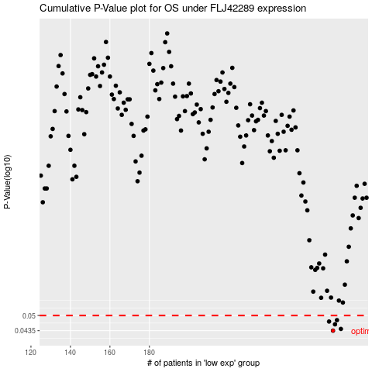

 |  |  |  |  |  | cases_OS | p_OS | rank | exp
 |  |  |  |  |  | 273 | 0.0435 | 238 | -0.048475255394
 |  |  |  |  |  | 277 | 0.0442 | 127 | -0.0067839477008
 |  |  |  |  |  | 274 | 0.0461 | 145 | -0.029489281828
 |  |  |  |  |  | 271 | 0.0473 | 75 | -0.066660649108
 |  |  |  |  |  | 275 | 0.0479 | 392 | -0.021461244982
 |  |  |  |  |  |  | cases_RFS | p_RFS | rank | exp
 |  |  |  |  |  |  | 272 | 0.0435 | 66 | -0.059116295923
 |  |  |  |  |  |  | 276 | 0.0442 | 237 | -0.0084518223918
 |  |  |  |  |  |  | 273 | 0.0461 | 238 | -0.048475255394
 |  |  |  |  |  |  | 270 | 0.0473 | 52 | -0.087898253507
 |  |  |  |  |  |  | 274 | 0.0479 | 145 | -0.029489281828

