FLJ42709 _multivariate
Reported by Tex Li-Hsing Chi. tex@gate.sinica.edu.tw 2019-08-19

Table 2. The clinicopathological features of HNSCC cohort and FLJ42709 expression. (Chi square test)
Cutoff at -0.256 (49.8%)
 |  | FLJ42709 expression |  | FLJ42709 expression |  | (Optimised)
 | Features | Low | (%) | High | (%) | Case no | P-value | Remark | Matthews
Gender | Female | 150 | 36.1 | 156 | 37.6 | 415 | 0.6344 | 0 | 0
2 | Male | 57 | 13.7 | 52 | 12.5
Age at diagnosis | <=65y | 129 | 31.1 | 145 | 34.9 | 415 | 0.1372 | 0 | 0
4 | >65y | 78 | 18.8 | 63 | 15.2
Clinical T Status | T1+T2 | 76 | 18.3 | 73 | 17.6 | 415 | 0.8092 | 0 | 0
6 | T3+T4 | 131 | 31.6 | 135 | 32.5
Clinical N Status | N0 | 103 | 24.8 | 113 | 27.2 | 415 | 0.4047 | 0 | 0
8 | N1-3 | 104 | 25.1 | 95 | 22.9
Clinical M Status | M0 | 205 | 49.4 | 207 | 49.9 | 415 | 0.6232 | 0 | 0
10 | M1 | 2 | 0.5 | 1 | 0.2
Clinical Stage | Stage I+II | 52 | 12.5 | 50 | 12 | 415 | 0.8871 | 0 | 0
12 | Stage III+IV | 155 | 37.3 | 158 | 38.1
Surgical Margin status | Negative | 155 | 37.3 | 163 | 39.3 | 415 | 0.4187 | 0 | 0
14 | Positive | 52 | 12.5 | 45 | 10.8
Tobacco Exposure | Low | 93 | 22.4 | 68 | 16.4 | 415 | 0.0118 | 1 | 0
16 | High | 114 | 27.5 | 140 | 33.7

Table 3. Univariate/Multivariate Cox's proportional hazards regression analyses on OS time of FLJ42709 gene expression in HNSCC

 |  | Univariate |  |  |  | Multivariate
 | Features | HR | CI95%(L) | CI95%(H) | P-value | HR | CI95%(L) | CI95%(H) | P-value
1 | Female | 1 |  |  |  | 1
Gender | Male | 1.157 | 0.843 | 1.587 | 0.367 | 1.205 | 0.862 | 1.683 | 0.275
11 | <=65y | 1 |  |  |  | 1
Age at diagnosis | >65y | 1.329 | 0.99 | 1.784 | 0.058 | 1.397 | 1.027 | 1.899 | 0.033
12 | T1+T2 | 1 |  |  |  | 1
Clinical T Status | T3+T4 | 1.409 | 1.028 | 1.931 | 0.033 | 2.201 | 1.164 | 4.162 | 0.015
13 | N0 | 1 |  |  |  | 1
Clinical N Status | N1-3 | 1.185 | 0.89 | 1.577 | 0.246 | 1.247 | 0.873 | 1.781 | 0.226
14 | M0 | 1 |  |  |  | 1
Clinical M Status | M1 | 4.097 | 1.009 | 16.644 | 0.049 | 9.523 | 2.073 | 43.742 | 0.004
15 | Stage I+II | 1 |  |  |  | 1
Clinical Stage | Stage III+IV | 1.245 | 0.882 | 1.759 | 0.213 | 0.503 | 0.235 | 1.08 | 0.078
16 | Negative | 1 |  |  |  | 1
Surgical Margin status | Positive | 1.591 | 1.155 | 2.191 | 0.004 | 1.677 | 1.213 | 2.32 | 0.002
17 | Low | 1 |  |  |  | 1
Tobacco Exposure | High | 1.364 | 1.008 | 1.844 | 0.044 | 1.442 | 1.043 | 1.994 | 0.027
18 | Low | 1 |  |  |  | 1
RNAseq(z-score) | High | 0.996 | 0.748 | 1.327 | 0.978 | 1.046 | 0.778 | 1.407 | 0.766

Table 4. Univariate/Multivariate Cox's proportional hazards regression analyses on RFS time of FLJ42709 gene expression in HNSCC

 |  | Univariate |  |  |  | Multivariate
 | Features | HR | CI95%(L) | CI95%(H) | P-value | HR | CI95%(L) | CI95%(H) | P-value
1 | Female | 1 |  |  |  | 1
Gender | Male | 1.157 | 0.843 | 1.587 | 0.367 | 1.205 | 0.862 | 1.683 | 0.275
11 | <=65y | 1 |  |  |  | 1
Age at diagnosis | >65y | 1.329 | 0.99 | 1.784 | 0.058 | 1.397 | 1.027 | 1.899 | 0.033
12 | T1+T2 | 1 |  |  |  | 1
Clinical T Status | T3+T4 | 1.409 | 1.028 | 1.931 | 0.033 | 2.201 | 1.164 | 4.162 | 0.015
13 | N0 | 1 |  |  |  | 1
Clinical N Status | N1-3 | 1.185 | 0.89 | 1.577 | 0.246 | 1.247 | 0.873 | 1.781 | 0.226
14 | M0 | 1 |  |  |  | 1
Clinical M Status | M1 | 4.097 | 1.009 | 16.644 | 0.049 | 9.523 | 2.073 | 43.742 | 0.004
15 | Stage I+II | 1 |  |  |  | 1
Clinical Stage | Stage III+IV | 1.245 | 0.882 | 1.759 | 0.213 | 0.503 | 0.235 | 1.08 | 0.078
16 | Negative | 1 |  |  |  | 1
Surgical Margin status | Positive | 1.591 | 1.155 | 2.191 | 0.004 | 1.677 | 1.213 | 2.32 | 0.002
17 | Low | 1 |  |  |  | 1
Tobacco Exposure | High | 1.364 | 1.008 | 1.844 | 0.044 | 1.442 | 1.043 | 1.994 | 0.027
18 | Low | 1 |  |  |  | 1
RNAseq(z-score) | High | 0.996 | 0.748 | 1.327 | 0.978 | 1.046 | 0.778 | 1.407 | 0.766

Kaplan-Meier survival estimate: Cutoff at -0.256 (49.8%)



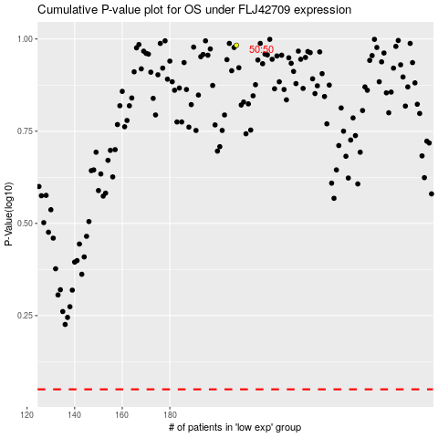

 |  |  |  |  |  | cases_OS | p_OS | rank | exp
 |  |  |  |  |  |  | cases_RFS | p_RFS | rank | exp

