FLJ42875 _multivariate
Reported by Tex Li-Hsing Chi. tex@gate.sinica.edu.tw 2019-08-19

Table 2. The clinicopathological features of HNSCC cohort and FLJ42875 expression. (Chi square test)
Cutoff at -0.175 (49.8%)
 |  | FLJ42875 expression |  | FLJ42875 expression |  | (Optimised)
 | Features | Low | (%) | High | (%) | Case no | P-value | Remark | Matthews
Gender | Female | 158 | 38.1 | 148 | 35.7 | 415 | 0.2774 | 0 | 0
2 | Male | 49 | 11.8 | 60 | 14.5
Age at diagnosis | <=65y | 147 | 35.4 | 127 | 30.6 | 415 | 0.0416 | 1 | 0
4 | >65y | 60 | 14.5 | 81 | 19.5
Clinical T Status | T1+T2 | 77 | 18.6 | 72 | 17.3 | 415 | 0.6556 | 0 | 0
6 | T3+T4 | 130 | 31.3 | 136 | 32.8
Clinical N Status | N0 | 117 | 28.2 | 99 | 23.9 | 415 | 0.0852 | 1 | 0
8 | N1-3 | 90 | 21.7 | 109 | 26.3
Clinical M Status | M0 | 205 | 49.4 | 207 | 49.9 | 415 | 0.6232 | 0 | 0
10 | M1 | 2 | 0.5 | 1 | 0.2
Clinical Stage | Stage I+II | 52 | 12.5 | 50 | 12 | 415 | 0.8871 | 0 | 0
12 | Stage III+IV | 155 | 37.3 | 158 | 38.1
Surgical Margin status | Negative | 164 | 39.5 | 154 | 37.1 | 415 | 0.2462 | 0 | 0
14 | Positive | 43 | 10.4 | 54 | 13
Tobacco Exposure | Low | 84 | 20.2 | 77 | 18.6 | 415 | 0.4816 | 0 | 0
16 | High | 123 | 29.6 | 131 | 31.6

Table 3. Univariate/Multivariate Cox's proportional hazards regression analyses on OS time of FLJ42875 gene expression in HNSCC

 |  | Univariate |  |  |  | Multivariate
 | Features | HR | CI95%(L) | CI95%(H) | P-value | HR | CI95%(L) | CI95%(H) | P-value
1 | Female | 1 |  |  |  | 1
Gender | Male | 1.157 | 0.843 | 1.587 | 0.367 | 1.219 | 0.872 | 1.705 | 0.246
11 | <=65y | 1 |  |  |  | 1
Age at diagnosis | >65y | 1.329 | 0.99 | 1.784 | 0.058 | 1.451 | 1.062 | 1.983 | 0.019
12 | T1+T2 | 1 |  |  |  | 1
Clinical T Status | T3+T4 | 1.409 | 1.028 | 1.931 | 0.033 | 2.265 | 1.196 | 4.286 | 0.012
13 | N0 | 1 |  |  |  | 1
Clinical N Status | N1-3 | 1.185 | 0.89 | 1.577 | 0.246 | 1.277 | 0.892 | 1.826 | 0.181
14 | M0 | 1 |  |  |  | 1
Clinical M Status | M1 | 4.097 | 1.009 | 16.644 | 0.049 | 9.422 | 2.055 | 43.191 | 0.004
15 | Stage I+II | 1 |  |  |  | 1
Clinical Stage | Stage III+IV | 1.245 | 0.882 | 1.759 | 0.213 | 0.493 | 0.23 | 1.06 | 0.07
16 | Negative | 1 |  |  |  | 1
Surgical Margin status | Positive | 1.591 | 1.155 | 2.191 | 0.004 | 1.709 | 1.235 | 2.365 | 0.001
17 | Low | 1 |  |  |  | 1
Tobacco Exposure | High | 1.364 | 1.008 | 1.844 | 0.044 | 1.495 | 1.082 | 2.067 | 0.015
18 | Low | 1 |  |  |  | 1
RNAseq(z-score) | High | 0.981 | 0.736 | 1.307 | 0.895 | 0.805 | 0.597 | 1.086 | 0.156

Table 4. Univariate/Multivariate Cox's proportional hazards regression analyses on RFS time of FLJ42875 gene expression in HNSCC

 |  | Univariate |  |  |  | Multivariate
 | Features | HR | CI95%(L) | CI95%(H) | P-value | HR | CI95%(L) | CI95%(H) | P-value
1 | Female | 1 |  |  |  | 1
Gender | Male | 1.157 | 0.843 | 1.587 | 0.367 | 1.219 | 0.872 | 1.705 | 0.246
11 | <=65y | 1 |  |  |  | 1
Age at diagnosis | >65y | 1.329 | 0.99 | 1.784 | 0.058 | 1.451 | 1.062 | 1.983 | 0.019
12 | T1+T2 | 1 |  |  |  | 1
Clinical T Status | T3+T4 | 1.409 | 1.028 | 1.931 | 0.033 | 2.265 | 1.196 | 4.286 | 0.012
13 | N0 | 1 |  |  |  | 1
Clinical N Status | N1-3 | 1.185 | 0.89 | 1.577 | 0.246 | 1.277 | 0.892 | 1.826 | 0.181
14 | M0 | 1 |  |  |  | 1
Clinical M Status | M1 | 4.097 | 1.009 | 16.644 | 0.049 | 9.422 | 2.055 | 43.191 | 0.004
15 | Stage I+II | 1 |  |  |  | 1
Clinical Stage | Stage III+IV | 1.245 | 0.882 | 1.759 | 0.213 | 0.493 | 0.23 | 1.06 | 0.07
16 | Negative | 1 |  |  |  | 1
Surgical Margin status | Positive | 1.591 | 1.155 | 2.191 | 0.004 | 1.709 | 1.235 | 2.365 | 0.001
17 | Low | 1 |  |  |  | 1
Tobacco Exposure | High | 1.364 | 1.008 | 1.844 | 0.044 | 1.495 | 1.082 | 2.067 | 0.015
18 | Low | 1 |  |  |  | 1
RNAseq(z-score) | High | 0.981 | 0.736 | 1.307 | 0.895 | 0.805 | 0.597 | 1.086 | 0.156

Kaplan-Meier survival estimate: Cutoff at -0.175 (49.8%)



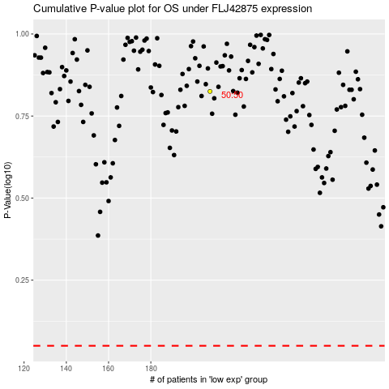

 |  |  |  |  |  | cases_OS | p_OS | rank | exp
 |  |  |  |  |  |  | cases_RFS | p_RFS | rank | exp

