FLJ43663 _multivariate
Reported by Tex Li-Hsing Chi. tex@gate.sinica.edu.tw 2019-08-19

Table 2. The clinicopathological features of HNSCC cohort and FLJ43663 expression. (Chi square test)
Cutoff at -0.206 (50.0%)
 |  | FLJ43663 expression |  | FLJ43663 expression |  | (Optimised)
 | Features | Low | (%) | High | (%) | Case no | P-value | Remark | Matthews
Gender | Female | 149 | 35.9 | 157 | 37.8 | 415 | 0.4848 | 0 | 0
2 | Male | 58 | 14 | 51 | 12.3
Age at diagnosis | <=65y | 140 | 33.7 | 134 | 32.3 | 415 | 0.5574 | 0 | 0
4 | >65y | 67 | 16.1 | 74 | 17.8
Clinical T Status | T1+T2 | 79 | 19 | 70 | 16.9 | 415 | 0.3924 | 0 | 0
6 | T3+T4 | 128 | 30.8 | 138 | 33.3
Clinical N Status | N0 | 111 | 26.7 | 105 | 25.3 | 415 | 0.5875 | 0 | 0
8 | N1-3 | 96 | 23.1 | 103 | 24.8
Clinical M Status | M0 | 205 | 49.4 | 207 | 49.9 | 415 | 0.6232 | 0 | 0
10 | M1 | 2 | 0.5 | 1 | 0.2
Clinical Stage | Stage I+II | 58 | 14 | 44 | 10.6 | 415 | 0.131 | 0 | 0
12 | Stage III+IV | 149 | 35.9 | 164 | 39.5
Surgical Margin status | Negative | 162 | 39 | 156 | 37.6 | 415 | 0.4867 | 0 | 0
14 | Positive | 45 | 10.8 | 52 | 12.5
Tobacco Exposure | Low | 82 | 19.8 | 79 | 19 | 415 | 0.763 | 0 | 0
16 | High | 125 | 30.1 | 129 | 31.1

Table 3. Univariate/Multivariate Cox's proportional hazards regression analyses on OS time of FLJ43663 gene expression in HNSCC

 |  | Univariate |  |  |  | Multivariate
 | Features | HR | CI95%(L) | CI95%(H) | P-value | HR | CI95%(L) | CI95%(H) | P-value
1 | Female | 1 |  |  |  | 1
Gender | Male | 1.157 | 0.843 | 1.587 | 0.367 | 1.192 | 0.853 | 1.666 | 0.302
11 | <=65y | 1 |  |  |  | 1
Age at diagnosis | >65y | 1.329 | 0.99 | 1.784 | 0.058 | 1.418 | 1.042 | 1.931 | 0.026
12 | T1+T2 | 1 |  |  |  | 1
Clinical T Status | T3+T4 | 1.409 | 1.028 | 1.931 | 0.033 | 2.209 | 1.169 | 4.178 | 0.015
13 | N0 | 1 |  |  |  | 1
Clinical N Status | N1-3 | 1.185 | 0.89 | 1.577 | 0.246 | 1.237 | 0.867 | 1.765 | 0.241
14 | M0 | 1 |  |  |  | 1
Clinical M Status | M1 | 4.097 | 1.009 | 16.644 | 0.049 | 8.91 | 1.939 | 40.942 | 0.005
15 | Stage I+II | 1 |  |  |  | 1
Clinical Stage | Stage III+IV | 1.245 | 0.882 | 1.759 | 0.213 | 0.512 | 0.238 | 1.1 | 0.086
16 | Negative | 1 |  |  |  | 1
Surgical Margin status | Positive | 1.591 | 1.155 | 2.191 | 0.004 | 1.694 | 1.225 | 2.343 | 0.001
17 | Low | 1 |  |  |  | 1
Tobacco Exposure | High | 1.364 | 1.008 | 1.844 | 0.044 | 1.47 | 1.065 | 2.027 | 0.019
18 | Low | 1 |  |  |  | 1
RNAseq(z-score) | High | 0.858 | 0.643 | 1.147 | 0.301 | 0.813 | 0.606 | 1.09 | 0.166

Table 4. Univariate/Multivariate Cox's proportional hazards regression analyses on RFS time of FLJ43663 gene expression in HNSCC

 |  | Univariate |  |  |  | Multivariate
 | Features | HR | CI95%(L) | CI95%(H) | P-value | HR | CI95%(L) | CI95%(H) | P-value
1 | Female | 1 |  |  |  | 1
Gender | Male | 1.157 | 0.843 | 1.587 | 0.367 | 1.192 | 0.853 | 1.666 | 0.302
11 | <=65y | 1 |  |  |  | 1
Age at diagnosis | >65y | 1.329 | 0.99 | 1.784 | 0.058 | 1.418 | 1.042 | 1.931 | 0.026
12 | T1+T2 | 1 |  |  |  | 1
Clinical T Status | T3+T4 | 1.409 | 1.028 | 1.931 | 0.033 | 2.209 | 1.169 | 4.178 | 0.015
13 | N0 | 1 |  |  |  | 1
Clinical N Status | N1-3 | 1.185 | 0.89 | 1.577 | 0.246 | 1.237 | 0.867 | 1.765 | 0.241
14 | M0 | 1 |  |  |  | 1
Clinical M Status | M1 | 4.097 | 1.009 | 16.644 | 0.049 | 8.91 | 1.939 | 40.942 | 0.005
15 | Stage I+II | 1 |  |  |  | 1
Clinical Stage | Stage III+IV | 1.245 | 0.882 | 1.759 | 0.213 | 0.512 | 0.238 | 1.1 | 0.086
16 | Negative | 1 |  |  |  | 1
Surgical Margin status | Positive | 1.591 | 1.155 | 2.191 | 0.004 | 1.694 | 1.225 | 2.343 | 0.001
17 | Low | 1 |  |  |  | 1
Tobacco Exposure | High | 1.364 | 1.008 | 1.844 | 0.044 | 1.47 | 1.065 | 2.027 | 0.019
18 | Low | 1 |  |  |  | 1
RNAseq(z-score) | High | 0.858 | 0.643 | 1.147 | 0.301 | 0.813 | 0.606 | 1.09 | 0.166

Kaplan-Meier survival estimate: Cutoff at -0.206 (50.0%)

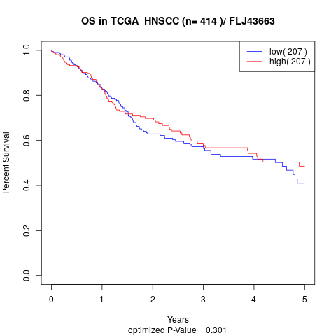

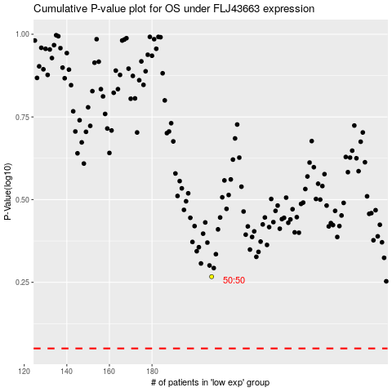

 |  |  |  |  |  | cases_OS | p_OS | rank | exp
 |  |  |  |  |  |  | cases_RFS | p_RFS | rank | exp

