FLJ44606 _multivariate
Reported by Tex Li-Hsing Chi. tex@gate.sinica.edu.tw 2019-08-19

Table 2. The clinicopathological features of HNSCC cohort and FLJ44606 expression. (Chi square test)
Cutoff at -0.212 (49.8%)
 |  | FLJ44606 expression |  | FLJ44606 expression |  | (Optimised)
 | Features | Low | (%) | High | (%) | Case no | P-value | Remark | Matthews
Gender | Female | 154 | 37.1 | 152 | 36.6 | 415 | 0.8463 | 0 | 0
2 | Male | 53 | 12.8 | 56 | 13.5
Age at diagnosis | <=65y | 142 | 34.2 | 132 | 31.8 | 415 | 0.3167 | 0 | 0
4 | >65y | 65 | 15.7 | 76 | 18.3
Clinical T Status | T1+T2 | 70 | 16.9 | 79 | 19 | 415 | 0.4343 | 0 | 0
6 | T3+T4 | 137 | 33 | 129 | 31.1
Clinical N Status | N0 | 97 | 23.4 | 119 | 28.7 | 415 | 0.0442 | 1 | 0
8 | N1-3 | 110 | 26.5 | 89 | 21.4
Clinical M Status | M0 | 207 | 49.9 | 205 | 49.4 | 415 | 0.2482 | 0 | 0
10 | M1 | 0 | 0 | 3 | 0.7
Clinical Stage | Stage I+II | 49 | 11.8 | 53 | 12.8 | 415 | 0.7535 | 0 | 0
12 | Stage III+IV | 158 | 38.1 | 155 | 37.3
Surgical Margin status | Negative | 164 | 39.5 | 154 | 37.1 | 415 | 0.2462 | 0 | 0
14 | Positive | 43 | 10.4 | 54 | 13
Tobacco Exposure | Low | 83 | 20 | 78 | 18.8 | 415 | 0.6152 | 0 | 0
16 | High | 124 | 29.9 | 130 | 31.3

Table 3. Univariate/Multivariate Cox's proportional hazards regression analyses on OS time of FLJ44606 gene expression in HNSCC

 |  | Univariate |  |  |  | Multivariate
 | Features | HR | CI95%(L) | CI95%(H) | P-value | HR | CI95%(L) | CI95%(H) | P-value
1 | Female | 1 |  |  |  | 1
Gender | Male | 1.157 | 0.843 | 1.587 | 0.367 | 1.197 | 0.857 | 1.672 | 0.291
11 | <=65y | 1 |  |  |  | 1
Age at diagnosis | >65y | 1.329 | 0.99 | 1.784 | 0.058 | 1.379 | 1.014 | 1.875 | 0.041
12 | T1+T2 | 1 |  |  |  | 1
Clinical T Status | T3+T4 | 1.409 | 1.028 | 1.931 | 0.033 | 2.244 | 1.185 | 4.252 | 0.013
13 | N0 | 1 |  |  |  | 1
Clinical N Status | N1-3 | 1.185 | 0.89 | 1.577 | 0.246 | 1.259 | 0.881 | 1.8 | 0.206
14 | M0 | 1 |  |  |  | 1
Clinical M Status | M1 | 4.097 | 1.009 | 16.644 | 0.049 | 8.985 | 1.951 | 41.379 | 0.005
15 | Stage I+II | 1 |  |  |  | 1
Clinical Stage | Stage III+IV | 1.245 | 0.882 | 1.759 | 0.213 | 0.491 | 0.228 | 1.058 | 0.069
16 | Negative | 1 |  |  |  | 1
Surgical Margin status | Positive | 1.591 | 1.155 | 2.191 | 0.004 | 1.662 | 1.202 | 2.297 | 0.002
17 | Low | 1 |  |  |  | 1
Tobacco Exposure | High | 1.364 | 1.008 | 1.844 | 0.044 | 1.438 | 1.043 | 1.983 | 0.027
18 | Low | 1 |  |  |  | 1
RNAseq(z-score) | High | 1.133 | 0.85 | 1.512 | 0.395 | 1.117 | 0.831 | 1.501 | 0.465

Table 4. Univariate/Multivariate Cox's proportional hazards regression analyses on RFS time of FLJ44606 gene expression in HNSCC

 |  | Univariate |  |  |  | Multivariate
 | Features | HR | CI95%(L) | CI95%(H) | P-value | HR | CI95%(L) | CI95%(H) | P-value
1 | Female | 1 |  |  |  | 1
Gender | Male | 1.157 | 0.843 | 1.587 | 0.367 | 1.197 | 0.857 | 1.672 | 0.291
11 | <=65y | 1 |  |  |  | 1
Age at diagnosis | >65y | 1.329 | 0.99 | 1.784 | 0.058 | 1.379 | 1.014 | 1.875 | 0.041
12 | T1+T2 | 1 |  |  |  | 1
Clinical T Status | T3+T4 | 1.409 | 1.028 | 1.931 | 0.033 | 2.244 | 1.185 | 4.252 | 0.013
13 | N0 | 1 |  |  |  | 1
Clinical N Status | N1-3 | 1.185 | 0.89 | 1.577 | 0.246 | 1.259 | 0.881 | 1.8 | 0.206
14 | M0 | 1 |  |  |  | 1
Clinical M Status | M1 | 4.097 | 1.009 | 16.644 | 0.049 | 8.985 | 1.951 | 41.379 | 0.005
15 | Stage I+II | 1 |  |  |  | 1
Clinical Stage | Stage III+IV | 1.245 | 0.882 | 1.759 | 0.213 | 0.491 | 0.228 | 1.058 | 0.069
16 | Negative | 1 |  |  |  | 1
Surgical Margin status | Positive | 1.591 | 1.155 | 2.191 | 0.004 | 1.662 | 1.202 | 2.297 | 0.002
17 | Low | 1 |  |  |  | 1
Tobacco Exposure | High | 1.364 | 1.008 | 1.844 | 0.044 | 1.438 | 1.043 | 1.983 | 0.027
18 | Low | 1 |  |  |  | 1
RNAseq(z-score) | High | 1.133 | 0.85 | 1.512 | 0.395 | 1.117 | 0.831 | 1.501 | 0.465

Kaplan-Meier survival estimate: Cutoff at -0.212 (49.8%)



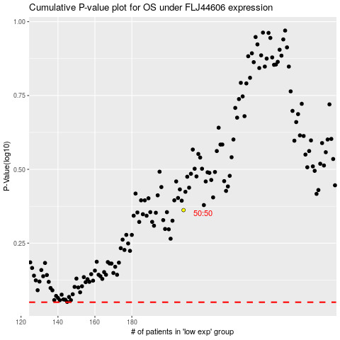

 |  |  |  |  |  | cases_OS | p_OS | rank | exp
 |  |  |  |  |  |  | cases_RFS | p_RFS | rank | exp

