FLJ44635 _multivariate
Reported by Tex Li-Hsing Chi. tex@gate.sinica.edu.tw 2019-08-19

Table 2. The clinicopathological features of HNSCC cohort and FLJ44635 expression. (Chi square test)
Cutoff at -0.473 (33.6%)
 |  | FLJ44635 expression |  | FLJ44635 expression |  | (Optimised)
 | Features | Low | (%) | High | (%) | Case no | P-value | Remark | Matthews
Gender | Female | 107 | 25.8 | 199 | 48 | 415 | 0.3435 | 0 | 0
2 | Male | 32 | 7.7 | 77 | 18.6
Age at diagnosis | <=65y | 94 | 22.7 | 180 | 43.4 | 415 | 0.7046 | 0 | 0
4 | >65y | 45 | 10.8 | 96 | 23.1
Clinical T Status | T1+T2 | 54 | 13 | 95 | 22.9 | 415 | 0.4359 | 0 | 0
6 | T3+T4 | 85 | 20.5 | 181 | 43.6
Clinical N Status | N0 | 69 | 16.6 | 147 | 35.4 | 415 | 0.5534 | 0 | 0
8 | N1-3 | 70 | 16.9 | 129 | 31.1
Clinical M Status | M0 | 137 | 33 | 275 | 66.3 | 415 | 0.2609 | 0 | 0
10 | M1 | 2 | 0.5 | 1 | 0.2
Clinical Stage | Stage I+II | 32 | 7.7 | 70 | 16.9 | 415 | 0.6877 | 0 | 0
12 | Stage III+IV | 107 | 25.8 | 206 | 49.6
Surgical Margin status | Negative | 109 | 26.3 | 209 | 50.4 | 415 | 0.6233 | 0 | 0
14 | Positive | 30 | 7.2 | 67 | 16.1
Tobacco Exposure | Low | 44 | 10.6 | 117 | 28.2 | 415 | 0.0424 | 1 | 0
16 | High | 95 | 22.9 | 159 | 38.3

Table 3. Univariate/Multivariate Cox's proportional hazards regression analyses on OS time of FLJ44635 gene expression in HNSCC

 |  | Univariate |  |  |  | Multivariate
 | Features | HR | CI95%(L) | CI95%(H) | P-value | HR | CI95%(L) | CI95%(H) | P-value
1 | Female | 1 |  |  |  | 1
Gender | Male | 1.157 | 0.843 | 1.587 | 0.367 | 1.144 | 0.816 | 1.604 | 0.434
11 | <=65y | 1 |  |  |  | 1
Age at diagnosis | >65y | 1.329 | 0.99 | 1.784 | 0.058 | 1.439 | 1.058 | 1.958 | 0.02
12 | T1+T2 | 1 |  |  |  | 1
Clinical T Status | T3+T4 | 1.409 | 1.028 | 1.931 | 0.033 | 2.111 | 1.115 | 3.997 | 0.022
13 | N0 | 1 |  |  |  | 1
Clinical N Status | N1-3 | 1.185 | 0.89 | 1.577 | 0.246 | 1.219 | 0.856 | 1.737 | 0.272
14 | M0 | 1 |  |  |  | 1
Clinical M Status | M1 | 4.097 | 1.009 | 16.644 | 0.049 | 10.775 | 2.339 | 49.645 | 0.002
15 | Stage I+II | 1 |  |  |  | 1
Clinical Stage | Stage III+IV | 1.245 | 0.882 | 1.759 | 0.213 | 0.536 | 0.249 | 1.152 | 0.11
16 | Negative | 1 |  |  |  | 1
Surgical Margin status | Positive | 1.591 | 1.155 | 2.191 | 0.004 | 1.656 | 1.199 | 2.288 | 0.002
17 | Low | 1 |  |  |  | 1
Tobacco Exposure | High | 1.364 | 1.008 | 1.844 | 0.044 | 1.519 | 1.099 | 2.099 | 0.011
18 | Low | 1 |  |  |  | 1
RNAseq(z-score) | High | 1.382 | 1.006 | 1.9 | 0.046 | 1.459 | 1.052 | 2.024 | 0.024

Table 4. Univariate/Multivariate Cox's proportional hazards regression analyses on RFS time of FLJ44635 gene expression in HNSCC

 |  | Univariate |  |  |  | Multivariate
 | Features | HR | CI95%(L) | CI95%(H) | P-value | HR | CI95%(L) | CI95%(H) | P-value
1 | Female | 1 |  |  |  | 1
Gender | Male | 1.157 | 0.843 | 1.587 | 0.367 | 1.144 | 0.816 | 1.604 | 0.434
11 | <=65y | 1 |  |  |  | 1
Age at diagnosis | >65y | 1.329 | 0.99 | 1.784 | 0.058 | 1.439 | 1.058 | 1.958 | 0.02
12 | T1+T2 | 1 |  |  |  | 1
Clinical T Status | T3+T4 | 1.409 | 1.028 | 1.931 | 0.033 | 2.111 | 1.115 | 3.997 | 0.022
13 | N0 | 1 |  |  |  | 1
Clinical N Status | N1-3 | 1.185 | 0.89 | 1.577 | 0.246 | 1.219 | 0.856 | 1.737 | 0.272
14 | M0 | 1 |  |  |  | 1
Clinical M Status | M1 | 4.097 | 1.009 | 16.644 | 0.049 | 10.775 | 2.339 | 49.645 | 0.002
15 | Stage I+II | 1 |  |  |  | 1
Clinical Stage | Stage III+IV | 1.245 | 0.882 | 1.759 | 0.213 | 0.536 | 0.249 | 1.152 | 0.11
16 | Negative | 1 |  |  |  | 1
Surgical Margin status | Positive | 1.591 | 1.155 | 2.191 | 0.004 | 1.656 | 1.199 | 2.288 | 0.002
17 | Low | 1 |  |  |  | 1
Tobacco Exposure | High | 1.364 | 1.008 | 1.844 | 0.044 | 1.519 | 1.099 | 2.099 | 0.011
18 | Low | 1 |  |  |  | 1
RNAseq(z-score) | High | 1.382 | 1.006 | 1.9 | 0.046 | 1.459 | 1.052 | 2.024 | 0.024

Kaplan-Meier survival estimate: Cutoff at -0.473 (33.6%)

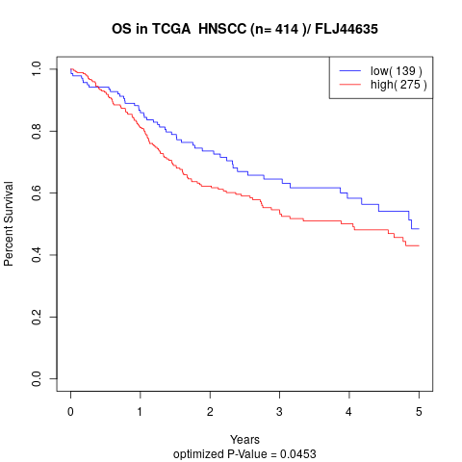

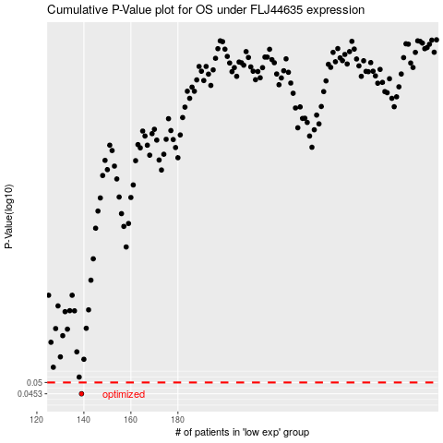

 |  |  |  |  |  | cases_OS | p_OS | rank | exp
 |  |  |  |  |  | 139 | 0.0453 | 229 | -0.47322877034
 |  |  |  |  |  |  | cases_RFS | p_RFS | rank | exp
 |  |  |  |  |  |  | 138 | 0.0453 | 102 | -0.47712688751

