FLJ45340 _multivariate
Reported by Tex Li-Hsing Chi. tex@gate.sinica.edu.tw 2019-08-19

Table 2. The clinicopathological features of HNSCC cohort and FLJ45340 expression. (Chi square test)
Cutoff at 0.33 (69.8%)
 |  | FLJ45340 expression |  | FLJ45340 expression |  | (Optimised)
 | Features | Low | (%) | High | (%) | Case no | P-value | Remark | Matthews
Gender | Female | 215 | 51.8 | 91 | 21.9 | 415 | 0.8709 | 0 | 0
2 | Male | 75 | 18.1 | 34 | 8.2
Age at diagnosis | <=65y | 193 | 46.5 | 81 | 19.5 | 415 | 0.816 | 0 | 0
4 | >65y | 97 | 23.4 | 44 | 10.6
Clinical T Status | T1+T2 | 103 | 24.8 | 46 | 11.1 | 415 | 0.8899 | 0 | 0
6 | T3+T4 | 187 | 45.1 | 79 | 19
Clinical N Status | N0 | 144 | 34.7 | 72 | 17.3 | 415 | 0.1678 | 0 | 0
8 | N1-3 | 146 | 35.2 | 53 | 12.8
Clinical M Status | M0 | 288 | 69.4 | 124 | 29.9 | 415 | 1 | 0 | 0
10 | M1 | 2 | 0.5 | 1 | 0.2
Clinical Stage | Stage I+II | 72 | 17.3 | 30 | 7.2 | 415 | 0.9558 | 0 | 0
12 | Stage III+IV | 218 | 52.5 | 95 | 22.9
Surgical Margin status | Negative | 224 | 54 | 94 | 22.7 | 415 | 0.7047 | 0 | 0
14 | Positive | 66 | 15.9 | 31 | 7.5
Tobacco Exposure | Low | 107 | 25.8 | 54 | 13 | 415 | 0.2296 | 0 | 0
16 | High | 183 | 44.1 | 71 | 17.1

Table 3. Univariate/Multivariate Cox's proportional hazards regression analyses on OS time of FLJ45340 gene expression in HNSCC

 |  | Univariate |  |  |  | Multivariate
 | Features | HR | CI95%(L) | CI95%(H) | P-value | HR | CI95%(L) | CI95%(H) | P-value
1 | Female | 1 |  |  |  | 1
Gender | Male | 1.157 | 0.843 | 1.587 | 0.367 | 1.164 | 0.832 | 1.629 | 0.374
11 | <=65y | 1 |  |  |  | 1
Age at diagnosis | >65y | 1.329 | 0.99 | 1.784 | 0.058 | 1.419 | 1.044 | 1.929 | 0.026
12 | T1+T2 | 1 |  |  |  | 1
Clinical T Status | T3+T4 | 1.409 | 1.028 | 1.931 | 0.033 | 2.047 | 1.081 | 3.874 | 0.028
13 | N0 | 1 |  |  |  | 1
Clinical N Status | N1-3 | 1.185 | 0.89 | 1.577 | 0.246 | 1.168 | 0.818 | 1.666 | 0.393
14 | M0 | 1 |  |  |  | 1
Clinical M Status | M1 | 4.097 | 1.009 | 16.644 | 0.049 | 8.436 | 1.839 | 38.701 | 0.006
15 | Stage I+II | 1 |  |  |  | 1
Clinical Stage | Stage III+IV | 1.245 | 0.882 | 1.759 | 0.213 | 0.574 | 0.266 | 1.237 | 0.156
16 | Negative | 1 |  |  |  | 1
Surgical Margin status | Positive | 1.591 | 1.155 | 2.191 | 0.004 | 1.665 | 1.206 | 2.298 | 0.002
17 | Low | 1 |  |  |  | 1
Tobacco Exposure | High | 1.364 | 1.008 | 1.844 | 0.044 | 1.406 | 1.02 | 1.937 | 0.038
18 | Low | 1 |  |  |  | 1
RNAseq(z-score) | High | 0.569 | 0.405 | 0.799 | 0.001 | 0.592 | 0.42 | 0.835 | 0.003

Table 4. Univariate/Multivariate Cox's proportional hazards regression analyses on RFS time of FLJ45340 gene expression in HNSCC

 |  | Univariate |  |  |  | Multivariate
 | Features | HR | CI95%(L) | CI95%(H) | P-value | HR | CI95%(L) | CI95%(H) | P-value
1 | Female | 1 |  |  |  | 1
Gender | Male | 1.157 | 0.843 | 1.587 | 0.367 | 1.164 | 0.832 | 1.629 | 0.374
11 | <=65y | 1 |  |  |  | 1
Age at diagnosis | >65y | 1.329 | 0.99 | 1.784 | 0.058 | 1.419 | 1.044 | 1.929 | 0.026
12 | T1+T2 | 1 |  |  |  | 1
Clinical T Status | T3+T4 | 1.409 | 1.028 | 1.931 | 0.033 | 2.047 | 1.081 | 3.874 | 0.028
13 | N0 | 1 |  |  |  | 1
Clinical N Status | N1-3 | 1.185 | 0.89 | 1.577 | 0.246 | 1.168 | 0.818 | 1.666 | 0.393
14 | M0 | 1 |  |  |  | 1
Clinical M Status | M1 | 4.097 | 1.009 | 16.644 | 0.049 | 8.436 | 1.839 | 38.701 | 0.006
15 | Stage I+II | 1 |  |  |  | 1
Clinical Stage | Stage III+IV | 1.245 | 0.882 | 1.759 | 0.213 | 0.574 | 0.266 | 1.237 | 0.156
16 | Negative | 1 |  |  |  | 1
Surgical Margin status | Positive | 1.591 | 1.155 | 2.191 | 0.004 | 1.665 | 1.206 | 2.298 | 0.002
17 | Low | 1 |  |  |  | 1
Tobacco Exposure | High | 1.364 | 1.008 | 1.844 | 0.044 | 1.406 | 1.02 | 1.937 | 0.038
18 | Low | 1 |  |  |  | 1
RNAseq(z-score) | High | 0.569 | 0.405 | 0.799 | 0.001 | 0.592 | 0.42 | 0.835 | 0.003

Kaplan-Meier survival estimate: Cutoff at 0.33 (69.8%)

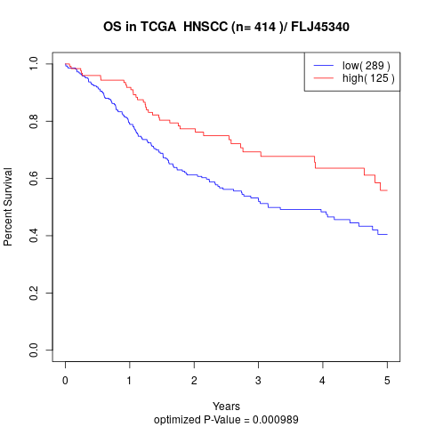

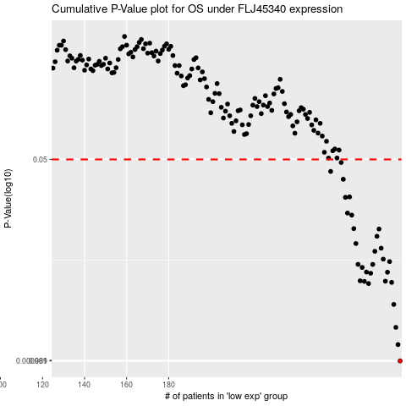

 |  |  |  |  |  | cases_OS | p_OS | rank | exp
 |  |  |  |  |  | 290 | 0.000989 | 194 | 0.33025430342
 |  |  |  |  |  | 289 | 0.00136 | 203 | 0.32800629234
 |  |  |  |  |  | 288 | 0.0019 | 202 | 0.325129558
 |  |  |  |  |  | 287 | 0.00297 | 79 | 0.32107731796
 |  |  |  |  |  | 275 | 0.00446 | 39 | 0.20679135986
 |  |  |  |  |  | 286 | 0.00456 | 379 | 0.31512474084
 |  |  |  |  |  | 273 | 0.00465 | 293 | 0.18971091728
 |  |  |  |  |  | 283 | 0.00467 | 382 | 0.26892238871
 |  |  |  |  |  | 271 | 0.0047 | 84 | 0.16798320669
 |  |  |  |  |  | 276 | 0.00545 | 11 | 0.21171316781
 |  |  |  |  |  | 284 | 0.00556 | 314 | 0.29114672175
 |  |  |  |  |  | 274 | 0.00558 | 273 | 0.20404596053
 |  |  |  |  |  | 272 | 0.0061 | 249 | 0.17482143355
 |  |  |  |  |  | 277 | 0.00647 | 132 | 0.21190844726
 |  |  |  |  |  | 270 | 0.00648 | 86 | 0.16437398297
 |  |  |  |  |  | 285 | 0.00684 | 38 | 0.2920794683
 |  |  |  |  |  | 282 | 0.00717 | 389 | 0.26005708457
 |  |  |  |  |  | 278 | 0.00836 | 397 | 0.21851425329
 |  |  |  |  |  | 281 | 0.00888 | 244 | 0.24985698796
 |  |  |  |  |  | 269 | 0.00973 | 78 | 0.16215851846
 |  |  |  |  |  | 279 | 0.0112 | 367 | 0.23038877547
 |  |  |  |  |  | 280 | 0.0129 | 296 | 0.2430681553
 |  |  |  |  |  | 268 | 0.013 | 181 | 0.15228159019
 |  |  |  |  |  | 267 | 0.0169 | 200 | 0.14931563995
 |  |  |  |  |  | 265 | 0.0176 | 111 | 0.1435679148
 |  |  |  |  |  | 264 | 0.0239 | 302 | 0.12303715236
 |  |  |  |  |  | 266 | 0.0241 | 223 | 0.14890746761
 |  |  |  |  |  | 263 | 0.034 | 264 | 0.1224884554
 |  |  |  |  |  | 257 | 0.0396 | 184 | 0.10121333365
 |  |  |  |  |  | 262 | 0.0471 | 283 | 0.11093480416
 |  |  |  |  |  |  | cases_RFS | p_RFS | rank | exp
 |  |  |  |  |  |  | 289 | 0.000989 | 203 | 0.32800629234
 |  |  |  |  |  |  | 288 | 0.00136 | 202 | 0.325129558
 |  |  |  |  |  |  | 287 | 0.0019 | 79 | 0.32107731796
 |  |  |  |  |  |  | 286 | 0.00297 | 379 | 0.31512474084
 |  |  |  |  |  |  | 274 | 0.00446 | 273 | 0.20404596053
 |  |  |  |  |  |  | 285 | 0.00456 | 38 | 0.2920794683
 |  |  |  |  |  |  | 272 | 0.00465 | 249 | 0.17482143355
 |  |  |  |  |  |  | 282 | 0.00467 | 389 | 0.26005708457
 |  |  |  |  |  |  | 270 | 0.0047 | 86 | 0.16437398297
 |  |  |  |  |  |  | 275 | 0.00545 | 39 | 0.20679135986
 |  |  |  |  |  |  | 283 | 0.00556 | 382 | 0.26892238871
 |  |  |  |  |  |  | 273 | 0.00558 | 293 | 0.18971091728
 |  |  |  |  |  |  | 271 | 0.0061 | 84 | 0.16798320669
 |  |  |  |  |  |  | 276 | 0.00647 | 11 | 0.21171316781
 |  |  |  |  |  |  | 269 | 0.00648 | 78 | 0.16215851846
 |  |  |  |  |  |  | 284 | 0.00684 | 314 | 0.29114672175
 |  |  |  |  |  |  | 281 | 0.00717 | 244 | 0.24985698796
 |  |  |  |  |  |  | 277 | 0.00836 | 132 | 0.21190844726
 |  |  |  |  |  |  | 280 | 0.00888 | 296 | 0.2430681553
 |  |  |  |  |  |  | 268 | 0.00973 | 181 | 0.15228159019
 |  |  |  |  |  |  | 278 | 0.0112 | 397 | 0.21851425329
 |  |  |  |  |  |  | 279 | 0.0129 | 367 | 0.23038877547
 |  |  |  |  |  |  | 267 | 0.013 | 200 | 0.14931563995
 |  |  |  |  |  |  | 266 | 0.0169 | 223 | 0.14890746761
 |  |  |  |  |  |  | 264 | 0.0176 | 302 | 0.12303715236
 |  |  |  |  |  |  | 263 | 0.0239 | 264 | 0.1224884554
 |  |  |  |  |  |  | 265 | 0.0241 | 111 | 0.1435679148
 |  |  |  |  |  |  | 262 | 0.034 | 283 | 0.11093480416
 |  |  |  |  |  |  | 256 | 0.0396 | 125 | 0.097517191423
 |  |  |  |  |  |  | 261 | 0.0471 | 237 | 0.10768359276

