FLJ45445 _multivariate
Reported by Tex Li-Hsing Chi. tex@gate.sinica.edu.tw 2019-08-19

Table 2. The clinicopathological features of HNSCC cohort and FLJ45445 expression. (Chi square test)
Cutoff at -0.304 (53.9%)
 |  | FLJ45445 expression |  | FLJ45445 expression |  | (Optimised)
 | Features | Low | (%) | High | (%) | Case no | P-value | Remark | Matthews
Gender | Female | 157 | 37.8 | 149 | 35.9 | 415 | 0.0862 | 0 | 0
2 | Male | 67 | 16.1 | 42 | 10.1
Age at diagnosis | <=65y | 146 | 35.2 | 128 | 30.8 | 415 | 0.7719 | 0 | 0
4 | >65y | 78 | 18.8 | 63 | 15.2
Clinical T Status | T1+T2 | 83 | 20 | 66 | 15.9 | 415 | 0.67 | 0 | 0
6 | T3+T4 | 141 | 34 | 125 | 30.1
Clinical N Status | N0 | 118 | 28.4 | 98 | 23.6 | 415 | 0.8573 | 0 | 0
8 | N1-3 | 106 | 25.5 | 93 | 22.4
Clinical M Status | M0 | 222 | 53.5 | 190 | 45.8 | 415 | 1 | 0 | 0
10 | M1 | 2 | 0.5 | 1 | 0.2
Clinical Stage | Stage I+II | 60 | 14.5 | 42 | 10.1 | 415 | 0.3093 | 0 | 0
12 | Stage III+IV | 164 | 39.5 | 149 | 35.9
Surgical Margin status | Negative | 170 | 41 | 148 | 35.7 | 415 | 0.7282 | 0 | 0
14 | Positive | 54 | 13 | 43 | 10.4
Tobacco Exposure | Low | 98 | 23.6 | 63 | 15.2 | 415 | 0.0265 | 1 | 0
16 | High | 126 | 30.4 | 128 | 30.8

Table 3. Univariate/Multivariate Cox's proportional hazards regression analyses on OS time of FLJ45445 gene expression in HNSCC

 |  | Univariate |  |  |  | Multivariate
 | Features | HR | CI95%(L) | CI95%(H) | P-value | HR | CI95%(L) | CI95%(H) | P-value
1 | Female | 1 |  |  |  | 1
Gender | Male | 1.157 | 0.843 | 1.587 | 0.367 | 1.125 | 0.802 | 1.579 | 0.494
11 | <=65y | 1 |  |  |  | 1
Age at diagnosis | >65y | 1.329 | 0.99 | 1.784 | 0.058 | 1.433 | 1.053 | 1.949 | 0.022
12 | T1+T2 | 1 |  |  |  | 1
Clinical T Status | T3+T4 | 1.409 | 1.028 | 1.931 | 0.033 | 2.18 | 1.154 | 4.12 | 0.016
13 | N0 | 1 |  |  |  | 1
Clinical N Status | N1-3 | 1.185 | 0.89 | 1.577 | 0.246 | 1.229 | 0.861 | 1.753 | 0.256
14 | M0 | 1 |  |  |  | 1
Clinical M Status | M1 | 4.097 | 1.009 | 16.644 | 0.049 | 8.345 | 1.815 | 38.379 | 0.006
15 | Stage I+II | 1 |  |  |  | 1
Clinical Stage | Stage III+IV | 1.245 | 0.882 | 1.759 | 0.213 | 0.53 | 0.246 | 1.138 | 0.104
16 | Negative | 1 |  |  |  | 1
Surgical Margin status | Positive | 1.591 | 1.155 | 2.191 | 0.004 | 1.624 | 1.176 | 2.244 | 0.003
17 | Low | 1 |  |  |  | 1
Tobacco Exposure | High | 1.364 | 1.008 | 1.844 | 0.044 | 1.52 | 1.1 | 2.1 | 0.011
18 | Low | 1 |  |  |  | 1
RNAseq(z-score) | High | 0.682 | 0.508 | 0.914 | 0.01 | 0.678 | 0.501 | 0.918 | 0.012

Table 4. Univariate/Multivariate Cox's proportional hazards regression analyses on RFS time of FLJ45445 gene expression in HNSCC

 |  | Univariate |  |  |  | Multivariate
 | Features | HR | CI95%(L) | CI95%(H) | P-value | HR | CI95%(L) | CI95%(H) | P-value
1 | Female | 1 |  |  |  | 1
Gender | Male | 1.157 | 0.843 | 1.587 | 0.367 | 1.125 | 0.802 | 1.579 | 0.494
11 | <=65y | 1 |  |  |  | 1
Age at diagnosis | >65y | 1.329 | 0.99 | 1.784 | 0.058 | 1.433 | 1.053 | 1.949 | 0.022
12 | T1+T2 | 1 |  |  |  | 1
Clinical T Status | T3+T4 | 1.409 | 1.028 | 1.931 | 0.033 | 2.18 | 1.154 | 4.12 | 0.016
13 | N0 | 1 |  |  |  | 1
Clinical N Status | N1-3 | 1.185 | 0.89 | 1.577 | 0.246 | 1.229 | 0.861 | 1.753 | 0.256
14 | M0 | 1 |  |  |  | 1
Clinical M Status | M1 | 4.097 | 1.009 | 16.644 | 0.049 | 8.345 | 1.815 | 38.379 | 0.006
15 | Stage I+II | 1 |  |  |  | 1
Clinical Stage | Stage III+IV | 1.245 | 0.882 | 1.759 | 0.213 | 0.53 | 0.246 | 1.138 | 0.104
16 | Negative | 1 |  |  |  | 1
Surgical Margin status | Positive | 1.591 | 1.155 | 2.191 | 0.004 | 1.624 | 1.176 | 2.244 | 0.003
17 | Low | 1 |  |  |  | 1
Tobacco Exposure | High | 1.364 | 1.008 | 1.844 | 0.044 | 1.52 | 1.1 | 2.1 | 0.011
18 | Low | 1 |  |  |  | 1
RNAseq(z-score) | High | 0.682 | 0.508 | 0.914 | 0.01 | 0.678 | 0.501 | 0.918 | 0.012

Kaplan-Meier survival estimate: Cutoff at -0.304 (53.9%)

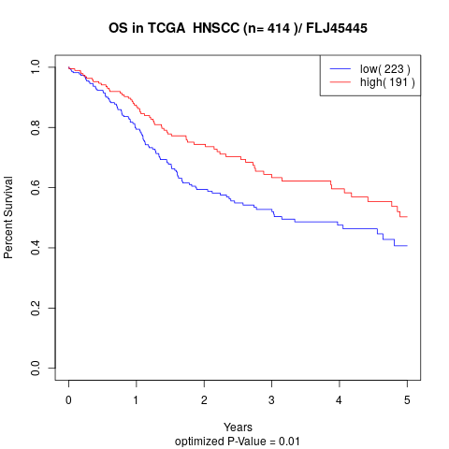

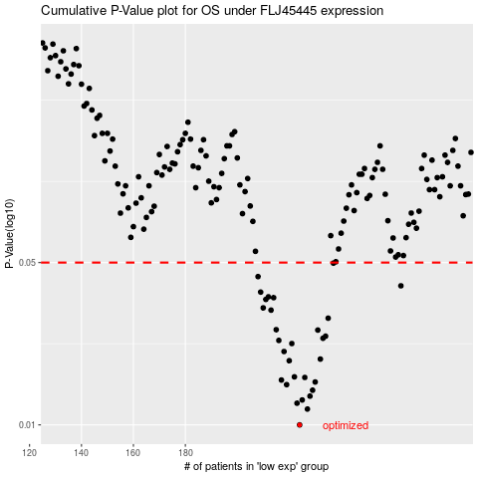

 |  |  |  |  |  | cases_OS | p_OS | rank | exp
 |  |  |  |  |  | 224 | 0.01 | 192 | -0.30416026025
 |  |  |  |  |  | 227 | 0.0117 | 8 | -0.29497018451
 |  |  |  |  |  | 223 | 0.0124 | 371 | -0.31332191167
 |  |  |  |  |  | 225 | 0.0128 | 300 | -0.30277423675
 |  |  |  |  |  | 228 | 0.0133 | 298 | -0.29483212358
 |  |  |  |  |  | 229 | 0.0141 | 146 | -0.28821196642
 |  |  |  |  |  | 219 | 0.0149 | 262 | -0.32673999072
 |  |  |  |  |  | 230 | 0.0153 | 26 | -0.28713680561
 |  |  |  |  |  | 217 | 0.0156 | 397 | -0.33709862143
 |  |  |  |  |  | 226 | 0.016 | 137 | -0.30225898973
 |  |  |  |  |  | 222 | 0.0161 | 180 | -0.31731033866
 |  |  |  |  |  | 220 | 0.0189 | 162 | -0.32592922112
 |  |  |  |  |  | 232 | 0.0192 | 350 | -0.27134552226
 |  |  |  |  |  | 218 | 0.0207 | 133 | -0.33246591007
 |  |  |  |  |  | 221 | 0.0224 | 114 | -0.32154195142
 |  |  |  |  |  | 216 | 0.0231 | 297 | -0.34094943866
 |  |  |  |  |  | 233 | 0.0236 | 28 | -0.25855909454
 |  |  |  |  |  | 234 | 0.0241 | 288 | -0.25498845978
 |  |  |  |  |  | 231 | 0.0256 | 385 | -0.28325846642
 |  |  |  |  |  | 215 | 0.0257 | 256 | -0.35463416482
 |  |  |  |  |  | 235 | 0.0288 | 245 | -0.25346663125
 |  |  |  |  |  | 213 | 0.0312 | 408 | -0.36007358517
 |  |  |  |  |  | 210 | 0.0319 | 374 | -0.37236732485
 |  |  |  |  |  | 211 | 0.0347 | 173 | -0.36870916126
 |  |  |  |  |  | 214 | 0.0353 | 296 | -0.35903090928
 |  |  |  |  |  | 212 | 0.0356 | 366 | -0.36735878095
 |  |  |  |  |  | 209 | 0.0373 | 266 | -0.37500852978
 |  |  |  |  |  | 263 | 0.0397 | 120 | -0.072229169835
 |  |  |  |  |  | 208 | 0.0435 | 244 | -0.37668781997
 |  |  |  |  |  | 237 | 0.0497 | 291 | -0.24709642754
 |  |  |  |  |  |  | cases_RFS | p_RFS | rank | exp
 |  |  |  |  |  |  | 223 | 0.01 | 371 | -0.31332191167
 |  |  |  |  |  |  | 226 | 0.0117 | 137 | -0.30225898973
 |  |  |  |  |  |  | 222 | 0.0124 | 180 | -0.31731033866
 |  |  |  |  |  |  | 224 | 0.0128 | 192 | -0.30416026025
 |  |  |  |  |  |  | 227 | 0.0133 | 8 | -0.29497018451
 |  |  |  |  |  |  | 228 | 0.0141 | 298 | -0.29483212358
 |  |  |  |  |  |  | 218 | 0.0149 | 133 | -0.33246591007
 |  |  |  |  |  |  | 229 | 0.0153 | 146 | -0.28821196642
 |  |  |  |  |  |  | 216 | 0.0156 | 297 | -0.34094943866
 |  |  |  |  |  |  | 225 | 0.016 | 300 | -0.30277423675
 |  |  |  |  |  |  | 221 | 0.0161 | 114 | -0.32154195142
 |  |  |  |  |  |  | 219 | 0.0189 | 262 | -0.32673999072
 |  |  |  |  |  |  | 231 | 0.0192 | 385 | -0.28325846642
 |  |  |  |  |  |  | 217 | 0.0207 | 397 | -0.33709862143
 |  |  |  |  |  |  | 220 | 0.0224 | 162 | -0.32592922112
 |  |  |  |  |  |  | 215 | 0.0231 | 256 | -0.35463416482
 |  |  |  |  |  |  | 232 | 0.0236 | 350 | -0.27134552226
 |  |  |  |  |  |  | 233 | 0.0241 | 28 | -0.25855909454
 |  |  |  |  |  |  | 230 | 0.0256 | 26 | -0.28713680561
 |  |  |  |  |  |  | 214 | 0.0257 | 296 | -0.35903090928
 |  |  |  |  |  |  | 234 | 0.0288 | 288 | -0.25498845978
 |  |  |  |  |  |  | 212 | 0.0312 | 366 | -0.36735878095
 |  |  |  |  |  |  | 209 | 0.0319 | 266 | -0.37500852978
 |  |  |  |  |  |  | 210 | 0.0347 | 374 | -0.37236732485
 |  |  |  |  |  |  | 213 | 0.0353 | 408 | -0.36007358517
 |  |  |  |  |  |  | 211 | 0.0356 | 173 | -0.36870916126
 |  |  |  |  |  |  | 208 | 0.0373 | 244 | -0.37668781997
 |  |  |  |  |  |  | 262 | 0.0397 | 2 | -0.087387899496
 |  |  |  |  |  |  | 207 | 0.0435 | 208 | -0.37687866891
 |  |  |  |  |  |  | 236 | 0.0497 | 207 | -0.24755302122

