FLJ45983 _multivariate
Reported by Tex Li-Hsing Chi. tex@gate.sinica.edu.tw 2019-08-19

Table 2. The clinicopathological features of HNSCC cohort and FLJ45983 expression. (Chi square test)
Cutoff at -0.114 (49.5%)
 |  | FLJ45983 expression |  | FLJ45983 expression |  | (Optimised)
 | Features | Low | (%) | High | (%) | Case no | P-value | Remark | Matthews
Gender | Female | 159 | 38.3 | 147 | 35.4 | 415 | 0.1405 | 0 | 0
2 | Male | 47 | 11.3 | 62 | 14.9
Age at diagnosis | <=65y | 138 | 33.3 | 136 | 32.8 | 415 | 0.7574 | 0 | 0
4 | >65y | 68 | 16.4 | 73 | 17.6
Clinical T Status | T1+T2 | 73 | 17.6 | 76 | 18.3 | 415 | 0.9248 | 0 | 0
6 | T3+T4 | 133 | 32 | 133 | 32
Clinical N Status | N0 | 94 | 22.7 | 122 | 29.4 | 415 | 0.0124 | 1 | 0
8 | N1-3 | 112 | 27 | 87 | 21
Clinical M Status | M0 | 204 | 49.2 | 208 | 50.1 | 415 | 0.6214 | 0 | 0
10 | M1 | 2 | 0.5 | 1 | 0.2
Clinical Stage | Stage I+II | 45 | 10.8 | 57 | 13.7 | 415 | 0.242 | 0 | 0
12 | Stage III+IV | 161 | 38.8 | 152 | 36.6
Surgical Margin status | Negative | 162 | 39 | 156 | 37.6 | 415 | 0.3551 | 0 | 0
14 | Positive | 44 | 10.6 | 53 | 12.8
Tobacco Exposure | Low | 72 | 17.3 | 89 | 21.4 | 415 | 0.1307 | 0 | 0
16 | High | 134 | 32.3 | 120 | 28.9

Table 3. Univariate/Multivariate Cox's proportional hazards regression analyses on OS time of FLJ45983 gene expression in HNSCC

 |  | Univariate |  |  |  | Multivariate
 | Features | HR | CI95%(L) | CI95%(H) | P-value | HR | CI95%(L) | CI95%(H) | P-value
1 | Female | 1 |  |  |  | 1
Gender | Male | 1.157 | 0.843 | 1.587 | 0.367 | 1.215 | 0.869 | 1.7 | 0.255
11 | <=65y | 1 |  |  |  | 1
Age at diagnosis | >65y | 1.329 | 0.99 | 1.784 | 0.058 | 1.392 | 1.025 | 1.892 | 0.034
12 | T1+T2 | 1 |  |  |  | 1
Clinical T Status | T3+T4 | 1.409 | 1.028 | 1.931 | 0.033 | 2.219 | 1.173 | 4.198 | 0.014
13 | N0 | 1 |  |  |  | 1
Clinical N Status | N1-3 | 1.185 | 0.89 | 1.577 | 0.246 | 1.232 | 0.863 | 1.758 | 0.251
14 | M0 | 1 |  |  |  | 1
Clinical M Status | M1 | 4.097 | 1.009 | 16.644 | 0.049 | 9.473 | 2.066 | 43.43 | 0.004
15 | Stage I+II | 1 |  |  |  | 1
Clinical Stage | Stage III+IV | 1.245 | 0.882 | 1.759 | 0.213 | 0.498 | 0.232 | 1.069 | 0.074
16 | Negative | 1 |  |  |  | 1
Surgical Margin status | Positive | 1.591 | 1.155 | 2.191 | 0.004 | 1.705 | 1.229 | 2.365 | 0.001
17 | Low | 1 |  |  |  | 1
Tobacco Exposure | High | 1.364 | 1.008 | 1.844 | 0.044 | 1.455 | 1.056 | 2.005 | 0.022
18 | Low | 1 |  |  |  | 1
RNAseq(z-score) | High | 0.935 | 0.702 | 1.246 | 0.647 | 0.885 | 0.66 | 1.186 | 0.413

Table 4. Univariate/Multivariate Cox's proportional hazards regression analyses on RFS time of FLJ45983 gene expression in HNSCC

 |  | Univariate |  |  |  | Multivariate
 | Features | HR | CI95%(L) | CI95%(H) | P-value | HR | CI95%(L) | CI95%(H) | P-value
1 | Female | 1 |  |  |  | 1
Gender | Male | 1.157 | 0.843 | 1.587 | 0.367 | 1.215 | 0.869 | 1.7 | 0.255
11 | <=65y | 1 |  |  |  | 1
Age at diagnosis | >65y | 1.329 | 0.99 | 1.784 | 0.058 | 1.392 | 1.025 | 1.892 | 0.034
12 | T1+T2 | 1 |  |  |  | 1
Clinical T Status | T3+T4 | 1.409 | 1.028 | 1.931 | 0.033 | 2.219 | 1.173 | 4.198 | 0.014
13 | N0 | 1 |  |  |  | 1
Clinical N Status | N1-3 | 1.185 | 0.89 | 1.577 | 0.246 | 1.232 | 0.863 | 1.758 | 0.251
14 | M0 | 1 |  |  |  | 1
Clinical M Status | M1 | 4.097 | 1.009 | 16.644 | 0.049 | 9.473 | 2.066 | 43.43 | 0.004
15 | Stage I+II | 1 |  |  |  | 1
Clinical Stage | Stage III+IV | 1.245 | 0.882 | 1.759 | 0.213 | 0.498 | 0.232 | 1.069 | 0.074
16 | Negative | 1 |  |  |  | 1
Surgical Margin status | Positive | 1.591 | 1.155 | 2.191 | 0.004 | 1.705 | 1.229 | 2.365 | 0.001
17 | Low | 1 |  |  |  | 1
Tobacco Exposure | High | 1.364 | 1.008 | 1.844 | 0.044 | 1.455 | 1.056 | 2.005 | 0.022
18 | Low | 1 |  |  |  | 1
RNAseq(z-score) | High | 0.935 | 0.702 | 1.246 | 0.647 | 0.885 | 0.66 | 1.186 | 0.413

Kaplan-Meier survival estimate: Cutoff at -0.114 (49.5%)



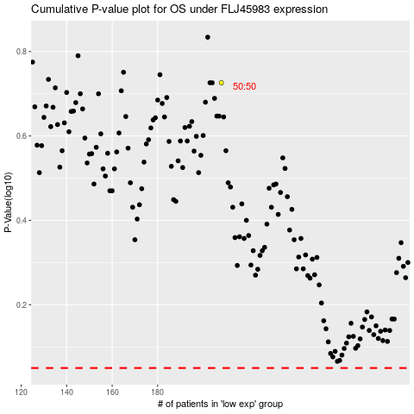

 |  |  |  |  |  | cases_OS | p_OS | rank | exp
 |  |  |  |  |  |  | cases_RFS | p_RFS | rank | exp

