FLNB _multivariate
Reported by Tex Li-Hsing Chi. tex@gate.sinica.edu.tw 2019-08-19

Table 2. The clinicopathological features of HNSCC cohort and FLNB expression. (Chi square test)
Cutoff at -0.153 (50.0%)
 |  | FLNB expression |  | FLNB expression |  | (Optimised)
 | Features | Low | (%) | High | (%) | Case no | P-value | Remark | Matthews
Gender | Female | 163 | 39.3 | 143 | 34.5 | 415 | 0.0277 | 1 | 0
2 | Male | 44 | 10.6 | 65 | 15.7
Age at diagnosis | <=65y | 144 | 34.7 | 130 | 31.3 | 415 | 0.1568 | 0 | 0
4 | >65y | 63 | 15.2 | 78 | 18.8
Clinical T Status | T1+T2 | 84 | 20.2 | 65 | 15.7 | 415 | 0.0603 | 0 | 0
6 | T3+T4 | 123 | 29.6 | 143 | 34.5
Clinical N Status | N0 | 109 | 26.3 | 107 | 25.8 | 415 | 0.8812 | 0 | 0
8 | N1-3 | 98 | 23.6 | 101 | 24.3
Clinical M Status | M0 | 205 | 49.4 | 207 | 49.9 | 415 | 0.6232 | 0 | 0
10 | M1 | 2 | 0.5 | 1 | 0.2
Clinical Stage | Stage I+II | 57 | 13.7 | 45 | 10.8 | 415 | 0.1998 | 0 | 0
12 | Stage III+IV | 150 | 36.1 | 163 | 39.3
Surgical Margin status | Negative | 156 | 37.6 | 162 | 39 | 415 | 0.5636 | 0 | 0
14 | Positive | 51 | 12.3 | 46 | 11.1
Tobacco Exposure | Low | 69 | 16.6 | 92 | 22.2 | 415 | 0.0266 | 1 | 0
16 | High | 138 | 33.3 | 116 | 28

Table 3. Univariate/Multivariate Cox's proportional hazards regression analyses on OS time of FLNB gene expression in HNSCC

 |  | Univariate |  |  |  | Multivariate
 | Features | HR | CI95%(L) | CI95%(H) | P-value | HR | CI95%(L) | CI95%(H) | P-value
1 | Female | 1 |  |  |  | 1
Gender | Male | 1.157 | 0.843 | 1.587 | 0.367 | 1.2 | 0.859 | 1.676 | 0.286
11 | <=65y | 1 |  |  |  | 1
Age at diagnosis | >65y | 1.329 | 0.99 | 1.784 | 0.058 | 1.39 | 1.022 | 1.89 | 0.036
12 | T1+T2 | 1 |  |  |  | 1
Clinical T Status | T3+T4 | 1.409 | 1.028 | 1.931 | 0.033 | 2.195 | 1.161 | 4.15 | 0.016
13 | N0 | 1 |  |  |  | 1
Clinical N Status | N1-3 | 1.185 | 0.89 | 1.577 | 0.246 | 1.24 | 0.869 | 1.769 | 0.235
14 | M0 | 1 |  |  |  | 1
Clinical M Status | M1 | 4.097 | 1.009 | 16.644 | 0.049 | 9.516 | 2.075 | 43.65 | 0.004
15 | Stage I+II | 1 |  |  |  | 1
Clinical Stage | Stage III+IV | 1.245 | 0.882 | 1.759 | 0.213 | 0.503 | 0.234 | 1.079 | 0.078
16 | Negative | 1 |  |  |  | 1
Surgical Margin status | Positive | 1.591 | 1.155 | 2.191 | 0.004 | 1.684 | 1.218 | 2.329 | 0.002
17 | Low | 1 |  |  |  | 1
Tobacco Exposure | High | 1.364 | 1.008 | 1.844 | 0.044 | 1.473 | 1.065 | 2.036 | 0.019
18 | Low | 1 |  |  |  | 1
RNAseq(z-score) | High | 1.061 | 0.794 | 1.417 | 0.691 | 1.098 | 0.819 | 1.472 | 0.53

Table 4. Univariate/Multivariate Cox's proportional hazards regression analyses on RFS time of FLNB gene expression in HNSCC

 |  | Univariate |  |  |  | Multivariate
 | Features | HR | CI95%(L) | CI95%(H) | P-value | HR | CI95%(L) | CI95%(H) | P-value
1 | Female | 1 |  |  |  | 1
Gender | Male | 1.157 | 0.843 | 1.587 | 0.367 | 1.2 | 0.859 | 1.676 | 0.286
11 | <=65y | 1 |  |  |  | 1
Age at diagnosis | >65y | 1.329 | 0.99 | 1.784 | 0.058 | 1.39 | 1.022 | 1.89 | 0.036
12 | T1+T2 | 1 |  |  |  | 1
Clinical T Status | T3+T4 | 1.409 | 1.028 | 1.931 | 0.033 | 2.195 | 1.161 | 4.15 | 0.016
13 | N0 | 1 |  |  |  | 1
Clinical N Status | N1-3 | 1.185 | 0.89 | 1.577 | 0.246 | 1.24 | 0.869 | 1.769 | 0.235
14 | M0 | 1 |  |  |  | 1
Clinical M Status | M1 | 4.097 | 1.009 | 16.644 | 0.049 | 9.516 | 2.075 | 43.65 | 0.004
15 | Stage I+II | 1 |  |  |  | 1
Clinical Stage | Stage III+IV | 1.245 | 0.882 | 1.759 | 0.213 | 0.503 | 0.234 | 1.079 | 0.078
16 | Negative | 1 |  |  |  | 1
Surgical Margin status | Positive | 1.591 | 1.155 | 2.191 | 0.004 | 1.684 | 1.218 | 2.329 | 0.002
17 | Low | 1 |  |  |  | 1
Tobacco Exposure | High | 1.364 | 1.008 | 1.844 | 0.044 | 1.473 | 1.065 | 2.036 | 0.019
18 | Low | 1 |  |  |  | 1
RNAseq(z-score) | High | 1.061 | 0.794 | 1.417 | 0.691 | 1.098 | 0.819 | 1.472 | 0.53

Kaplan-Meier survival estimate: Cutoff at -0.153 (50.0%)



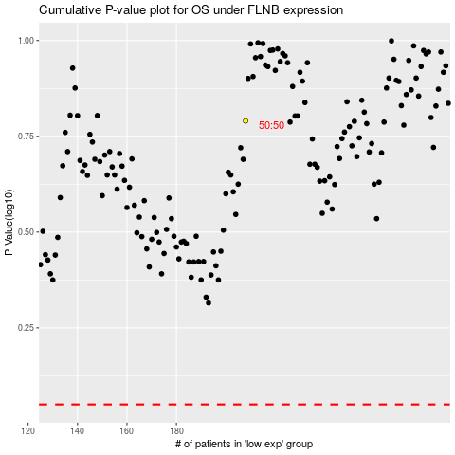

 |  |  |  |  |  | cases_OS | p_OS | rank | exp
 |  |  |  |  |  |  | cases_RFS | p_RFS | rank | exp

