FLNC _multivariate
Reported by Tex Li-Hsing Chi. tex@gate.sinica.edu.tw 2019-08-19

Table 2. The clinicopathological features of HNSCC cohort and FLNC expression. (Chi square test)
Cutoff at -0.291 (30.7%)
 |  | FLNC expression |  | FLNC expression |  | (Optimised)
 | Features | Low | (%) | High | (%) | Case no | P-value | Remark | Matthews
Gender | Female | 96 | 23.1 | 210 | 50.6 | 415 | 0.6531 | 0 | 0
2 | Male | 31 | 7.5 | 78 | 18.8
Age at diagnosis | <=65y | 82 | 19.8 | 192 | 46.3 | 415 | 0.7613 | 0 | 0
4 | >65y | 45 | 10.8 | 96 | 23.1
Clinical T Status | T1+T2 | 51 | 12.3 | 98 | 23.6 | 415 | 0.2764 | 0 | 0
6 | T3+T4 | 76 | 18.3 | 190 | 45.8
Clinical N Status | N0 | 64 | 15.4 | 152 | 36.6 | 415 | 0.7328 | 0 | 0
8 | N1-3 | 63 | 15.2 | 136 | 32.8
Clinical M Status | M0 | 125 | 30.1 | 287 | 69.2 | 415 | 0.223 | 0 | 0
10 | M1 | 2 | 0.5 | 1 | 0.2
Clinical Stage | Stage I+II | 29 | 7 | 73 | 17.6 | 415 | 0.6714 | 0 | 0
12 | Stage III+IV | 98 | 23.6 | 215 | 51.8
Surgical Margin status | Negative | 93 | 22.4 | 225 | 54.2 | 415 | 0.3141 | 0 | 0
14 | Positive | 34 | 8.2 | 63 | 15.2
Tobacco Exposure | Low | 58 | 14 | 103 | 24.8 | 415 | 0.0634 | 0 | 0
16 | High | 69 | 16.6 | 185 | 44.6

Table 3. Univariate/Multivariate Cox's proportional hazards regression analyses on OS time of FLNC gene expression in HNSCC

 |  | Univariate |  |  |  | Multivariate
 | Features | HR | CI95%(L) | CI95%(H) | P-value | HR | CI95%(L) | CI95%(H) | P-value
1 | Female | 1 |  |  |  | 1
Gender | Male | 1.157 | 0.843 | 1.587 | 0.367 | 1.165 | 0.833 | 1.63 | 0.372
11 | <=65y | 1 |  |  |  | 1
Age at diagnosis | >65y | 1.329 | 0.99 | 1.784 | 0.058 | 1.393 | 1.024 | 1.896 | 0.035
12 | T1+T2 | 1 |  |  |  | 1
Clinical T Status | T3+T4 | 1.409 | 1.028 | 1.931 | 0.033 | 2.03 | 1.069 | 3.852 | 0.03
13 | N0 | 1 |  |  |  | 1
Clinical N Status | N1-3 | 1.185 | 0.89 | 1.577 | 0.246 | 1.242 | 0.87 | 1.772 | 0.233
14 | M0 | 1 |  |  |  | 1
Clinical M Status | M1 | 4.097 | 1.009 | 16.644 | 0.049 | 9.758 | 2.128 | 44.736 | 0.003
15 | Stage I+II | 1 |  |  |  | 1
Clinical Stage | Stage III+IV | 1.245 | 0.882 | 1.759 | 0.213 | 0.55 | 0.256 | 1.185 | 0.127
16 | Negative | 1 |  |  |  | 1
Surgical Margin status | Positive | 1.591 | 1.155 | 2.191 | 0.004 | 1.703 | 1.233 | 2.353 | 0.001
17 | Low | 1 |  |  |  | 1
Tobacco Exposure | High | 1.364 | 1.008 | 1.844 | 0.044 | 1.381 | 1 | 1.908 | 0.05
18 | Low | 1 |  |  |  | 1
RNAseq(z-score) | High | 1.555 | 1.106 | 2.186 | 0.011 | 1.488 | 1.051 | 2.108 | 0.025

Table 4. Univariate/Multivariate Cox's proportional hazards regression analyses on RFS time of FLNC gene expression in HNSCC

 |  | Univariate |  |  |  | Multivariate
 | Features | HR | CI95%(L) | CI95%(H) | P-value | HR | CI95%(L) | CI95%(H) | P-value
1 | Female | 1 |  |  |  | 1
Gender | Male | 1.157 | 0.843 | 1.587 | 0.367 | 1.165 | 0.833 | 1.63 | 0.372
11 | <=65y | 1 |  |  |  | 1
Age at diagnosis | >65y | 1.329 | 0.99 | 1.784 | 0.058 | 1.393 | 1.024 | 1.896 | 0.035
12 | T1+T2 | 1 |  |  |  | 1
Clinical T Status | T3+T4 | 1.409 | 1.028 | 1.931 | 0.033 | 2.03 | 1.069 | 3.852 | 0.03
13 | N0 | 1 |  |  |  | 1
Clinical N Status | N1-3 | 1.185 | 0.89 | 1.577 | 0.246 | 1.242 | 0.87 | 1.772 | 0.233
14 | M0 | 1 |  |  |  | 1
Clinical M Status | M1 | 4.097 | 1.009 | 16.644 | 0.049 | 9.758 | 2.128 | 44.736 | 0.003
15 | Stage I+II | 1 |  |  |  | 1
Clinical Stage | Stage III+IV | 1.245 | 0.882 | 1.759 | 0.213 | 0.55 | 0.256 | 1.185 | 0.127
16 | Negative | 1 |  |  |  | 1
Surgical Margin status | Positive | 1.591 | 1.155 | 2.191 | 0.004 | 1.703 | 1.233 | 2.353 | 0.001
17 | Low | 1 |  |  |  | 1
Tobacco Exposure | High | 1.364 | 1.008 | 1.844 | 0.044 | 1.381 | 1 | 1.908 | 0.05
18 | Low | 1 |  |  |  | 1
RNAseq(z-score) | High | 1.555 | 1.106 | 2.186 | 0.011 | 1.488 | 1.051 | 2.108 | 0.025

Kaplan-Meier survival estimate: Cutoff at -0.291 (30.7%)

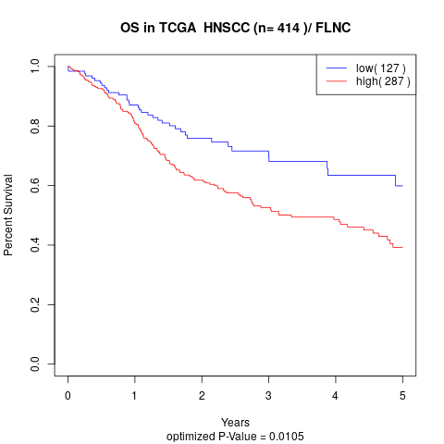

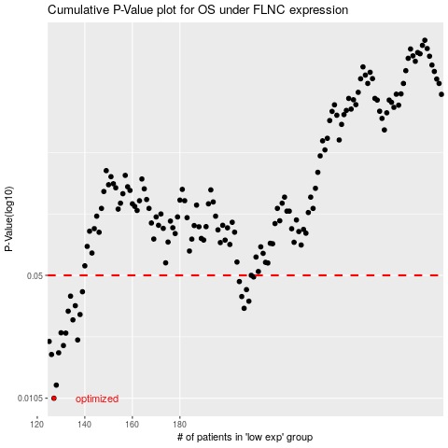

 |  |  |  |  |  | cases_OS | p_OS | rank | exp
 |  |  |  |  |  | 127 | 0.0105 | 401 | -0.29053617954
 |  |  |  |  |  | 128 | 0.0124 | 217 | -0.29035266309
 |  |  |  |  |  | 126 | 0.0183 | 175 | -0.29069572237
 |  |  |  |  |  | 129 | 0.0187 | 202 | -0.29033698315
 |  |  |  |  |  | 131 | 0.0205 | 278 | -0.28976528802
 |  |  |  |  |  | 125 | 0.0216 | 5 | -0.29107732729
 |  |  |  |  |  | 137 | 0.022 | 207 | -0.28732626648
 |  |  |  |  |  | 132 | 0.024 | 92 | -0.28837821507
 |  |  |  |  |  | 130 | 0.0241 | 102 | -0.28986052833
 |  |  |  |  |  | 135 | 0.0284 | 153 | -0.28790885105
 |  |  |  |  |  | 138 | 0.0304 | 409 | -0.28729387253
 |  |  |  |  |  | 133 | 0.0317 | 412 | -0.28832155204
 |  |  |  |  |  | 207 | 0.0329 | 404 | -0.25604484558
 |  |  |  |  |  | 136 | 0.034 | 184 | -0.28768774917
 |  |  |  |  |  | 209 | 0.036 | 43 | -0.25498973145
 |  |  |  |  |  | 206 | 0.0382 | 295 | -0.25610694277
 |  |  |  |  |  | 134 | 0.0384 | 190 | -0.28831816492
 |  |  |  |  |  | 139 | 0.0406 | 191 | -0.28680400641
 |  |  |  |  |  | 208 | 0.0417 | 305 | -0.25577607078
 |  |  |  |  |  | 205 | 0.0462 | 119 | -0.25641260657
 |  |  |  |  |  | 211 | 0.049 | 326 | -0.25481006639
 |  |  |  |  |  | 210 | 0.05 | 28 | -0.25496002821
 |  |  |  |  |  |  | cases_RFS | p_RFS | rank | exp
 |  |  |  |  |  |  | 126 | 0.0105 | 175 | -0.29069572237
 |  |  |  |  |  |  | 127 | 0.0124 | 401 | -0.29053617954
 |  |  |  |  |  |  | 125 | 0.0183 | 5 | -0.29107732729
 |  |  |  |  |  |  | 128 | 0.0187 | 217 | -0.29035266309
 |  |  |  |  |  |  | 130 | 0.0205 | 102 | -0.28986052833
 |  |  |  |  |  |  |  | 0.0216 | 154 | -0.29123940255
 |  |  |  |  |  |  | 136 | 0.022 | 184 | -0.28768774917
 |  |  |  |  |  |  | 131 | 0.024 | 278 | -0.28976528802
 |  |  |  |  |  |  | 129 | 0.0241 | 202 | -0.29033698315
 |  |  |  |  |  |  | 134 | 0.0284 | 190 | -0.28831816492
 |  |  |  |  |  |  | 137 | 0.0304 | 207 | -0.28732626648
 |  |  |  |  |  |  | 132 | 0.0317 | 92 | -0.28837821507
 |  |  |  |  |  |  | 206 | 0.0329 | 295 | -0.25610694277
 |  |  |  |  |  |  | 135 | 0.034 | 153 | -0.28790885105
 |  |  |  |  |  |  | 208 | 0.036 | 305 | -0.25577607078
 |  |  |  |  |  |  | 205 | 0.0382 | 119 | -0.25641260657
 |  |  |  |  |  |  | 133 | 0.0384 | 412 | -0.28832155204
 |  |  |  |  |  |  | 138 | 0.0406 | 409 | -0.28729387253
 |  |  |  |  |  |  | 207 | 0.0417 | 404 | -0.25604484558
 |  |  |  |  |  |  | 204 | 0.0462 | 255 | -0.2566488608
 |  |  |  |  |  |  | 210 | 0.049 | 28 | -0.25496002821
 |  |  |  |  |  |  | 209 | 0.05 | 43 | -0.25498973145

