FLOT2 _multivariate
Reported by Tex Li-Hsing Chi. tex@gate.sinica.edu.tw 2019-08-19

Table 2. The clinicopathological features of HNSCC cohort and FLOT2 expression. (Chi square test)
Cutoff at -0.188 (49.8%)
 |  | FLOT2 expression |  | FLOT2 expression |  | (Optimised)
 | Features | Low | (%) | High | (%) | Case no | P-value | Remark | Matthews
Gender | Female | 150 | 36.1 | 156 | 37.6 | 415 | 0.6344 | 0 | 0
2 | Male | 57 | 13.7 | 52 | 12.5
Age at diagnosis | <=65y | 146 | 35.2 | 128 | 30.8 | 415 | 0.0672 | 0 | 0
4 | >65y | 61 | 14.7 | 80 | 19.3
Clinical T Status | T1+T2 | 72 | 17.3 | 77 | 18.6 | 415 | 0.7095 | 0 | 0
6 | T3+T4 | 135 | 32.5 | 131 | 31.6
Clinical N Status | N0 | 105 | 25.3 | 111 | 26.7 | 415 | 0.6598 | 0 | 0
8 | N1-3 | 102 | 24.6 | 97 | 23.4
Clinical M Status | M0 | 207 | 49.9 | 205 | 49.4 | 415 | 0.2482 | 0 | 0
10 | M1 | 0 | 0 | 3 | 0.7
Clinical Stage | Stage I+II | 49 | 11.8 | 53 | 12.8 | 415 | 0.7535 | 0 | 0
12 | Stage III+IV | 158 | 38.1 | 155 | 37.3
Surgical Margin status | Negative | 159 | 38.3 | 159 | 38.3 | 415 | 1 | 0 | 0
14 | Positive | 48 | 11.6 | 49 | 11.8
Tobacco Exposure | Low | 77 | 18.6 | 84 | 20.2 | 415 | 0.5459 | 0 | 0
16 | High | 130 | 31.3 | 124 | 29.9

Table 3. Univariate/Multivariate Cox's proportional hazards regression analyses on OS time of FLOT2 gene expression in HNSCC

 |  | Univariate |  |  |  | Multivariate
 | Features | HR | CI95%(L) | CI95%(H) | P-value | HR | CI95%(L) | CI95%(H) | P-value
1 | Female | 1 |  |  |  | 1
Gender | Male | 1.157 | 0.843 | 1.587 | 0.367 | 1.194 | 0.856 | 1.666 | 0.296
11 | <=65y | 1 |  |  |  | 1
Age at diagnosis | >65y | 1.329 | 0.99 | 1.784 | 0.058 | 1.44 | 1.055 | 1.966 | 0.022
12 | T1+T2 | 1 |  |  |  | 1
Clinical T Status | T3+T4 | 1.409 | 1.028 | 1.931 | 0.033 | 2.177 | 1.151 | 4.115 | 0.017
13 | N0 | 1 |  |  |  | 1
Clinical N Status | N1-3 | 1.185 | 0.89 | 1.577 | 0.246 | 1.249 | 0.875 | 1.783 | 0.22
14 | M0 | 1 |  |  |  | 1
Clinical M Status | M1 | 4.097 | 1.009 | 16.644 | 0.049 | 10.571 | 2.29 | 48.8 | 0.003
15 | Stage I+II | 1 |  |  |  | 1
Clinical Stage | Stage III+IV | 1.245 | 0.882 | 1.759 | 0.213 | 0.503 | 0.234 | 1.08 | 0.078
16 | Negative | 1 |  |  |  | 1
Surgical Margin status | Positive | 1.591 | 1.155 | 2.191 | 0.004 | 1.671 | 1.209 | 2.31 | 0.002
17 | Low | 1 |  |  |  | 1
Tobacco Exposure | High | 1.364 | 1.008 | 1.844 | 0.044 | 1.457 | 1.057 | 2.008 | 0.022
18 | Low | 1 |  |  |  | 1
RNAseq(z-score) | High | 0.836 | 0.627 | 1.114 | 0.221 | 0.79 | 0.589 | 1.058 | 0.113

Table 4. Univariate/Multivariate Cox's proportional hazards regression analyses on RFS time of FLOT2 gene expression in HNSCC

 |  | Univariate |  |  |  | Multivariate
 | Features | HR | CI95%(L) | CI95%(H) | P-value | HR | CI95%(L) | CI95%(H) | P-value
1 | Female | 1 |  |  |  | 1
Gender | Male | 1.157 | 0.843 | 1.587 | 0.367 | 1.194 | 0.856 | 1.666 | 0.296
11 | <=65y | 1 |  |  |  | 1
Age at diagnosis | >65y | 1.329 | 0.99 | 1.784 | 0.058 | 1.44 | 1.055 | 1.966 | 0.022
12 | T1+T2 | 1 |  |  |  | 1
Clinical T Status | T3+T4 | 1.409 | 1.028 | 1.931 | 0.033 | 2.177 | 1.151 | 4.115 | 0.017
13 | N0 | 1 |  |  |  | 1
Clinical N Status | N1-3 | 1.185 | 0.89 | 1.577 | 0.246 | 1.249 | 0.875 | 1.783 | 0.22
14 | M0 | 1 |  |  |  | 1
Clinical M Status | M1 | 4.097 | 1.009 | 16.644 | 0.049 | 10.571 | 2.29 | 48.8 | 0.003
15 | Stage I+II | 1 |  |  |  | 1
Clinical Stage | Stage III+IV | 1.245 | 0.882 | 1.759 | 0.213 | 0.503 | 0.234 | 1.08 | 0.078
16 | Negative | 1 |  |  |  | 1
Surgical Margin status | Positive | 1.591 | 1.155 | 2.191 | 0.004 | 1.671 | 1.209 | 2.31 | 0.002
17 | Low | 1 |  |  |  | 1
Tobacco Exposure | High | 1.364 | 1.008 | 1.844 | 0.044 | 1.457 | 1.057 | 2.008 | 0.022
18 | Low | 1 |  |  |  | 1
RNAseq(z-score) | High | 0.836 | 0.627 | 1.114 | 0.221 | 0.79 | 0.589 | 1.058 | 0.113

Kaplan-Meier survival estimate: Cutoff at -0.188 (49.8%)



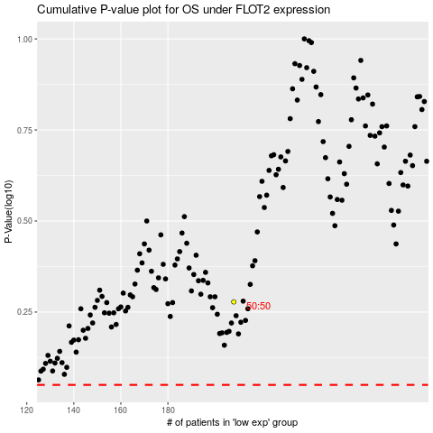

 |  |  |  |  |  | cases_OS | p_OS | rank | exp
 |  |  |  |  |  |  | cases_RFS | p_RFS | rank | exp

