FLRT1 _multivariate
Reported by Tex Li-Hsing Chi. tex@gate.sinica.edu.tw 2019-08-19

Table 2. The clinicopathological features of HNSCC cohort and FLRT1 expression. (Chi square test)
Cutoff at -0.251 (49.8%)
 |  | FLRT1 expression |  | FLRT1 expression |  | (Optimised)
 | Features | Low | (%) | High | (%) | Case no | P-value | Remark | Matthews
Gender | Female | 144 | 34.7 | 162 | 39 | 415 | 0.0697 | 0 | 0
2 | Male | 63 | 15.2 | 46 | 11.1
Age at diagnosis | <=65y | 132 | 31.8 | 142 | 34.2 | 415 | 0.3874 | 0 | 0
4 | >65y | 75 | 18.1 | 66 | 15.9
Clinical T Status | T1+T2 | 66 | 15.9 | 83 | 20 | 415 | 0.1095 | 0 | 0
6 | T3+T4 | 141 | 34 | 125 | 30.1
Clinical N Status | N0 | 99 | 23.9 | 117 | 28.2 | 415 | 0.1054 | 0 | 0
8 | N1-3 | 108 | 26 | 91 | 21.9
Clinical M Status | M0 | 207 | 49.9 | 205 | 49.4 | 415 | 0.2482 | 0 | 0
10 | M1 | 0 | 0 | 3 | 0.7
Clinical Stage | Stage I+II | 47 | 11.3 | 55 | 13.3 | 415 | 0.4413 | 0 | 0
12 | Stage III+IV | 160 | 38.6 | 153 | 36.9
Surgical Margin status | Negative | 167 | 40.2 | 151 | 36.4 | 415 | 0.0632 | 0 | 0
14 | Positive | 40 | 9.6 | 57 | 13.7
Tobacco Exposure | Low | 93 | 22.4 | 68 | 16.4 | 415 | 0.0118 | 1 | 0
16 | High | 114 | 27.5 | 140 | 33.7

Table 3. Univariate/Multivariate Cox's proportional hazards regression analyses on OS time of FLRT1 gene expression in HNSCC

 |  | Univariate |  |  |  | Multivariate
 | Features | HR | CI95%(L) | CI95%(H) | P-value | HR | CI95%(L) | CI95%(H) | P-value
1 | Female | 1 |  |  |  | 1
Gender | Male | 1.157 | 0.843 | 1.587 | 0.367 | 1.218 | 0.87 | 1.705 | 0.25
11 | <=65y | 1 |  |  |  | 1
Age at diagnosis | >65y | 1.329 | 0.99 | 1.784 | 0.058 | 1.388 | 1.021 | 1.886 | 0.036
12 | T1+T2 | 1 |  |  |  | 1
Clinical T Status | T3+T4 | 1.409 | 1.028 | 1.931 | 0.033 | 2.281 | 1.202 | 4.33 | 0.012
13 | N0 | 1 |  |  |  | 1
Clinical N Status | N1-3 | 1.185 | 0.89 | 1.577 | 0.246 | 1.27 | 0.887 | 1.818 | 0.193
14 | M0 | 1 |  |  |  | 1
Clinical M Status | M1 | 4.097 | 1.009 | 16.644 | 0.049 | 8.977 | 1.952 | 41.275 | 0.005
15 | Stage I+II | 1 |  |  |  | 1
Clinical Stage | Stage III+IV | 1.245 | 0.882 | 1.759 | 0.213 | 0.481 | 0.223 | 1.039 | 0.063
16 | Negative | 1 |  |  |  | 1
Surgical Margin status | Positive | 1.591 | 1.155 | 2.191 | 0.004 | 1.646 | 1.189 | 2.279 | 0.003
17 | Low | 1 |  |  |  | 1
Tobacco Exposure | High | 1.364 | 1.008 | 1.844 | 0.044 | 1.428 | 1.035 | 1.97 | 0.03
18 | Low | 1 |  |  |  | 1
RNAseq(z-score) | High | 1.174 | 0.879 | 1.568 | 0.277 | 1.159 | 0.859 | 1.564 | 0.335

Table 4. Univariate/Multivariate Cox's proportional hazards regression analyses on RFS time of FLRT1 gene expression in HNSCC

 |  | Univariate |  |  |  | Multivariate
 | Features | HR | CI95%(L) | CI95%(H) | P-value | HR | CI95%(L) | CI95%(H) | P-value
1 | Female | 1 |  |  |  | 1
Gender | Male | 1.157 | 0.843 | 1.587 | 0.367 | 1.218 | 0.87 | 1.705 | 0.25
11 | <=65y | 1 |  |  |  | 1
Age at diagnosis | >65y | 1.329 | 0.99 | 1.784 | 0.058 | 1.388 | 1.021 | 1.886 | 0.036
12 | T1+T2 | 1 |  |  |  | 1
Clinical T Status | T3+T4 | 1.409 | 1.028 | 1.931 | 0.033 | 2.281 | 1.202 | 4.33 | 0.012
13 | N0 | 1 |  |  |  | 1
Clinical N Status | N1-3 | 1.185 | 0.89 | 1.577 | 0.246 | 1.27 | 0.887 | 1.818 | 0.193
14 | M0 | 1 |  |  |  | 1
Clinical M Status | M1 | 4.097 | 1.009 | 16.644 | 0.049 | 8.977 | 1.952 | 41.275 | 0.005
15 | Stage I+II | 1 |  |  |  | 1
Clinical Stage | Stage III+IV | 1.245 | 0.882 | 1.759 | 0.213 | 0.481 | 0.223 | 1.039 | 0.063
16 | Negative | 1 |  |  |  | 1
Surgical Margin status | Positive | 1.591 | 1.155 | 2.191 | 0.004 | 1.646 | 1.189 | 2.279 | 0.003
17 | Low | 1 |  |  |  | 1
Tobacco Exposure | High | 1.364 | 1.008 | 1.844 | 0.044 | 1.428 | 1.035 | 1.97 | 0.03
18 | Low | 1 |  |  |  | 1
RNAseq(z-score) | High | 1.174 | 0.879 | 1.568 | 0.277 | 1.159 | 0.859 | 1.564 | 0.335

Kaplan-Meier survival estimate: Cutoff at -0.251 (49.8%)



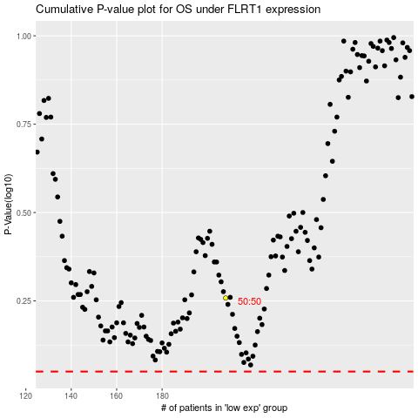

 |  |  |  |  |  | cases_OS | p_OS | rank | exp
 |  |  |  |  |  |  | cases_RFS | p_RFS | rank | exp

