FLRT2 _multivariate
Reported by Tex Li-Hsing Chi. tex@gate.sinica.edu.tw 2019-08-19

Table 2. The clinicopathological features of HNSCC cohort and FLRT2 expression. (Chi square test)
Cutoff at 0.142 (66.2%)
 |  | FLRT2 expression |  | FLRT2 expression |  | (Optimised)
 | Features | Low | (%) | High | (%) | Case no | P-value | Remark | Matthews
Gender | Female | 202 | 48.7 | 104 | 25.1 | 415 | 1 | 0 | 0
2 | Male | 72 | 17.3 | 37 | 8.9
Age at diagnosis | <=65y | 173 | 41.7 | 101 | 24.3 | 415 | 0.1051 | 0 | 0
4 | >65y | 101 | 24.3 | 40 | 9.6
Clinical T Status | T1+T2 | 90 | 21.7 | 59 | 14.2 | 415 | 0.0888 | 0 | 0
6 | T3+T4 | 184 | 44.3 | 82 | 19.8
Clinical N Status | N0 | 142 | 34.2 | 74 | 17.8 | 415 | 0.9815 | 0 | 0
8 | N1-3 | 132 | 31.8 | 67 | 16.1
Clinical M Status | M0 | 272 | 65.5 | 140 | 33.7 | 415 | 1 | 0 | 0
10 | M1 | 2 | 0.5 | 1 | 0.2
Clinical Stage | Stage I+II | 57 | 13.7 | 45 | 10.8 | 415 | 0.0178 | 1 | 0
12 | Stage III+IV | 217 | 52.3 | 96 | 23.1
Surgical Margin status | Negative | 203 | 48.9 | 115 | 27.7 | 415 | 0.111 | 0 | 0
14 | Positive | 71 | 17.1 | 26 | 6.3
Tobacco Exposure | Low | 97 | 23.4 | 64 | 15.4 | 415 | 0.0556 | 0 | 0
16 | High | 177 | 42.7 | 77 | 18.6

Table 3. Univariate/Multivariate Cox's proportional hazards regression analyses on OS time of FLRT2 gene expression in HNSCC

 |  | Univariate |  |  |  | Multivariate
 | Features | HR | CI95%(L) | CI95%(H) | P-value | HR | CI95%(L) | CI95%(H) | P-value
1 | Female | 1 |  |  |  | 1
Gender | Male | 1.157 | 0.843 | 1.587 | 0.367 | 1.212 | 0.867 | 1.694 | 0.261
11 | <=65y | 1 |  |  |  | 1
Age at diagnosis | >65y | 1.329 | 0.99 | 1.784 | 0.058 | 1.423 | 1.046 | 1.937 | 0.025
12 | T1+T2 | 1 |  |  |  | 1
Clinical T Status | T3+T4 | 1.409 | 1.028 | 1.931 | 0.033 | 2.135 | 1.129 | 4.039 | 0.02
13 | N0 | 1 |  |  |  | 1
Clinical N Status | N1-3 | 1.185 | 0.89 | 1.577 | 0.246 | 1.207 | 0.846 | 1.723 | 0.3
14 | M0 | 1 |  |  |  | 1
Clinical M Status | M1 | 4.097 | 1.009 | 16.644 | 0.049 | 8.818 | 1.922 | 40.45 | 0.005
15 | Stage I+II | 1 |  |  |  | 1
Clinical Stage | Stage III+IV | 1.245 | 0.882 | 1.759 | 0.213 | 0.57 | 0.264 | 1.23 | 0.152
16 | Negative | 1 |  |  |  | 1
Surgical Margin status | Positive | 1.591 | 1.155 | 2.191 | 0.004 | 1.76 | 1.271 | 2.437 | 0.001
17 | Low | 1 |  |  |  | 1
Tobacco Exposure | High | 1.364 | 1.008 | 1.844 | 0.044 | 1.513 | 1.096 | 2.089 | 0.012
18 | Low | 1 |  |  |  | 1
RNAseq(z-score) | High | 1.359 | 1.006 | 1.834 | 0.045 | 1.553 | 1.141 | 2.115 | 0.005

Table 4. Univariate/Multivariate Cox's proportional hazards regression analyses on RFS time of FLRT2 gene expression in HNSCC

 |  | Univariate |  |  |  | Multivariate
 | Features | HR | CI95%(L) | CI95%(H) | P-value | HR | CI95%(L) | CI95%(H) | P-value
1 | Female | 1 |  |  |  | 1
Gender | Male | 1.157 | 0.843 | 1.587 | 0.367 | 1.212 | 0.867 | 1.694 | 0.261
11 | <=65y | 1 |  |  |  | 1
Age at diagnosis | >65y | 1.329 | 0.99 | 1.784 | 0.058 | 1.423 | 1.046 | 1.937 | 0.025
12 | T1+T2 | 1 |  |  |  | 1
Clinical T Status | T3+T4 | 1.409 | 1.028 | 1.931 | 0.033 | 2.135 | 1.129 | 4.039 | 0.02
13 | N0 | 1 |  |  |  | 1
Clinical N Status | N1-3 | 1.185 | 0.89 | 1.577 | 0.246 | 1.207 | 0.846 | 1.723 | 0.3
14 | M0 | 1 |  |  |  | 1
Clinical M Status | M1 | 4.097 | 1.009 | 16.644 | 0.049 | 8.818 | 1.922 | 40.45 | 0.005
15 | Stage I+II | 1 |  |  |  | 1
Clinical Stage | Stage III+IV | 1.245 | 0.882 | 1.759 | 0.213 | 0.57 | 0.264 | 1.23 | 0.152
16 | Negative | 1 |  |  |  | 1
Surgical Margin status | Positive | 1.591 | 1.155 | 2.191 | 0.004 | 1.76 | 1.271 | 2.437 | 0.001
17 | Low | 1 |  |  |  | 1
Tobacco Exposure | High | 1.364 | 1.008 | 1.844 | 0.044 | 1.513 | 1.096 | 2.089 | 0.012
18 | Low | 1 |  |  |  | 1
RNAseq(z-score) | High | 1.359 | 1.006 | 1.834 | 0.045 | 1.553 | 1.141 | 2.115 | 0.005

Kaplan-Meier survival estimate: Cutoff at 0.142 (66.2%)



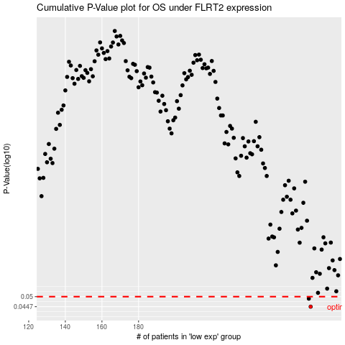

 |  |  |  |  |  | cases_OS | p_OS | rank | exp
 |  |  |  |  |  | 274 | 0.0447 | 79 | 0.14151328474
 |  |  |  |  |  | 273 | 0.0489 | 374 | 0.14130983507
 |  |  |  |  |  |  | cases_RFS | p_RFS | rank | exp
 |  |  |  |  |  |  | 273 | 0.0447 | 374 | 0.14130983507
 |  |  |  |  |  |  | 272 | 0.0489 | 271 | 0.13421303199

