FLRT3 _multivariate
Reported by Tex Li-Hsing Chi. tex@gate.sinica.edu.tw 2019-08-19

Table 2. The clinicopathological features of HNSCC cohort and FLRT3 expression. (Chi square test)
Cutoff at -0.246 (50.0%)
 |  | FLRT3 expression |  | FLRT3 expression |  | (Optimised)
 | Features | Low | (%) | High | (%) | Case no | P-value | Remark | Matthews
Gender | Female | 166 | 40 | 140 | 33.7 | 415 | 0.0041 | 1 | 0
2 | Male | 41 | 9.9 | 68 | 16.4
Age at diagnosis | <=65y | 136 | 32.8 | 138 | 33.3 | 415 | 0.9719 | 0 | 0
4 | >65y | 71 | 17.1 | 70 | 16.9
Clinical T Status | T1+T2 | 72 | 17.3 | 77 | 18.6 | 415 | 0.7095 | 0 | 0
6 | T3+T4 | 135 | 32.5 | 131 | 31.6
Clinical N Status | N0 | 98 | 23.6 | 118 | 28.4 | 415 | 0.0694 | 0 | 0
8 | N1-3 | 109 | 26.3 | 90 | 21.7
Clinical M Status | M0 | 205 | 49.4 | 207 | 49.9 | 415 | 0.6232 | 0 | 0
10 | M1 | 2 | 0.5 | 1 | 0.2
Clinical Stage | Stage I+II | 40 | 9.6 | 62 | 14.9 | 415 | 0.018 | 1 | 0
12 | Stage III+IV | 167 | 40.2 | 146 | 35.2
Surgical Margin status | Negative | 154 | 37.1 | 164 | 39.5 | 415 | 0.2984 | 0 | 0
14 | Positive | 53 | 12.8 | 44 | 10.6
Tobacco Exposure | Low | 65 | 15.7 | 96 | 23.1 | 415 | 0.0025 | 1 | 0
16 | High | 142 | 34.2 | 112 | 27

Table 3. Univariate/Multivariate Cox's proportional hazards regression analyses on OS time of FLRT3 gene expression in HNSCC

 |  | Univariate |  |  |  | Multivariate
 | Features | HR | CI95%(L) | CI95%(H) | P-value | HR | CI95%(L) | CI95%(H) | P-value
1 | Female | 1 |  |  |  | 1
Gender | Male | 1.157 | 0.843 | 1.587 | 0.367 | 1.184 | 0.845 | 1.658 | 0.327
11 | <=65y | 1 |  |  |  | 1
Age at diagnosis | >65y | 1.329 | 0.99 | 1.784 | 0.058 | 1.404 | 1.032 | 1.911 | 0.031
12 | T1+T2 | 1 |  |  |  | 1
Clinical T Status | T3+T4 | 1.409 | 1.028 | 1.931 | 0.033 | 2.183 | 1.154 | 4.129 | 0.016
13 | N0 | 1 |  |  |  | 1
Clinical N Status | N1-3 | 1.185 | 0.89 | 1.577 | 0.246 | 1.248 | 0.875 | 1.781 | 0.222
14 | M0 | 1 |  |  |  | 1
Clinical M Status | M1 | 4.097 | 1.009 | 16.644 | 0.049 | 9.321 | 2.033 | 42.737 | 0.004
15 | Stage I+II | 1 |  |  |  | 1
Clinical Stage | Stage III+IV | 1.245 | 0.882 | 1.759 | 0.213 | 0.52 | 0.241 | 1.121 | 0.095
16 | Negative | 1 |  |  |  | 1
Surgical Margin status | Positive | 1.591 | 1.155 | 2.191 | 0.004 | 1.672 | 1.21 | 2.311 | 0.002
17 | Low | 1 |  |  |  | 1
Tobacco Exposure | High | 1.364 | 1.008 | 1.844 | 0.044 | 1.48 | 1.069 | 2.049 | 0.018
18 | Low | 1 |  |  |  | 1
RNAseq(z-score) | High | 1.03 | 0.774 | 1.371 | 0.839 | 1.114 | 0.823 | 1.508 | 0.485

Table 4. Univariate/Multivariate Cox's proportional hazards regression analyses on RFS time of FLRT3 gene expression in HNSCC

 |  | Univariate |  |  |  | Multivariate
 | Features | HR | CI95%(L) | CI95%(H) | P-value | HR | CI95%(L) | CI95%(H) | P-value
1 | Female | 1 |  |  |  | 1
Gender | Male | 1.157 | 0.843 | 1.587 | 0.367 | 1.184 | 0.845 | 1.658 | 0.327
11 | <=65y | 1 |  |  |  | 1
Age at diagnosis | >65y | 1.329 | 0.99 | 1.784 | 0.058 | 1.404 | 1.032 | 1.911 | 0.031
12 | T1+T2 | 1 |  |  |  | 1
Clinical T Status | T3+T4 | 1.409 | 1.028 | 1.931 | 0.033 | 2.183 | 1.154 | 4.129 | 0.016
13 | N0 | 1 |  |  |  | 1
Clinical N Status | N1-3 | 1.185 | 0.89 | 1.577 | 0.246 | 1.248 | 0.875 | 1.781 | 0.222
14 | M0 | 1 |  |  |  | 1
Clinical M Status | M1 | 4.097 | 1.009 | 16.644 | 0.049 | 9.321 | 2.033 | 42.737 | 0.004
15 | Stage I+II | 1 |  |  |  | 1
Clinical Stage | Stage III+IV | 1.245 | 0.882 | 1.759 | 0.213 | 0.52 | 0.241 | 1.121 | 0.095
16 | Negative | 1 |  |  |  | 1
Surgical Margin status | Positive | 1.591 | 1.155 | 2.191 | 0.004 | 1.672 | 1.21 | 2.311 | 0.002
17 | Low | 1 |  |  |  | 1
Tobacco Exposure | High | 1.364 | 1.008 | 1.844 | 0.044 | 1.48 | 1.069 | 2.049 | 0.018
18 | Low | 1 |  |  |  | 1
RNAseq(z-score) | High | 1.03 | 0.774 | 1.371 | 0.839 | 1.114 | 0.823 | 1.508 | 0.485

Kaplan-Meier survival estimate: Cutoff at -0.246 (50.0%)



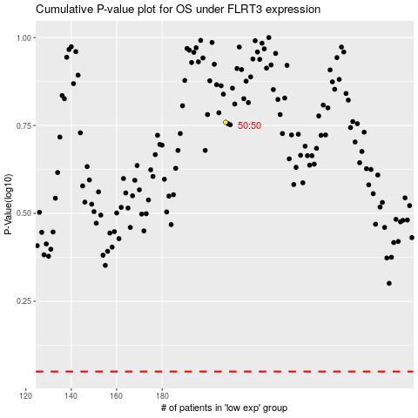

 |  |  |  |  |  | cases_OS | p_OS | rank | exp
 |  |  |  |  |  |  | cases_RFS | p_RFS | rank | exp

