FLVCR1 _multivariate
Reported by Tex Li-Hsing Chi. tex@gate.sinica.edu.tw 2019-08-19

Table 2. The clinicopathological features of HNSCC cohort and FLVCR1 expression. (Chi square test)
Cutoff at -0.274 (49.8%)
 |  | FLVCR1 expression |  | FLVCR1 expression |  | (Optimised)
 | Features | Low | (%) | High | (%) | Case no | P-value | Remark | Matthews
Gender | Female | 142 | 34.2 | 164 | 39.5 | 415 | 0.0238 | 1 | 0
2 | Male | 65 | 15.7 | 44 | 10.6
Age at diagnosis | <=65y | 130 | 31.3 | 144 | 34.7 | 415 | 0.2009 | 0 | 0
4 | >65y | 77 | 18.6 | 64 | 15.4
Clinical T Status | T1+T2 | 83 | 20 | 66 | 15.9 | 415 | 0.0941 | 0 | 0
6 | T3+T4 | 124 | 29.9 | 142 | 34.2
Clinical N Status | N0 | 113 | 27.2 | 103 | 24.8 | 415 | 0.3495 | 1 | 0
8 | N1-3 | 94 | 22.7 | 105 | 25.3
Clinical M Status | M0 | 206 | 49.6 | 206 | 49.6 | 415 | 1 | 0 | 0
10 | M1 | 1 | 0.2 | 2 | 0.5
Clinical Stage | Stage I+II | 63 | 15.2 | 39 | 9.4 | 415 | 0.008 | 1 | 0
12 | Stage III+IV | 144 | 34.7 | 169 | 40.7
Surgical Margin status | Negative | 157 | 37.8 | 161 | 38.8 | 415 | 0.729 | 0 | 0
14 | Positive | 50 | 12 | 47 | 11.3
Tobacco Exposure | Low | 96 | 23.1 | 65 | 15.7 | 415 | 0.0018 | 1 | 0
16 | High | 111 | 26.7 | 143 | 34.5

Table 3. Univariate/Multivariate Cox's proportional hazards regression analyses on OS time of FLVCR1 gene expression in HNSCC

 |  | Univariate |  |  |  | Multivariate
 | Features | HR | CI95%(L) | CI95%(H) | P-value | HR | CI95%(L) | CI95%(H) | P-value
1 | Female | 1 |  |  |  | 1
Gender | Male | 1.157 | 0.843 | 1.587 | 0.367 | 1.197 | 0.856 | 1.673 | 0.294
11 | <=65y | 1 |  |  |  | 1
Age at diagnosis | >65y | 1.329 | 0.99 | 1.784 | 0.058 | 1.388 | 1.02 | 1.887 | 0.037
12 | T1+T2 | 1 |  |  |  | 1
Clinical T Status | T3+T4 | 1.409 | 1.028 | 1.931 | 0.033 | 2.201 | 1.164 | 4.163 | 0.015
13 | N0 | 1 |  |  |  | 1
Clinical N Status | N1-3 | 1.185 | 0.89 | 1.577 | 0.246 | 1.239 | 0.868 | 1.767 | 0.237
14 | M0 | 1 |  |  |  | 1
Clinical M Status | M1 | 4.097 | 1.009 | 16.644 | 0.049 | 9.435 | 2.058 | 43.257 | 0.004
15 | Stage I+II | 1 |  |  |  | 1
Clinical Stage | Stage III+IV | 1.245 | 0.882 | 1.759 | 0.213 | 0.511 | 0.238 | 1.1 | 0.086
16 | Negative | 1 |  |  |  | 1
Surgical Margin status | Positive | 1.591 | 1.155 | 2.191 | 0.004 | 1.675 | 1.212 | 2.315 | 0.002
17 | Low | 1 |  |  |  | 1
Tobacco Exposure | High | 1.364 | 1.008 | 1.844 | 0.044 | 1.461 | 1.059 | 2.017 | 0.021
18 | Low | 1 |  |  |  | 1
RNAseq(z-score) | High | 0.975 | 0.73 | 1.301 | 0.861 | 0.94 | 0.699 | 1.265 | 0.684

Table 4. Univariate/Multivariate Cox's proportional hazards regression analyses on RFS time of FLVCR1 gene expression in HNSCC

 |  | Univariate |  |  |  | Multivariate
 | Features | HR | CI95%(L) | CI95%(H) | P-value | HR | CI95%(L) | CI95%(H) | P-value
1 | Female | 1 |  |  |  | 1
Gender | Male | 1.157 | 0.843 | 1.587 | 0.367 | 1.197 | 0.856 | 1.673 | 0.294
11 | <=65y | 1 |  |  |  | 1
Age at diagnosis | >65y | 1.329 | 0.99 | 1.784 | 0.058 | 1.388 | 1.02 | 1.887 | 0.037
12 | T1+T2 | 1 |  |  |  | 1
Clinical T Status | T3+T4 | 1.409 | 1.028 | 1.931 | 0.033 | 2.201 | 1.164 | 4.163 | 0.015
13 | N0 | 1 |  |  |  | 1
Clinical N Status | N1-3 | 1.185 | 0.89 | 1.577 | 0.246 | 1.239 | 0.868 | 1.767 | 0.237
14 | M0 | 1 |  |  |  | 1
Clinical M Status | M1 | 4.097 | 1.009 | 16.644 | 0.049 | 9.435 | 2.058 | 43.257 | 0.004
15 | Stage I+II | 1 |  |  |  | 1
Clinical Stage | Stage III+IV | 1.245 | 0.882 | 1.759 | 0.213 | 0.511 | 0.238 | 1.1 | 0.086
16 | Negative | 1 |  |  |  | 1
Surgical Margin status | Positive | 1.591 | 1.155 | 2.191 | 0.004 | 1.675 | 1.212 | 2.315 | 0.002
17 | Low | 1 |  |  |  | 1
Tobacco Exposure | High | 1.364 | 1.008 | 1.844 | 0.044 | 1.461 | 1.059 | 2.017 | 0.021
18 | Low | 1 |  |  |  | 1
RNAseq(z-score) | High | 0.975 | 0.73 | 1.301 | 0.861 | 0.94 | 0.699 | 1.265 | 0.684

Kaplan-Meier survival estimate: Cutoff at -0.274 (49.8%)



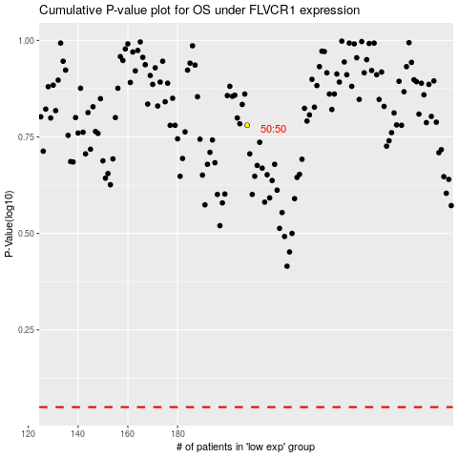

 |  |  |  |  |  | cases_OS | p_OS | rank | exp
 |  |  |  |  |  |  | cases_RFS | p_RFS | rank | exp

