FLVCR2 _multivariate
Reported by Tex Li-Hsing Chi. tex@gate.sinica.edu.tw 2019-08-19

Table 2. The clinicopathological features of HNSCC cohort and FLVCR2 expression. (Chi square test)
Cutoff at -0.34 (50.0%)
 |  | FLVCR2 expression |  | FLVCR2 expression |  | (Optimised)
 | Features | Low | (%) | High | (%) | Case no | P-value | Remark | Matthews
Gender | Female | 166 | 40 | 140 | 33.7 | 415 | 0.0041 | 1 | 0
2 | Male | 41 | 9.9 | 68 | 16.4
Age at diagnosis | <=65y | 142 | 34.2 | 132 | 31.8 | 415 | 0.3167 | 0 | 0
4 | >65y | 65 | 15.7 | 76 | 18.3
Clinical T Status | T1+T2 | 75 | 18.1 | 74 | 17.8 | 415 | 0.9707 | 0 | 0
6 | T3+T4 | 132 | 31.8 | 134 | 32.3
Clinical N Status | N0 | 105 | 25.3 | 111 | 26.7 | 415 | 0.6598 | 0 | 0
8 | N1-3 | 102 | 24.6 | 97 | 23.4
Clinical M Status | M0 | 205 | 49.4 | 207 | 49.9 | 415 | 0.6232 | 0 | 0
10 | M1 | 2 | 0.5 | 1 | 0.2
Clinical Stage | Stage I+II | 47 | 11.3 | 55 | 13.3 | 415 | 0.4413 | 0 | 0
12 | Stage III+IV | 160 | 38.6 | 153 | 36.9
Surgical Margin status | Negative | 154 | 37.1 | 164 | 39.5 | 415 | 0.2984 | 0 | 0
14 | Positive | 53 | 12.8 | 44 | 10.6
Tobacco Exposure | Low | 68 | 16.4 | 93 | 22.4 | 415 | 0.0156 | 1 | 0
16 | High | 139 | 33.5 | 115 | 27.7

Table 3. Univariate/Multivariate Cox's proportional hazards regression analyses on OS time of FLVCR2 gene expression in HNSCC

 |  | Univariate |  |  |  | Multivariate
 | Features | HR | CI95%(L) | CI95%(H) | P-value | HR | CI95%(L) | CI95%(H) | P-value
1 | Female | 1 |  |  |  | 1
Gender | Male | 1.157 | 0.843 | 1.587 | 0.367 | 1.229 | 0.876 | 1.723 | 0.232
11 | <=65y | 1 |  |  |  | 1
Age at diagnosis | >65y | 1.329 | 0.99 | 1.784 | 0.058 | 1.401 | 1.031 | 1.904 | 0.031
12 | T1+T2 | 1 |  |  |  | 1
Clinical T Status | T3+T4 | 1.409 | 1.028 | 1.931 | 0.033 | 2.253 | 1.189 | 4.269 | 0.013
13 | N0 | 1 |  |  |  | 1
Clinical N Status | N1-3 | 1.185 | 0.89 | 1.577 | 0.246 | 1.236 | 0.866 | 1.763 | 0.243
14 | M0 | 1 |  |  |  | 1
Clinical M Status | M1 | 4.097 | 1.009 | 16.644 | 0.049 | 9.592 | 2.091 | 44 | 0.004
15 | Stage I+II | 1 |  |  |  | 1
Clinical Stage | Stage III+IV | 1.245 | 0.882 | 1.759 | 0.213 | 0.496 | 0.231 | 1.065 | 0.072
16 | Negative | 1 |  |  |  | 1
Surgical Margin status | Positive | 1.591 | 1.155 | 2.191 | 0.004 | 1.665 | 1.205 | 2.302 | 0.002
17 | Low | 1 |  |  |  | 1
Tobacco Exposure | High | 1.364 | 1.008 | 1.844 | 0.044 | 1.434 | 1.04 | 1.978 | 0.028
18 | Low | 1 |  |  |  | 1
RNAseq(z-score) | High | 0.912 | 0.684 | 1.217 | 0.532 | 0.879 | 0.652 | 1.185 | 0.398

Table 4. Univariate/Multivariate Cox's proportional hazards regression analyses on RFS time of FLVCR2 gene expression in HNSCC

 |  | Univariate |  |  |  | Multivariate
 | Features | HR | CI95%(L) | CI95%(H) | P-value | HR | CI95%(L) | CI95%(H) | P-value
1 | Female | 1 |  |  |  | 1
Gender | Male | 1.157 | 0.843 | 1.587 | 0.367 | 1.229 | 0.876 | 1.723 | 0.232
11 | <=65y | 1 |  |  |  | 1
Age at diagnosis | >65y | 1.329 | 0.99 | 1.784 | 0.058 | 1.401 | 1.031 | 1.904 | 0.031
12 | T1+T2 | 1 |  |  |  | 1
Clinical T Status | T3+T4 | 1.409 | 1.028 | 1.931 | 0.033 | 2.253 | 1.189 | 4.269 | 0.013
13 | N0 | 1 |  |  |  | 1
Clinical N Status | N1-3 | 1.185 | 0.89 | 1.577 | 0.246 | 1.236 | 0.866 | 1.763 | 0.243
14 | M0 | 1 |  |  |  | 1
Clinical M Status | M1 | 4.097 | 1.009 | 16.644 | 0.049 | 9.592 | 2.091 | 44 | 0.004
15 | Stage I+II | 1 |  |  |  | 1
Clinical Stage | Stage III+IV | 1.245 | 0.882 | 1.759 | 0.213 | 0.496 | 0.231 | 1.065 | 0.072
16 | Negative | 1 |  |  |  | 1
Surgical Margin status | Positive | 1.591 | 1.155 | 2.191 | 0.004 | 1.665 | 1.205 | 2.302 | 0.002
17 | Low | 1 |  |  |  | 1
Tobacco Exposure | High | 1.364 | 1.008 | 1.844 | 0.044 | 1.434 | 1.04 | 1.978 | 0.028
18 | Low | 1 |  |  |  | 1
RNAseq(z-score) | High | 0.912 | 0.684 | 1.217 | 0.532 | 0.879 | 0.652 | 1.185 | 0.398

Kaplan-Meier survival estimate: Cutoff at -0.34 (50.0%)



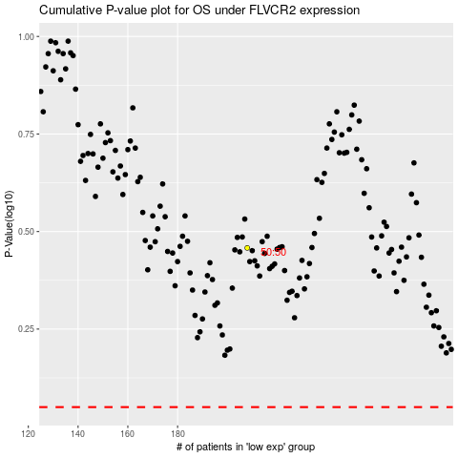

 |  |  |  |  |  | cases_OS | p_OS | rank | exp
 |  |  |  |  |  |  | cases_RFS | p_RFS | rank | exp

