FLYWCH2 _multivariate
Reported by Tex Li-Hsing Chi. tex@gate.sinica.edu.tw 2019-08-19

Table 2. The clinicopathological features of HNSCC cohort and FLYWCH2 expression. (Chi square test)
Cutoff at 0.089 (68.1%)
 |  | FLYWCH2 expression |  | FLYWCH2 expression |  | (Optimised)
 | Features | Low | (%) | High | (%) | Case no | P-value | Remark | Matthews
Gender | Female | 202 | 48.7 | 104 | 25.1 | 415 | 0.1395 | 0 | 0
2 | Male | 81 | 19.5 | 28 | 6.7
Age at diagnosis | <=65y | 180 | 43.4 | 94 | 22.7 | 415 | 0.1577 | 0 | 0
4 | >65y | 103 | 24.8 | 38 | 9.2
Clinical T Status | T1+T2 | 104 | 25.1 | 45 | 10.8 | 415 | 0.6775 | 0 | 0
6 | T3+T4 | 179 | 43.1 | 87 | 21
Clinical N Status | N0 | 149 | 35.9 | 67 | 16.1 | 415 | 0.7995 | 0 | 0
8 | N1-3 | 134 | 32.3 | 65 | 15.7
Clinical M Status | M0 | 281 | 67.7 | 131 | 31.6 | 415 | 1 | 0 | 0
10 | M1 | 2 | 0.5 | 1 | 0.2
Clinical Stage | Stage I+II | 73 | 17.6 | 29 | 7 | 415 | 0.4712 | 0 | 0
12 | Stage III+IV | 210 | 50.6 | 103 | 24.8
Surgical Margin status | Negative | 214 | 51.6 | 104 | 25.1 | 415 | 0.5343 | 0 | 0
14 | Positive | 69 | 16.6 | 28 | 6.7
Tobacco Exposure | Low | 113 | 27.2 | 48 | 11.6 | 415 | 0.5175 | 0 | 0
16 | High | 170 | 41 | 84 | 20.2

Table 3. Univariate/Multivariate Cox's proportional hazards regression analyses on OS time of FLYWCH2 gene expression in HNSCC

 |  | Univariate |  |  |  | Multivariate
 | Features | HR | CI95%(L) | CI95%(H) | P-value | HR | CI95%(L) | CI95%(H) | P-value
1 | Female | 1 |  |  |  | 1
Gender | Male | 1.157 | 0.843 | 1.587 | 0.367 | 1.179 | 0.844 | 1.646 | 0.334
11 | <=65y | 1 |  |  |  | 1
Age at diagnosis | >65y | 1.329 | 0.99 | 1.784 | 0.058 | 1.404 | 1.032 | 1.911 | 0.031
12 | T1+T2 | 1 |  |  |  | 1
Clinical T Status | T3+T4 | 1.409 | 1.028 | 1.931 | 0.033 | 2.268 | 1.199 | 4.293 | 0.012
13 | N0 | 1 |  |  |  | 1
Clinical N Status | N1-3 | 1.185 | 0.89 | 1.577 | 0.246 | 1.263 | 0.885 | 1.801 | 0.198
14 | M0 | 1 |  |  |  | 1
Clinical M Status | M1 | 4.097 | 1.009 | 16.644 | 0.049 | 9.85 | 2.147 | 45.189 | 0.003
15 | Stage I+II | 1 |  |  |  | 1
Clinical Stage | Stage III+IV | 1.245 | 0.882 | 1.759 | 0.213 | 0.506 | 0.235 | 1.086 | 0.081
16 | Negative | 1 |  |  |  | 1
Surgical Margin status | Positive | 1.591 | 1.155 | 2.191 | 0.004 | 1.668 | 1.208 | 2.305 | 0.002
17 | Low | 1 |  |  |  | 1
Tobacco Exposure | High | 1.364 | 1.008 | 1.844 | 0.044 | 1.476 | 1.072 | 2.033 | 0.017
18 | Low | 1 |  |  |  | 1
RNAseq(z-score) | High | 0.687 | 0.496 | 0.953 | 0.025 | 0.662 | 0.476 | 0.921 | 0.014

Table 4. Univariate/Multivariate Cox's proportional hazards regression analyses on RFS time of FLYWCH2 gene expression in HNSCC

 |  | Univariate |  |  |  | Multivariate
 | Features | HR | CI95%(L) | CI95%(H) | P-value | HR | CI95%(L) | CI95%(H) | P-value
1 | Female | 1 |  |  |  | 1
Gender | Male | 1.157 | 0.843 | 1.587 | 0.367 | 1.179 | 0.844 | 1.646 | 0.334
11 | <=65y | 1 |  |  |  | 1
Age at diagnosis | >65y | 1.329 | 0.99 | 1.784 | 0.058 | 1.404 | 1.032 | 1.911 | 0.031
12 | T1+T2 | 1 |  |  |  | 1
Clinical T Status | T3+T4 | 1.409 | 1.028 | 1.931 | 0.033 | 2.268 | 1.199 | 4.293 | 0.012
13 | N0 | 1 |  |  |  | 1
Clinical N Status | N1-3 | 1.185 | 0.89 | 1.577 | 0.246 | 1.263 | 0.885 | 1.801 | 0.198
14 | M0 | 1 |  |  |  | 1
Clinical M Status | M1 | 4.097 | 1.009 | 16.644 | 0.049 | 9.85 | 2.147 | 45.189 | 0.003
15 | Stage I+II | 1 |  |  |  | 1
Clinical Stage | Stage III+IV | 1.245 | 0.882 | 1.759 | 0.213 | 0.506 | 0.235 | 1.086 | 0.081
16 | Negative | 1 |  |  |  | 1
Surgical Margin status | Positive | 1.591 | 1.155 | 2.191 | 0.004 | 1.668 | 1.208 | 2.305 | 0.002
17 | Low | 1 |  |  |  | 1
Tobacco Exposure | High | 1.364 | 1.008 | 1.844 | 0.044 | 1.476 | 1.072 | 2.033 | 0.017
18 | Low | 1 |  |  |  | 1
RNAseq(z-score) | High | 0.687 | 0.496 | 0.953 | 0.025 | 0.662 | 0.476 | 0.921 | 0.014

Kaplan-Meier survival estimate: Cutoff at 0.089 (68.1%)

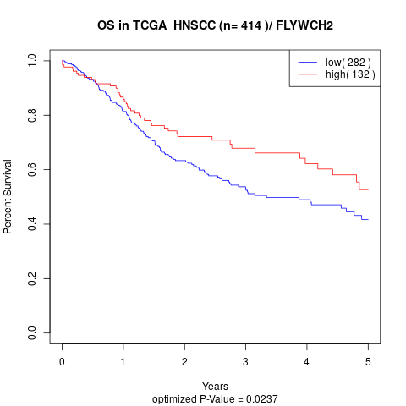

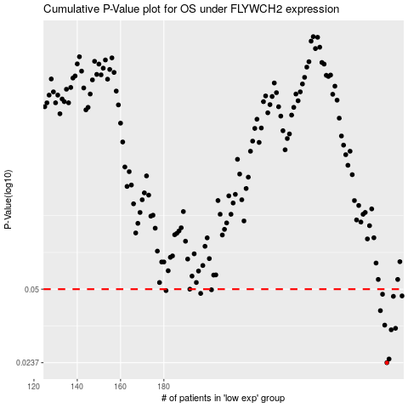

 |  |  |  |  |  | cases_OS | p_OS | rank | exp
 |  |  |  |  |  | 283 | 0.0237 | 20 | 0.088765462882
 |  |  |  |  |  | 284 | 0.0246 | 321 | 0.091958342871
 |  |  |  |  |  | 285 | 0.0331 | 57 | 0.10463330139
 |  |  |  |  |  | 287 | 0.0336 | 219 | 0.10779357072
 |  |  |  |  |  | 282 | 0.0347 | 108 | 0.076660132106
 |  |  |  |  |  | 280 | 0.0402 | 134 | 0.063971197586
 |  |  |  |  |  | 286 | 0.0465 | 113 | 0.10603640677
 |  |  |  |  |  | 290 | 0.0467 | 120 | 0.11750561793
 |  |  |  |  |  | 281 | 0.0475 | 114 | 0.065159580827
 |  |  |  |  |  | 197 | 0.0479 | 190 | -0.26821198764
 |  |  |  |  |  | 181 | 0.0493 | 233 | -0.32757693973
 |  |  |  |  |  | 202 | 0.0497 | 37 | -0.25205573538
 |  |  |  |  |  | 192 | 0.05 | 36 | -0.28393964267
 |  |  |  |  |  |  | cases_RFS | p_RFS | rank | exp
 |  |  |  |  |  |  | 282 | 0.0237 | 108 | 0.076660132106
 |  |  |  |  |  |  | 283 | 0.0246 | 20 | 0.088765462882
 |  |  |  |  |  |  | 284 | 0.0331 | 321 | 0.091958342871
 |  |  |  |  |  |  | 286 | 0.0336 | 113 | 0.10603640677
 |  |  |  |  |  |  | 281 | 0.0347 | 114 | 0.065159580827
 |  |  |  |  |  |  | 279 | 0.0402 | 2 | 0.061989994166
 |  |  |  |  |  |  | 285 | 0.0465 | 57 | 0.10463330139
 |  |  |  |  |  |  | 289 | 0.0467 | 155 | 0.11294901947
 |  |  |  |  |  |  | 280 | 0.0475 | 134 | 0.063971197586
 |  |  |  |  |  |  | 196 | 0.0479 | 181 | -0.27266313085
 |  |  |  |  |  |  | 180 | 0.0493 | 296 | -0.33735759637
 |  |  |  |  |  |  | 201 | 0.0497 | 43 | -0.25478952505
 |  |  |  |  |  |  | 191 | 0.05 | 283 | -0.28478074356

